FAM50A _multivariate
Reported by Tex Li-Hsing Chi. tex@gate.sinica.edu.tw 2019-08-19

Table 2. The clinicopathological features of HNSCC cohort and FAM50A expression. (Chi square test)
Cutoff at -0.245 (49.8%)
 |  | FAM50A expression |  | FAM50A expression |  | (Optimised)
 | Features | Low | (%) | High | (%) | Case no | P-value | Remark | Matthews
Gender | Female | 141 | 34 | 165 | 39.8 | 415 | 0.013 | 1 | 0
2 | Male | 66 | 15.9 | 43 | 10.4
Age at diagnosis | <=65y | 129 | 31.1 | 145 | 34.9 | 415 | 0.1372 | 0 | 0
4 | >65y | 78 | 18.8 | 63 | 15.2
Clinical T Status | T1+T2 | 81 | 19.5 | 68 | 16.4 | 415 | 0.206 | 0 | 0
6 | T3+T4 | 126 | 30.4 | 140 | 33.7
Clinical N Status | N0 | 117 | 28.2 | 99 | 23.9 | 415 | 0.0852 | 1 | 0
8 | N1-3 | 90 | 21.7 | 109 | 26.3
Clinical M Status | M0 | 206 | 49.6 | 206 | 49.6 | 415 | 1 | 0 | 0
10 | M1 | 1 | 0.2 | 2 | 0.5
Clinical Stage | Stage I+II | 59 | 14.2 | 43 | 10.4 | 415 | 0.0822 | 0 | 0
12 | Stage III+IV | 148 | 35.7 | 165 | 39.8
Surgical Margin status | Negative | 158 | 38.1 | 160 | 38.6 | 415 | 0.9081 | 0 | 0
14 | Positive | 49 | 11.8 | 48 | 11.6
Tobacco Exposure | Low | 88 | 21.2 | 73 | 17.6 | 415 | 0.1314 | 0 | 0
16 | High | 119 | 28.7 | 135 | 32.5

Table 3. Univariate/Multivariate Cox's proportional hazards regression analyses on OS time of FAM50A gene expression in HNSCC

 |  | Univariate |  |  |  | Multivariate
 | Features | HR | CI95%(L) | CI95%(H) | P-value | HR | CI95%(L) | CI95%(H) | P-value
1 | Female | 1 |  |  |  | 1
Gender | Male | 1.157 | 0.843 | 1.587 | 0.367 | 1.208 | 0.864 | 1.689 | 0.269
11 | <=65y | 1 |  |  |  | 1
Age at diagnosis | >65y | 1.329 | 0.99 | 1.784 | 0.058 | 1.392 | 1.024 | 1.892 | 0.035
12 | T1+T2 | 1 |  |  |  | 1
Clinical T Status | T3+T4 | 1.409 | 1.028 | 1.931 | 0.033 | 2.203 | 1.165 | 4.165 | 0.015
13 | N0 | 1 |  |  |  | 1
Clinical N Status | N1-3 | 1.185 | 0.89 | 1.577 | 0.246 | 1.238 | 0.868 | 1.767 | 0.239
14 | M0 | 1 |  |  |  | 1
Clinical M Status | M1 | 4.097 | 1.009 | 16.644 | 0.049 | 9.285 | 2.023 | 42.628 | 0.004
15 | Stage I+II | 1 |  |  |  | 1
Clinical Stage | Stage III+IV | 1.245 | 0.882 | 1.759 | 0.213 | 0.501 | 0.233 | 1.077 | 0.077
16 | Negative | 1 |  |  |  | 1
Surgical Margin status | Positive | 1.591 | 1.155 | 2.191 | 0.004 | 1.668 | 1.207 | 2.305 | 0.002
17 | Low | 1 |  |  |  | 1
Tobacco Exposure | High | 1.364 | 1.008 | 1.844 | 0.044 | 1.451 | 1.053 | 1.999 | 0.023
18 | Low | 1 |  |  |  | 1
RNAseq(z-score) | High | 1.102 | 0.827 | 1.468 | 0.506 | 1.058 | 0.79 | 1.417 | 0.704

Table 4. Univariate/Multivariate Cox's proportional hazards regression analyses on RFS time of FAM50A gene expression in HNSCC

 |  | Univariate |  |  |  | Multivariate
 | Features | HR | CI95%(L) | CI95%(H) | P-value | HR | CI95%(L) | CI95%(H) | P-value
1 | Female | 1 |  |  |  | 1
Gender | Male | 1.157 | 0.843 | 1.587 | 0.367 | 1.208 | 0.864 | 1.689 | 0.269
11 | <=65y | 1 |  |  |  | 1
Age at diagnosis | >65y | 1.329 | 0.99 | 1.784 | 0.058 | 1.392 | 1.024 | 1.892 | 0.035
12 | T1+T2 | 1 |  |  |  | 1
Clinical T Status | T3+T4 | 1.409 | 1.028 | 1.931 | 0.033 | 2.203 | 1.165 | 4.165 | 0.015
13 | N0 | 1 |  |  |  | 1
Clinical N Status | N1-3 | 1.185 | 0.89 | 1.577 | 0.246 | 1.238 | 0.868 | 1.767 | 0.239
14 | M0 | 1 |  |  |  | 1
Clinical M Status | M1 | 4.097 | 1.009 | 16.644 | 0.049 | 9.285 | 2.023 | 42.628 | 0.004
15 | Stage I+II | 1 |  |  |  | 1
Clinical Stage | Stage III+IV | 1.245 | 0.882 | 1.759 | 0.213 | 0.501 | 0.233 | 1.077 | 0.077
16 | Negative | 1 |  |  |  | 1
Surgical Margin status | Positive | 1.591 | 1.155 | 2.191 | 0.004 | 1.668 | 1.207 | 2.305 | 0.002
17 | Low | 1 |  |  |  | 1
Tobacco Exposure | High | 1.364 | 1.008 | 1.844 | 0.044 | 1.451 | 1.053 | 1.999 | 0.023
18 | Low | 1 |  |  |  | 1
RNAseq(z-score) | High | 1.102 | 0.827 | 1.468 | 0.506 | 1.058 | 0.79 | 1.417 | 0.704

Kaplan-Meier survival estimate: Cutoff at -0.245 (49.8%)



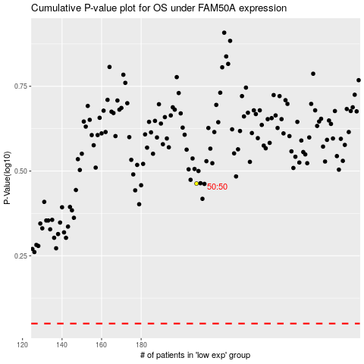

 |  |  |  |  |  | cases_OS | p_OS | rank | exp
 |  |  |  |  |  |  | cases_RFS | p_RFS | rank | exp

