FAM53A _multivariate
Reported by Tex Li-Hsing Chi. tex@gate.sinica.edu.tw 2019-08-19

Table 2. The clinicopathological features of HNSCC cohort and FAM53A expression. (Chi square test)
Cutoff at -0.317 (49.8%)
 |  | FAM53A expression |  | FAM53A expression |  | (Optimised)
 | Features | Low | (%) | High | (%) | Case no | P-value | Remark | Matthews
Gender | Female | 150 | 36.1 | 156 | 37.6 | 415 | 0.6344 | 0 | 0
2 | Male | 57 | 13.7 | 52 | 12.5
Age at diagnosis | <=65y | 131 | 31.6 | 143 | 34.5 | 415 | 0.2839 | 0 | 0
4 | >65y | 76 | 18.3 | 65 | 15.7
Clinical T Status | T1+T2 | 69 | 16.6 | 80 | 19.3 | 415 | 0.3239 | 0 | 0
6 | T3+T4 | 138 | 33.3 | 128 | 30.8
Clinical N Status | N0 | 106 | 25.5 | 110 | 26.5 | 415 | 0.8075 | 0 | 0
8 | N1-3 | 101 | 24.3 | 98 | 23.6
Clinical M Status | M0 | 206 | 49.6 | 206 | 49.6 | 415 | 1 | 0 | 0
10 | M1 | 1 | 0.2 | 2 | 0.5
Clinical Stage | Stage I+II | 47 | 11.3 | 55 | 13.3 | 415 | 0.4413 | 0 | 0
12 | Stage III+IV | 160 | 38.6 | 153 | 36.9
Surgical Margin status | Negative | 161 | 38.8 | 157 | 37.8 | 415 | 0.6429 | 0 | 0
14 | Positive | 46 | 11.1 | 51 | 12.3
Tobacco Exposure | Low | 87 | 21 | 74 | 17.8 | 415 | 0.1911 | 0 | 0
16 | High | 120 | 28.9 | 134 | 32.3

Table 3. Univariate/Multivariate Cox's proportional hazards regression analyses on OS time of FAM53A gene expression in HNSCC

 |  | Univariate |  |  |  | Multivariate
 | Features | HR | CI95%(L) | CI95%(H) | P-value | HR | CI95%(L) | CI95%(H) | P-value
1 | Female | 1 |  |  |  | 1
Gender | Male | 1.157 | 0.843 | 1.587 | 0.367 | 1.198 | 0.857 | 1.676 | 0.29
11 | <=65y | 1 |  |  |  | 1
Age at diagnosis | >65y | 1.329 | 0.99 | 1.784 | 0.058 | 1.392 | 1.023 | 1.894 | 0.035
12 | T1+T2 | 1 |  |  |  | 1
Clinical T Status | T3+T4 | 1.409 | 1.028 | 1.931 | 0.033 | 2.21 | 1.169 | 4.18 | 0.015
13 | N0 | 1 |  |  |  | 1
Clinical N Status | N1-3 | 1.185 | 0.89 | 1.577 | 0.246 | 1.267 | 0.887 | 1.811 | 0.194
14 | M0 | 1 |  |  |  | 1
Clinical M Status | M1 | 4.097 | 1.009 | 16.644 | 0.049 | 9.614 | 2.096 | 44.09 | 0.004
15 | Stage I+II | 1 |  |  |  | 1
Clinical Stage | Stage III+IV | 1.245 | 0.882 | 1.759 | 0.213 | 0.491 | 0.229 | 1.056 | 0.069
16 | Negative | 1 |  |  |  | 1
Surgical Margin status | Positive | 1.591 | 1.155 | 2.191 | 0.004 | 1.713 | 1.237 | 2.374 | 0.001
17 | Low | 1 |  |  |  | 1
Tobacco Exposure | High | 1.364 | 1.008 | 1.844 | 0.044 | 1.486 | 1.075 | 2.054 | 0.016
18 | Low | 1 |  |  |  | 1
RNAseq(z-score) | High | 0.896 | 0.672 | 1.193 | 0.452 | 0.829 | 0.619 | 1.11 | 0.208

Table 4. Univariate/Multivariate Cox's proportional hazards regression analyses on RFS time of FAM53A gene expression in HNSCC

 |  | Univariate |  |  |  | Multivariate
 | Features | HR | CI95%(L) | CI95%(H) | P-value | HR | CI95%(L) | CI95%(H) | P-value
1 | Female | 1 |  |  |  | 1
Gender | Male | 1.157 | 0.843 | 1.587 | 0.367 | 1.198 | 0.857 | 1.676 | 0.29
11 | <=65y | 1 |  |  |  | 1
Age at diagnosis | >65y | 1.329 | 0.99 | 1.784 | 0.058 | 1.392 | 1.023 | 1.894 | 0.035
12 | T1+T2 | 1 |  |  |  | 1
Clinical T Status | T3+T4 | 1.409 | 1.028 | 1.931 | 0.033 | 2.21 | 1.169 | 4.18 | 0.015
13 | N0 | 1 |  |  |  | 1
Clinical N Status | N1-3 | 1.185 | 0.89 | 1.577 | 0.246 | 1.267 | 0.887 | 1.811 | 0.194
14 | M0 | 1 |  |  |  | 1
Clinical M Status | M1 | 4.097 | 1.009 | 16.644 | 0.049 | 9.614 | 2.096 | 44.09 | 0.004
15 | Stage I+II | 1 |  |  |  | 1
Clinical Stage | Stage III+IV | 1.245 | 0.882 | 1.759 | 0.213 | 0.491 | 0.229 | 1.056 | 0.069
16 | Negative | 1 |  |  |  | 1
Surgical Margin status | Positive | 1.591 | 1.155 | 2.191 | 0.004 | 1.713 | 1.237 | 2.374 | 0.001
17 | Low | 1 |  |  |  | 1
Tobacco Exposure | High | 1.364 | 1.008 | 1.844 | 0.044 | 1.486 | 1.075 | 2.054 | 0.016
18 | Low | 1 |  |  |  | 1
RNAseq(z-score) | High | 0.896 | 0.672 | 1.193 | 0.452 | 0.829 | 0.619 | 1.11 | 0.208

Kaplan-Meier survival estimate: Cutoff at -0.317 (49.8%)



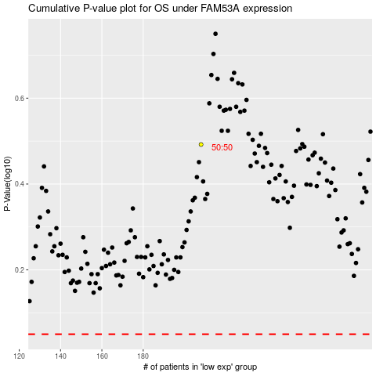

 |  |  |  |  |  | cases_OS | p_OS | rank | exp
 |  |  |  |  |  |  | cases_RFS | p_RFS | rank | exp

