FAM53C _multivariate
Reported by Tex Li-Hsing Chi. tex@gate.sinica.edu.tw 2019-08-19

Table 2. The clinicopathological features of HNSCC cohort and FAM53C expression. (Chi square test)
Cutoff at -0.236 (49.8%)
 |  | FAM53C expression |  | FAM53C expression |  | (Optimised)
 | Features | Low | (%) | High | (%) | Case no | P-value | Remark | Matthews
Gender | Female | 146 | 35.2 | 160 | 38.6 | 415 | 0.1714 | 0 | 0
2 | Male | 61 | 14.7 | 48 | 11.6
Age at diagnosis | <=65y | 129 | 31.1 | 145 | 34.9 | 415 | 0.1372 | 0 | 0
4 | >65y | 78 | 18.8 | 63 | 15.2
Clinical T Status | T1+T2 | 70 | 16.9 | 79 | 19 | 415 | 0.4343 | 0 | 0
6 | T3+T4 | 137 | 33 | 129 | 31.1
Clinical N Status | N0 | 105 | 25.3 | 111 | 26.7 | 415 | 0.6598 | 0 | 0
8 | N1-3 | 102 | 24.6 | 97 | 23.4
Clinical M Status | M0 | 206 | 49.6 | 206 | 49.6 | 415 | 1 | 0 | 0
10 | M1 | 1 | 0.2 | 2 | 0.5
Clinical Stage | Stage I+II | 53 | 12.8 | 49 | 11.8 | 415 | 0.7113 | 0 | 0
12 | Stage III+IV | 154 | 37.1 | 159 | 38.3
Surgical Margin status | Negative | 159 | 38.3 | 159 | 38.3 | 415 | 1 | 0 | 0
14 | Positive | 48 | 11.6 | 49 | 11.8
Tobacco Exposure | Low | 90 | 21.7 | 71 | 17.1 | 415 | 0.0559 | 0 | 0
16 | High | 117 | 28.2 | 137 | 33

Table 3. Univariate/Multivariate Cox's proportional hazards regression analyses on OS time of FAM53C gene expression in HNSCC

 |  | Univariate |  |  |  | Multivariate
 | Features | HR | CI95%(L) | CI95%(H) | P-value | HR | CI95%(L) | CI95%(H) | P-value
1 | Female | 1 |  |  |  | 1
Gender | Male | 1.157 | 0.843 | 1.587 | 0.367 | 1.216 | 0.869 | 1.701 | 0.253
11 | <=65y | 1 |  |  |  | 1
Age at diagnosis | >65y | 1.329 | 0.99 | 1.784 | 0.058 | 1.413 | 1.036 | 1.927 | 0.029
12 | T1+T2 | 1 |  |  |  | 1
Clinical T Status | T3+T4 | 1.409 | 1.028 | 1.931 | 0.033 | 2.245 | 1.185 | 4.254 | 0.013
13 | N0 | 1 |  |  |  | 1
Clinical N Status | N1-3 | 1.185 | 0.89 | 1.577 | 0.246 | 1.259 | 0.88 | 1.799 | 0.207
14 | M0 | 1 |  |  |  | 1
Clinical M Status | M1 | 4.097 | 1.009 | 16.644 | 0.049 | 9.497 | 2.071 | 43.542 | 0.004
15 | Stage I+II | 1 |  |  |  | 1
Clinical Stage | Stage III+IV | 1.245 | 0.882 | 1.759 | 0.213 | 0.492 | 0.229 | 1.058 | 0.07
16 | Negative | 1 |  |  |  | 1
Surgical Margin status | Positive | 1.591 | 1.155 | 2.191 | 0.004 | 1.679 | 1.215 | 2.32 | 0.002
17 | Low | 1 |  |  |  | 1
Tobacco Exposure | High | 1.364 | 1.008 | 1.844 | 0.044 | 1.45 | 1.052 | 1.998 | 0.023
18 | Low | 1 |  |  |  | 1
RNAseq(z-score) | High | 1.008 | 0.755 | 1.347 | 0.956 | 1.115 | 0.828 | 1.501 | 0.474

Table 4. Univariate/Multivariate Cox's proportional hazards regression analyses on RFS time of FAM53C gene expression in HNSCC

 |  | Univariate |  |  |  | Multivariate
 | Features | HR | CI95%(L) | CI95%(H) | P-value | HR | CI95%(L) | CI95%(H) | P-value
1 | Female | 1 |  |  |  | 1
Gender | Male | 1.157 | 0.843 | 1.587 | 0.367 | 1.216 | 0.869 | 1.701 | 0.253
11 | <=65y | 1 |  |  |  | 1
Age at diagnosis | >65y | 1.329 | 0.99 | 1.784 | 0.058 | 1.413 | 1.036 | 1.927 | 0.029
12 | T1+T2 | 1 |  |  |  | 1
Clinical T Status | T3+T4 | 1.409 | 1.028 | 1.931 | 0.033 | 2.245 | 1.185 | 4.254 | 0.013
13 | N0 | 1 |  |  |  | 1
Clinical N Status | N1-3 | 1.185 | 0.89 | 1.577 | 0.246 | 1.259 | 0.88 | 1.799 | 0.207
14 | M0 | 1 |  |  |  | 1
Clinical M Status | M1 | 4.097 | 1.009 | 16.644 | 0.049 | 9.497 | 2.071 | 43.542 | 0.004
15 | Stage I+II | 1 |  |  |  | 1
Clinical Stage | Stage III+IV | 1.245 | 0.882 | 1.759 | 0.213 | 0.492 | 0.229 | 1.058 | 0.07
16 | Negative | 1 |  |  |  | 1
Surgical Margin status | Positive | 1.591 | 1.155 | 2.191 | 0.004 | 1.679 | 1.215 | 2.32 | 0.002
17 | Low | 1 |  |  |  | 1
Tobacco Exposure | High | 1.364 | 1.008 | 1.844 | 0.044 | 1.45 | 1.052 | 1.998 | 0.023
18 | Low | 1 |  |  |  | 1
RNAseq(z-score) | High | 1.008 | 0.755 | 1.347 | 0.956 | 1.115 | 0.828 | 1.501 | 0.474

Kaplan-Meier survival estimate: Cutoff at -0.236 (49.8%)



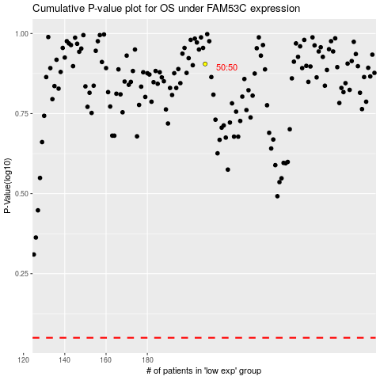

 |  |  |  |  |  | cases_OS | p_OS | rank | exp
 |  |  |  |  |  |  | cases_RFS | p_RFS | rank | exp

