FAM55C _multivariate
Reported by Tex Li-Hsing Chi. tex@gate.sinica.edu.tw 2019-08-19

Table 2. The clinicopathological features of HNSCC cohort and FAM55C expression. (Chi square test)
Cutoff at -0.135 (52.9%)
 |  | FAM55C expression |  | FAM55C expression |  | (Optimised)
 | Features | Low | (%) | High | (%) | Case no | P-value | Remark | Matthews
Gender | Female | 164 | 39.5 | 142 | 34.2 | 415 | 0.6517 | 0 | 0
2 | Male | 55 | 13.3 | 54 | 13
Age at diagnosis | <=65y | 151 | 36.4 | 123 | 29.6 | 415 | 0.2201 | 0 | 0
4 | >65y | 68 | 16.4 | 73 | 17.6
Clinical T Status | T1+T2 | 78 | 18.8 | 71 | 17.1 | 415 | 0.9789 | 0 | 0
6 | T3+T4 | 141 | 34 | 125 | 30.1
Clinical N Status | N0 | 112 | 27 | 104 | 25.1 | 415 | 0.77 | 0 | 0
8 | N1-3 | 107 | 25.8 | 92 | 22.2
Clinical M Status | M0 | 216 | 52 | 196 | 47.2 | 415 | 0.2505 | 0 | 0
10 | M1 | 3 | 0.7 | 0 | 0
Clinical Stage | Stage I+II | 46 | 11.1 | 56 | 13.5 | 415 | 0.0943 | 0 | 0
12 | Stage III+IV | 173 | 41.7 | 140 | 33.7
Surgical Margin status | Negative | 156 | 37.6 | 162 | 39 | 415 | 0.0074 | 1 | 0
14 | Positive | 63 | 15.2 | 34 | 8.2
Tobacco Exposure | Low | 89 | 21.4 | 72 | 17.3 | 415 | 0.4217 | 0 | 0
16 | High | 130 | 31.3 | 124 | 29.9

Table 3. Univariate/Multivariate Cox's proportional hazards regression analyses on OS time of FAM55C gene expression in HNSCC

 |  | Univariate |  |  |  | Multivariate
 | Features | HR | CI95%(L) | CI95%(H) | P-value | HR | CI95%(L) | CI95%(H) | P-value
1 | Female | 1 |  |  |  | 1
Gender | Male | 1.157 | 0.843 | 1.587 | 0.367 | 1.229 | 0.879 | 1.717 | 0.228
11 | <=65y | 1 |  |  |  | 1
Age at diagnosis | >65y | 1.329 | 0.99 | 1.784 | 0.058 | 1.359 | 0.999 | 1.85 | 0.051
12 | T1+T2 | 1 |  |  |  | 1
Clinical T Status | T3+T4 | 1.409 | 1.028 | 1.931 | 0.033 | 2.084 | 1.1 | 3.949 | 0.024
13 | N0 | 1 |  |  |  | 1
Clinical N Status | N1-3 | 1.185 | 0.89 | 1.577 | 0.246 | 1.199 | 0.838 | 1.714 | 0.321
14 | M0 | 1 |  |  |  | 1
Clinical M Status | M1 | 4.097 | 1.009 | 16.644 | 0.049 | 10.868 | 2.357 | 50.117 | 0.002
15 | Stage I+II | 1 |  |  |  | 1
Clinical Stage | Stage III+IV | 1.245 | 0.882 | 1.759 | 0.213 | 0.552 | 0.256 | 1.19 | 0.129
16 | Negative | 1 |  |  |  | 1
Surgical Margin status | Positive | 1.591 | 1.155 | 2.191 | 0.004 | 1.763 | 1.271 | 2.446 | 0.001
17 | Low | 1 |  |  |  | 1
Tobacco Exposure | High | 1.364 | 1.008 | 1.844 | 0.044 | 1.42 | 1.031 | 1.957 | 0.032
18 | Low | 1 |  |  |  | 1
RNAseq(z-score) | High | 1.34 | 1.006 | 1.786 | 0.046 | 1.413 | 1.051 | 1.901 | 0.022

Table 4. Univariate/Multivariate Cox's proportional hazards regression analyses on RFS time of FAM55C gene expression in HNSCC

 |  | Univariate |  |  |  | Multivariate
 | Features | HR | CI95%(L) | CI95%(H) | P-value | HR | CI95%(L) | CI95%(H) | P-value
1 | Female | 1 |  |  |  | 1
Gender | Male | 1.157 | 0.843 | 1.587 | 0.367 | 1.229 | 0.879 | 1.717 | 0.228
11 | <=65y | 1 |  |  |  | 1
Age at diagnosis | >65y | 1.329 | 0.99 | 1.784 | 0.058 | 1.359 | 0.999 | 1.85 | 0.051
12 | T1+T2 | 1 |  |  |  | 1
Clinical T Status | T3+T4 | 1.409 | 1.028 | 1.931 | 0.033 | 2.084 | 1.1 | 3.949 | 0.024
13 | N0 | 1 |  |  |  | 1
Clinical N Status | N1-3 | 1.185 | 0.89 | 1.577 | 0.246 | 1.199 | 0.838 | 1.714 | 0.321
14 | M0 | 1 |  |  |  | 1
Clinical M Status | M1 | 4.097 | 1.009 | 16.644 | 0.049 | 10.868 | 2.357 | 50.117 | 0.002
15 | Stage I+II | 1 |  |  |  | 1
Clinical Stage | Stage III+IV | 1.245 | 0.882 | 1.759 | 0.213 | 0.552 | 0.256 | 1.19 | 0.129
16 | Negative | 1 |  |  |  | 1
Surgical Margin status | Positive | 1.591 | 1.155 | 2.191 | 0.004 | 1.763 | 1.271 | 2.446 | 0.001
17 | Low | 1 |  |  |  | 1
Tobacco Exposure | High | 1.364 | 1.008 | 1.844 | 0.044 | 1.42 | 1.031 | 1.957 | 0.032
18 | Low | 1 |  |  |  | 1
RNAseq(z-score) | High | 1.34 | 1.006 | 1.786 | 0.046 | 1.413 | 1.051 | 1.901 | 0.022

Kaplan-Meier survival estimate: Cutoff at -0.135 (52.9%)



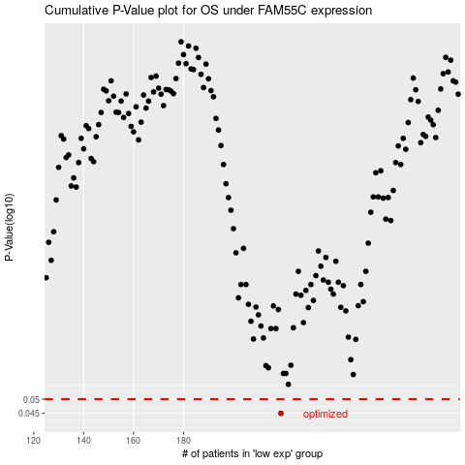

 |  |  |  |  |  | cases_OS | p_OS | rank | exp
 |  |  |  |  |  | 219 | 0.045 | 79 | -0.13462432595
 |  |  |  |  |  |  | cases_RFS | p_RFS | rank | exp
 |  |  |  |  |  |  | 218 | 0.045 | 271 | -0.13521925778

