FAM57B _multivariate
Reported by Tex Li-Hsing Chi. tex@gate.sinica.edu.tw 2019-08-19

Table 2. The clinicopathological features of HNSCC cohort and FAM57B expression. (Chi square test)
Cutoff at -0.247 (50.0%)
 |  | FAM57B expression |  | FAM57B expression |  | (Optimised)
 | Features | Low | (%) | High | (%) | Case no | P-value | Remark | Matthews
Gender | Female | 149 | 35.9 | 157 | 37.8 | 415 | 0.4848 | 0 | 0
2 | Male | 58 | 14 | 51 | 12.3
Age at diagnosis | <=65y | 135 | 32.5 | 139 | 33.5 | 415 | 0.8084 | 0 | 0
4 | >65y | 72 | 17.3 | 69 | 16.6
Clinical T Status | T1+T2 | 59 | 14.2 | 90 | 21.7 | 415 | 0.0024 | 1 | 0
6 | T3+T4 | 148 | 35.7 | 118 | 28.4
Clinical N Status | N0 | 112 | 27 | 104 | 25.1 | 415 | 0.4599 | 0 | 0
8 | N1-3 | 95 | 22.9 | 104 | 25.1
Clinical M Status | M0 | 205 | 49.4 | 207 | 49.9 | 415 | 0.6232 | 0 | 0
10 | M1 | 2 | 0.5 | 1 | 0.2
Clinical Stage | Stage I+II | 44 | 10.6 | 58 | 14 | 415 | 0.1459 | 0 | 0
12 | Stage III+IV | 163 | 39.3 | 150 | 36.1
Surgical Margin status | Negative | 155 | 37.3 | 163 | 39.3 | 415 | 0.4187 | 0 | 0
14 | Positive | 52 | 12.5 | 45 | 10.8
Tobacco Exposure | Low | 79 | 19 | 82 | 19.8 | 415 | 0.8405 | 0 | 0
16 | High | 128 | 30.8 | 126 | 30.4

Table 3. Univariate/Multivariate Cox's proportional hazards regression analyses on OS time of FAM57B gene expression in HNSCC

 |  | Univariate |  |  |  | Multivariate
 | Features | HR | CI95%(L) | CI95%(H) | P-value | HR | CI95%(L) | CI95%(H) | P-value
1 | Female | 1 |  |  |  | 1
Gender | Male | 1.157 | 0.843 | 1.587 | 0.367 | 1.203 | 0.862 | 1.68 | 0.277
11 | <=65y | 1 |  |  |  | 1
Age at diagnosis | >65y | 1.329 | 0.99 | 1.784 | 0.058 | 1.392 | 1.023 | 1.894 | 0.035
12 | T1+T2 | 1 |  |  |  | 1
Clinical T Status | T3+T4 | 1.409 | 1.028 | 1.931 | 0.033 | 2.266 | 1.195 | 4.296 | 0.012
13 | N0 | 1 |  |  |  | 1
Clinical N Status | N1-3 | 1.185 | 0.89 | 1.577 | 0.246 | 1.231 | 0.862 | 1.757 | 0.254
14 | M0 | 1 |  |  |  | 1
Clinical M Status | M1 | 4.097 | 1.009 | 16.644 | 0.049 | 10.072 | 2.184 | 46.443 | 0.003
15 | Stage I+II | 1 |  |  |  | 1
Clinical Stage | Stage III+IV | 1.245 | 0.882 | 1.759 | 0.213 | 0.496 | 0.231 | 1.066 | 0.072
16 | Negative | 1 |  |  |  | 1
Surgical Margin status | Positive | 1.591 | 1.155 | 2.191 | 0.004 | 1.679 | 1.215 | 2.32 | 0.002
17 | Low | 1 |  |  |  | 1
Tobacco Exposure | High | 1.364 | 1.008 | 1.844 | 0.044 | 1.438 | 1.044 | 1.98 | 0.026
18 | Low | 1 |  |  |  | 1
RNAseq(z-score) | High | 1.107 | 0.831 | 1.473 | 0.488 | 1.161 | 0.869 | 1.551 | 0.312

Table 4. Univariate/Multivariate Cox's proportional hazards regression analyses on RFS time of FAM57B gene expression in HNSCC

 |  | Univariate |  |  |  | Multivariate
 | Features | HR | CI95%(L) | CI95%(H) | P-value | HR | CI95%(L) | CI95%(H) | P-value
1 | Female | 1 |  |  |  | 1
Gender | Male | 1.157 | 0.843 | 1.587 | 0.367 | 1.203 | 0.862 | 1.68 | 0.277
11 | <=65y | 1 |  |  |  | 1
Age at diagnosis | >65y | 1.329 | 0.99 | 1.784 | 0.058 | 1.392 | 1.023 | 1.894 | 0.035
12 | T1+T2 | 1 |  |  |  | 1
Clinical T Status | T3+T4 | 1.409 | 1.028 | 1.931 | 0.033 | 2.266 | 1.195 | 4.296 | 0.012
13 | N0 | 1 |  |  |  | 1
Clinical N Status | N1-3 | 1.185 | 0.89 | 1.577 | 0.246 | 1.231 | 0.862 | 1.757 | 0.254
14 | M0 | 1 |  |  |  | 1
Clinical M Status | M1 | 4.097 | 1.009 | 16.644 | 0.049 | 10.072 | 2.184 | 46.443 | 0.003
15 | Stage I+II | 1 |  |  |  | 1
Clinical Stage | Stage III+IV | 1.245 | 0.882 | 1.759 | 0.213 | 0.496 | 0.231 | 1.066 | 0.072
16 | Negative | 1 |  |  |  | 1
Surgical Margin status | Positive | 1.591 | 1.155 | 2.191 | 0.004 | 1.679 | 1.215 | 2.32 | 0.002
17 | Low | 1 |  |  |  | 1
Tobacco Exposure | High | 1.364 | 1.008 | 1.844 | 0.044 | 1.438 | 1.044 | 1.98 | 0.026
18 | Low | 1 |  |  |  | 1
RNAseq(z-score) | High | 1.107 | 0.831 | 1.473 | 0.488 | 1.161 | 0.869 | 1.551 | 0.312

Kaplan-Meier survival estimate: Cutoff at -0.247 (50.0%)



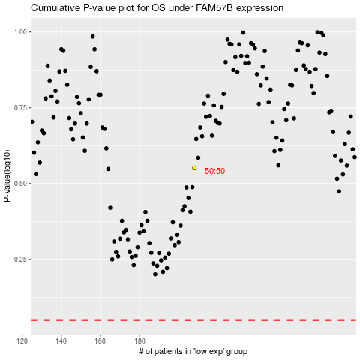

 |  |  |  |  |  | cases_OS | p_OS | rank | exp
 |  |  |  |  |  |  | cases_RFS | p_RFS | rank | exp

