FAM59A _multivariate
Reported by Tex Li-Hsing Chi. tex@gate.sinica.edu.tw 2019-08-19

Table 2. The clinicopathological features of HNSCC cohort and FAM59A expression. (Chi square test)
Cutoff at -0.419 (49.8%)
 |  | FAM59A expression |  | FAM59A expression |  | (Optimised)
 | Features | Low | (%) | High | (%) | Case no | P-value | Remark | Matthews
Gender | Female | 152 | 36.6 | 154 | 37.1 | 415 | 0.9766 | 0 | 0
2 | Male | 55 | 13.3 | 54 | 13
Age at diagnosis | <=65y | 137 | 33 | 137 | 33 | 415 | 1 | 0 | 0
4 | >65y | 70 | 16.9 | 71 | 17.1
Clinical T Status | T1+T2 | 88 | 21.2 | 61 | 14.7 | 415 | 0.007 | 1 | 0
6 | T3+T4 | 119 | 28.7 | 147 | 35.4
Clinical N Status | N0 | 105 | 25.3 | 111 | 26.7 | 415 | 0.6598 | 0 | 0
8 | N1-3 | 102 | 24.6 | 97 | 23.4
Clinical M Status | M0 | 206 | 49.6 | 206 | 49.6 | 415 | 1 | 0 | 0
10 | M1 | 1 | 0.2 | 2 | 0.5
Clinical Stage | Stage I+II | 61 | 14.7 | 41 | 9.9 | 415 | 0.0282 | 1 | 0
12 | Stage III+IV | 146 | 35.2 | 167 | 40.2
Surgical Margin status | Negative | 151 | 36.4 | 167 | 40.2 | 415 | 0.0828 | 0 | 0
14 | Positive | 56 | 13.5 | 41 | 9.9
Tobacco Exposure | Low | 80 | 19.3 | 81 | 19.5 | 415 | 1 | 0 | 0
16 | High | 127 | 30.6 | 127 | 30.6

Table 3. Univariate/Multivariate Cox's proportional hazards regression analyses on OS time of FAM59A gene expression in HNSCC

 |  | Univariate |  |  |  | Multivariate
 | Features | HR | CI95%(L) | CI95%(H) | P-value | HR | CI95%(L) | CI95%(H) | P-value
1 | Female | 1 |  |  |  | 1
Gender | Male | 1.157 | 0.843 | 1.587 | 0.367 | 1.203 | 0.861 | 1.681 | 0.279
11 | <=65y | 1 |  |  |  | 1
Age at diagnosis | >65y | 1.329 | 0.99 | 1.784 | 0.058 | 1.391 | 1.023 | 1.891 | 0.035
12 | T1+T2 | 1 |  |  |  | 1
Clinical T Status | T3+T4 | 1.409 | 1.028 | 1.931 | 0.033 | 2.21 | 1.168 | 4.181 | 0.015
13 | N0 | 1 |  |  |  | 1
Clinical N Status | N1-3 | 1.185 | 0.89 | 1.577 | 0.246 | 1.237 | 0.866 | 1.767 | 0.242
14 | M0 | 1 |  |  |  | 1
Clinical M Status | M1 | 4.097 | 1.009 | 16.644 | 0.049 | 9.464 | 2.062 | 43.431 | 0.004
15 | Stage I+II | 1 |  |  |  | 1
Clinical Stage | Stage III+IV | 1.245 | 0.882 | 1.759 | 0.213 | 0.507 | 0.236 | 1.091 | 0.082
16 | Negative | 1 |  |  |  | 1
Surgical Margin status | Positive | 1.591 | 1.155 | 2.191 | 0.004 | 1.665 | 1.202 | 2.306 | 0.002
17 | Low | 1 |  |  |  | 1
Tobacco Exposure | High | 1.364 | 1.008 | 1.844 | 0.044 | 1.451 | 1.053 | 2 | 0.023
18 | Low | 1 |  |  |  | 1
RNAseq(z-score) | High | 0.974 | 0.729 | 1.301 | 0.856 | 0.97 | 0.719 | 1.308 | 0.839

Table 4. Univariate/Multivariate Cox's proportional hazards regression analyses on RFS time of FAM59A gene expression in HNSCC

 |  | Univariate |  |  |  | Multivariate
 | Features | HR | CI95%(L) | CI95%(H) | P-value | HR | CI95%(L) | CI95%(H) | P-value
1 | Female | 1 |  |  |  | 1
Gender | Male | 1.157 | 0.843 | 1.587 | 0.367 | 1.203 | 0.861 | 1.681 | 0.279
11 | <=65y | 1 |  |  |  | 1
Age at diagnosis | >65y | 1.329 | 0.99 | 1.784 | 0.058 | 1.391 | 1.023 | 1.891 | 0.035
12 | T1+T2 | 1 |  |  |  | 1
Clinical T Status | T3+T4 | 1.409 | 1.028 | 1.931 | 0.033 | 2.21 | 1.168 | 4.181 | 0.015
13 | N0 | 1 |  |  |  | 1
Clinical N Status | N1-3 | 1.185 | 0.89 | 1.577 | 0.246 | 1.237 | 0.866 | 1.767 | 0.242
14 | M0 | 1 |  |  |  | 1
Clinical M Status | M1 | 4.097 | 1.009 | 16.644 | 0.049 | 9.464 | 2.062 | 43.431 | 0.004
15 | Stage I+II | 1 |  |  |  | 1
Clinical Stage | Stage III+IV | 1.245 | 0.882 | 1.759 | 0.213 | 0.507 | 0.236 | 1.091 | 0.082
16 | Negative | 1 |  |  |  | 1
Surgical Margin status | Positive | 1.591 | 1.155 | 2.191 | 0.004 | 1.665 | 1.202 | 2.306 | 0.002
17 | Low | 1 |  |  |  | 1
Tobacco Exposure | High | 1.364 | 1.008 | 1.844 | 0.044 | 1.451 | 1.053 | 2 | 0.023
18 | Low | 1 |  |  |  | 1
RNAseq(z-score) | High | 0.974 | 0.729 | 1.301 | 0.856 | 0.97 | 0.719 | 1.308 | 0.839

Kaplan-Meier survival estimate: Cutoff at -0.419 (49.8%)



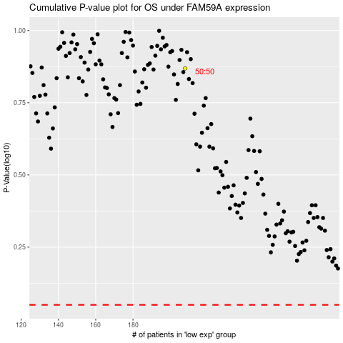

 |  |  |  |  |  | cases_OS | p_OS | rank | exp
 |  |  |  |  |  |  | cases_RFS | p_RFS | rank | exp

