FAM60A _multivariate
Reported by Tex Li-Hsing Chi. tex@gate.sinica.edu.tw 2019-08-19

Table 2. The clinicopathological features of HNSCC cohort and FAM60A expression. (Chi square test)
Cutoff at -0.161 (49.8%)
 |  | FAM60A expression |  | FAM60A expression |  | (Optimised)
 | Features | Low | (%) | High | (%) | Case no | P-value | Remark | Matthews
Gender | Female | 139 | 33.5 | 167 | 40.2 | 415 | 0.0034 | 1 | 0
2 | Male | 68 | 16.4 | 41 | 9.9
Age at diagnosis | <=65y | 136 | 32.8 | 138 | 33.3 | 415 | 0.9719 | 0 | 0
4 | >65y | 71 | 17.1 | 70 | 16.9
Clinical T Status | T1+T2 | 90 | 21.7 | 59 | 14.2 | 415 | 0.0019 | 1 | 0
6 | T3+T4 | 117 | 28.2 | 149 | 35.9
Clinical N Status | N0 | 113 | 27.2 | 103 | 24.8 | 415 | 0.3495 | 1 | 0
8 | N1-3 | 94 | 22.7 | 105 | 25.3
Clinical M Status | M0 | 205 | 49.4 | 207 | 49.9 | 415 | 0.6232 | 0 | 0
10 | M1 | 2 | 0.5 | 1 | 0.2
Clinical Stage | Stage I+II | 63 | 15.2 | 39 | 9.4 | 415 | 0.008 | 1 | 0
12 | Stage III+IV | 144 | 34.7 | 169 | 40.7
Surgical Margin status | Negative | 164 | 39.5 | 154 | 37.1 | 415 | 0.2462 | 0 | 0
14 | Positive | 43 | 10.4 | 54 | 13
Tobacco Exposure | Low | 95 | 22.9 | 66 | 15.9 | 415 | 0.0035 | 1 | 0
16 | High | 112 | 27 | 142 | 34.2

Table 3. Univariate/Multivariate Cox's proportional hazards regression analyses on OS time of FAM60A gene expression in HNSCC

 |  | Univariate |  |  |  | Multivariate
 | Features | HR | CI95%(L) | CI95%(H) | P-value | HR | CI95%(L) | CI95%(H) | P-value
1 | Female | 1 |  |  |  | 1
Gender | Male | 1.157 | 0.843 | 1.587 | 0.367 | 1.174 | 0.836 | 1.648 | 0.354
11 | <=65y | 1 |  |  |  | 1
Age at diagnosis | >65y | 1.329 | 0.99 | 1.784 | 0.058 | 1.394 | 1.025 | 1.896 | 0.034
12 | T1+T2 | 1 |  |  |  | 1
Clinical T Status | T3+T4 | 1.409 | 1.028 | 1.931 | 0.033 | 2.212 | 1.169 | 4.184 | 0.015
13 | N0 | 1 |  |  |  | 1
Clinical N Status | N1-3 | 1.185 | 0.89 | 1.577 | 0.246 | 1.237 | 0.867 | 1.764 | 0.24
14 | M0 | 1 |  |  |  | 1
Clinical M Status | M1 | 4.097 | 1.009 | 16.644 | 0.049 | 8.988 | 1.953 | 41.355 | 0.005
15 | Stage I+II | 1 |  |  |  | 1
Clinical Stage | Stage III+IV | 1.245 | 0.882 | 1.759 | 0.213 | 0.517 | 0.24 | 1.112 | 0.091
16 | Negative | 1 |  |  |  | 1
Surgical Margin status | Positive | 1.591 | 1.155 | 2.191 | 0.004 | 1.668 | 1.208 | 2.305 | 0.002
17 | Low | 1 |  |  |  | 1
Tobacco Exposure | High | 1.364 | 1.008 | 1.844 | 0.044 | 1.469 | 1.065 | 2.028 | 0.019
18 | Low | 1 |  |  |  | 1
RNAseq(z-score) | High | 0.922 | 0.691 | 1.231 | 0.582 | 0.882 | 0.652 | 1.194 | 0.417

Table 4. Univariate/Multivariate Cox's proportional hazards regression analyses on RFS time of FAM60A gene expression in HNSCC

 |  | Univariate |  |  |  | Multivariate
 | Features | HR | CI95%(L) | CI95%(H) | P-value | HR | CI95%(L) | CI95%(H) | P-value
1 | Female | 1 |  |  |  | 1
Gender | Male | 1.157 | 0.843 | 1.587 | 0.367 | 1.174 | 0.836 | 1.648 | 0.354
11 | <=65y | 1 |  |  |  | 1
Age at diagnosis | >65y | 1.329 | 0.99 | 1.784 | 0.058 | 1.394 | 1.025 | 1.896 | 0.034
12 | T1+T2 | 1 |  |  |  | 1
Clinical T Status | T3+T4 | 1.409 | 1.028 | 1.931 | 0.033 | 2.212 | 1.169 | 4.184 | 0.015
13 | N0 | 1 |  |  |  | 1
Clinical N Status | N1-3 | 1.185 | 0.89 | 1.577 | 0.246 | 1.237 | 0.867 | 1.764 | 0.24
14 | M0 | 1 |  |  |  | 1
Clinical M Status | M1 | 4.097 | 1.009 | 16.644 | 0.049 | 8.988 | 1.953 | 41.355 | 0.005
15 | Stage I+II | 1 |  |  |  | 1
Clinical Stage | Stage III+IV | 1.245 | 0.882 | 1.759 | 0.213 | 0.517 | 0.24 | 1.112 | 0.091
16 | Negative | 1 |  |  |  | 1
Surgical Margin status | Positive | 1.591 | 1.155 | 2.191 | 0.004 | 1.668 | 1.208 | 2.305 | 0.002
17 | Low | 1 |  |  |  | 1
Tobacco Exposure | High | 1.364 | 1.008 | 1.844 | 0.044 | 1.469 | 1.065 | 2.028 | 0.019
18 | Low | 1 |  |  |  | 1
RNAseq(z-score) | High | 0.922 | 0.691 | 1.231 | 0.582 | 0.882 | 0.652 | 1.194 | 0.417

Kaplan-Meier survival estimate: Cutoff at -0.161 (49.8%)



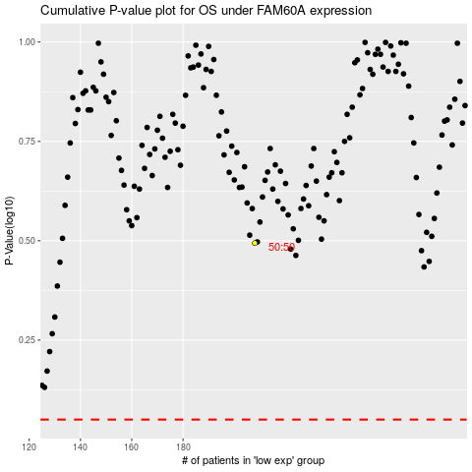

 |  |  |  |  |  | cases_OS | p_OS | rank | exp
 |  |  |  |  |  |  | cases_RFS | p_RFS | rank | exp

