FAM65B _multivariate
Reported by Tex Li-Hsing Chi. tex@gate.sinica.edu.tw 2019-08-19

Table 2. The clinicopathological features of HNSCC cohort and FAM65B expression. (Chi square test)
Cutoff at -0.322 (50.0%)
 |  | FAM65B expression |  | FAM65B expression |  | (Optimised)
 | Features | Low | (%) | High | (%) | Case no | P-value | Remark | Matthews
Gender | Female | 161 | 38.8 | 145 | 34.9 | 415 | 0.0792 | 0 | 0
2 | Male | 46 | 11.1 | 63 | 15.2
Age at diagnosis | <=65y | 131 | 31.6 | 143 | 34.5 | 415 | 0.2839 | 0 | 0
4 | >65y | 76 | 18.3 | 65 | 15.7
Clinical T Status | T1+T2 | 69 | 16.6 | 80 | 19.3 | 415 | 0.3239 | 0 | 0
6 | T3+T4 | 138 | 33.3 | 128 | 30.8
Clinical N Status | N0 | 114 | 27.5 | 102 | 24.6 | 415 | 0.2576 | 1 | 0
8 | N1-3 | 93 | 22.4 | 106 | 25.5
Clinical M Status | M0 | 204 | 49.2 | 208 | 50.1 | 415 | 0.1232 | 0 | 0
10 | M1 | 3 | 0.7 | 0 | 0
Clinical Stage | Stage I+II | 48 | 11.6 | 54 | 13 | 415 | 0.5878 | 0 | 0
12 | Stage III+IV | 159 | 38.3 | 154 | 37.1
Surgical Margin status | Negative | 155 | 37.3 | 163 | 39.3 | 415 | 0.4187 | 0 | 0
14 | Positive | 52 | 12.5 | 45 | 10.8
Tobacco Exposure | Low | 83 | 20 | 78 | 18.8 | 415 | 0.6152 | 0 | 0
16 | High | 124 | 29.9 | 130 | 31.3

Table 3. Univariate/Multivariate Cox's proportional hazards regression analyses on OS time of FAM65B gene expression in HNSCC

 |  | Univariate |  |  |  | Multivariate
 | Features | HR | CI95%(L) | CI95%(H) | P-value | HR | CI95%(L) | CI95%(H) | P-value
1 | Female | 1 |  |  |  | 1
Gender | Male | 1.157 | 0.843 | 1.587 | 0.367 | 1.214 | 0.868 | 1.698 | 0.258
11 | <=65y | 1 |  |  |  | 1
Age at diagnosis | >65y | 1.329 | 0.99 | 1.784 | 0.058 | 1.376 | 1.01 | 1.874 | 0.043
12 | T1+T2 | 1 |  |  |  | 1
Clinical T Status | T3+T4 | 1.409 | 1.028 | 1.931 | 0.033 | 2.188 | 1.157 | 4.139 | 0.016
13 | N0 | 1 |  |  |  | 1
Clinical N Status | N1-3 | 1.185 | 0.89 | 1.577 | 0.246 | 1.242 | 0.871 | 1.773 | 0.232
14 | M0 | 1 |  |  |  | 1
Clinical M Status | M1 | 4.097 | 1.009 | 16.644 | 0.049 | 8.957 | 1.939 | 41.371 | 0.005
15 | Stage I+II | 1 |  |  |  | 1
Clinical Stage | Stage III+IV | 1.245 | 0.882 | 1.759 | 0.213 | 0.504 | 0.235 | 1.081 | 0.079
16 | Negative | 1 |  |  |  | 1
Surgical Margin status | Positive | 1.591 | 1.155 | 2.191 | 0.004 | 1.666 | 1.205 | 2.302 | 0.002
17 | Low | 1 |  |  |  | 1
Tobacco Exposure | High | 1.364 | 1.008 | 1.844 | 0.044 | 1.454 | 1.055 | 2.003 | 0.022
18 | Low | 1 |  |  |  | 1
RNAseq(z-score) | High | 0.859 | 0.645 | 1.144 | 0.298 | 0.912 | 0.68 | 1.222 | 0.536

Table 4. Univariate/Multivariate Cox's proportional hazards regression analyses on RFS time of FAM65B gene expression in HNSCC

 |  | Univariate |  |  |  | Multivariate
 | Features | HR | CI95%(L) | CI95%(H) | P-value | HR | CI95%(L) | CI95%(H) | P-value
1 | Female | 1 |  |  |  | 1
Gender | Male | 1.157 | 0.843 | 1.587 | 0.367 | 1.214 | 0.868 | 1.698 | 0.258
11 | <=65y | 1 |  |  |  | 1
Age at diagnosis | >65y | 1.329 | 0.99 | 1.784 | 0.058 | 1.376 | 1.01 | 1.874 | 0.043
12 | T1+T2 | 1 |  |  |  | 1
Clinical T Status | T3+T4 | 1.409 | 1.028 | 1.931 | 0.033 | 2.188 | 1.157 | 4.139 | 0.016
13 | N0 | 1 |  |  |  | 1
Clinical N Status | N1-3 | 1.185 | 0.89 | 1.577 | 0.246 | 1.242 | 0.871 | 1.773 | 0.232
14 | M0 | 1 |  |  |  | 1
Clinical M Status | M1 | 4.097 | 1.009 | 16.644 | 0.049 | 8.957 | 1.939 | 41.371 | 0.005
15 | Stage I+II | 1 |  |  |  | 1
Clinical Stage | Stage III+IV | 1.245 | 0.882 | 1.759 | 0.213 | 0.504 | 0.235 | 1.081 | 0.079
16 | Negative | 1 |  |  |  | 1
Surgical Margin status | Positive | 1.591 | 1.155 | 2.191 | 0.004 | 1.666 | 1.205 | 2.302 | 0.002
17 | Low | 1 |  |  |  | 1
Tobacco Exposure | High | 1.364 | 1.008 | 1.844 | 0.044 | 1.454 | 1.055 | 2.003 | 0.022
18 | Low | 1 |  |  |  | 1
RNAseq(z-score) | High | 0.859 | 0.645 | 1.144 | 0.298 | 0.912 | 0.68 | 1.222 | 0.536

Kaplan-Meier survival estimate: Cutoff at -0.322 (50.0%)



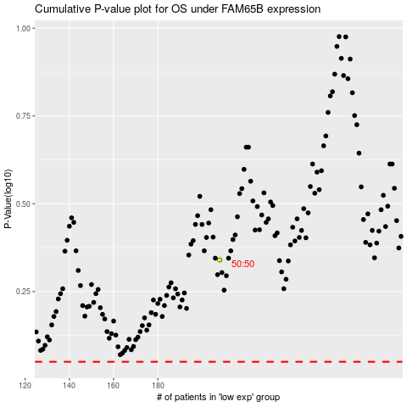

 |  |  |  |  |  | cases_OS | p_OS | rank | exp
 |  |  |  |  |  |  | cases_RFS | p_RFS | rank | exp

