FAM69A _multivariate
Reported by Tex Li-Hsing Chi. tex@gate.sinica.edu.tw 2019-08-19

Table 2. The clinicopathological features of HNSCC cohort and FAM69A expression. (Chi square test)
Cutoff at 0.025 (50.0%)
 |  | FAM69A expression |  | FAM69A expression |  | (Optimised)
 | Features | Low | (%) | High | (%) | Case no | P-value | Remark | Matthews
Gender | Female | 159 | 38.3 | 147 | 35.4 | 415 | 0.1905 | 0 | 0
2 | Male | 48 | 11.6 | 61 | 14.7
Age at diagnosis | <=65y | 141 | 34 | 133 | 32 | 415 | 0.4272 | 0 | 0
4 | >65y | 66 | 15.9 | 75 | 18.1
Clinical T Status | T1+T2 | 77 | 18.6 | 72 | 17.3 | 415 | 0.6556 | 0 | 0
6 | T3+T4 | 130 | 31.3 | 136 | 32.8
Clinical N Status | N0 | 100 | 24.1 | 116 | 28 | 415 | 0.1548 | 0 | 0
8 | N1-3 | 107 | 25.8 | 92 | 22.2
Clinical M Status | M0 | 207 | 49.9 | 205 | 49.4 | 415 | 0.2482 | 0 | 0
10 | M1 | 0 | 0 | 3 | 0.7
Clinical Stage | Stage I+II | 46 | 11.1 | 56 | 13.5 | 415 | 0.3182 | 0 | 0
12 | Stage III+IV | 161 | 38.8 | 152 | 36.6
Surgical Margin status | Negative | 155 | 37.3 | 163 | 39.3 | 415 | 0.4187 | 0 | 0
14 | Positive | 52 | 12.5 | 45 | 10.8
Tobacco Exposure | Low | 77 | 18.6 | 84 | 20.2 | 415 | 0.5459 | 0 | 0
16 | High | 130 | 31.3 | 124 | 29.9

Table 3. Univariate/Multivariate Cox's proportional hazards regression analyses on OS time of FAM69A gene expression in HNSCC

 |  | Univariate |  |  |  | Multivariate
 | Features | HR | CI95%(L) | CI95%(H) | P-value | HR | CI95%(L) | CI95%(H) | P-value
1 | Female | 1 |  |  |  | 1
Gender | Male | 1.157 | 0.843 | 1.587 | 0.367 | 1.192 | 0.853 | 1.664 | 0.304
11 | <=65y | 1 |  |  |  | 1
Age at diagnosis | >65y | 1.329 | 0.99 | 1.784 | 0.058 | 1.398 | 1.029 | 1.9 | 0.032
12 | T1+T2 | 1 |  |  |  | 1
Clinical T Status | T3+T4 | 1.409 | 1.028 | 1.931 | 0.033 | 2.172 | 1.148 | 4.11 | 0.017
13 | N0 | 1 |  |  |  | 1
Clinical N Status | N1-3 | 1.185 | 0.89 | 1.577 | 0.246 | 1.261 | 0.882 | 1.802 | 0.204
14 | M0 | 1 |  |  |  | 1
Clinical M Status | M1 | 4.097 | 1.009 | 16.644 | 0.049 | 8.655 | 1.865 | 40.169 | 0.006
15 | Stage I+II | 1 |  |  |  | 1
Clinical Stage | Stage III+IV | 1.245 | 0.882 | 1.759 | 0.213 | 0.516 | 0.24 | 1.111 | 0.091
16 | Negative | 1 |  |  |  | 1
Surgical Margin status | Positive | 1.591 | 1.155 | 2.191 | 0.004 | 1.693 | 1.224 | 2.343 | 0.001
17 | Low | 1 |  |  |  | 1
Tobacco Exposure | High | 1.364 | 1.008 | 1.844 | 0.044 | 1.447 | 1.051 | 1.993 | 0.024
18 | Low | 1 |  |  |  | 1
RNAseq(z-score) | High | 1.085 | 0.815 | 1.446 | 0.575 | 1.131 | 0.841 | 1.521 | 0.414

Table 4. Univariate/Multivariate Cox's proportional hazards regression analyses on RFS time of FAM69A gene expression in HNSCC

 |  | Univariate |  |  |  | Multivariate
 | Features | HR | CI95%(L) | CI95%(H) | P-value | HR | CI95%(L) | CI95%(H) | P-value
1 | Female | 1 |  |  |  | 1
Gender | Male | 1.157 | 0.843 | 1.587 | 0.367 | 1.192 | 0.853 | 1.664 | 0.304
11 | <=65y | 1 |  |  |  | 1
Age at diagnosis | >65y | 1.329 | 0.99 | 1.784 | 0.058 | 1.398 | 1.029 | 1.9 | 0.032
12 | T1+T2 | 1 |  |  |  | 1
Clinical T Status | T3+T4 | 1.409 | 1.028 | 1.931 | 0.033 | 2.172 | 1.148 | 4.11 | 0.017
13 | N0 | 1 |  |  |  | 1
Clinical N Status | N1-3 | 1.185 | 0.89 | 1.577 | 0.246 | 1.261 | 0.882 | 1.802 | 0.204
14 | M0 | 1 |  |  |  | 1
Clinical M Status | M1 | 4.097 | 1.009 | 16.644 | 0.049 | 8.655 | 1.865 | 40.169 | 0.006
15 | Stage I+II | 1 |  |  |  | 1
Clinical Stage | Stage III+IV | 1.245 | 0.882 | 1.759 | 0.213 | 0.516 | 0.24 | 1.111 | 0.091
16 | Negative | 1 |  |  |  | 1
Surgical Margin status | Positive | 1.591 | 1.155 | 2.191 | 0.004 | 1.693 | 1.224 | 2.343 | 0.001
17 | Low | 1 |  |  |  | 1
Tobacco Exposure | High | 1.364 | 1.008 | 1.844 | 0.044 | 1.447 | 1.051 | 1.993 | 0.024
18 | Low | 1 |  |  |  | 1
RNAseq(z-score) | High | 1.085 | 0.815 | 1.446 | 0.575 | 1.131 | 0.841 | 1.521 | 0.414

Kaplan-Meier survival estimate: Cutoff at 0.025 (50.0%)



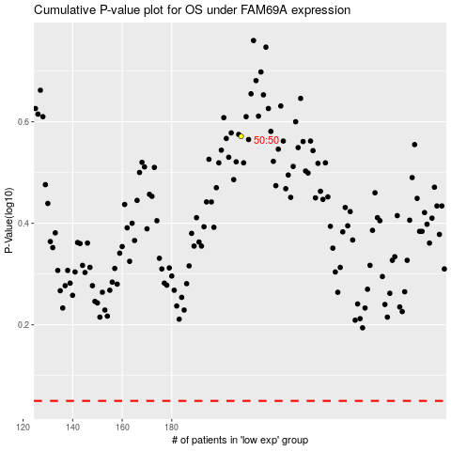

 |  |  |  |  |  | cases_OS | p_OS | rank | exp
 |  |  |  |  |  |  | cases_RFS | p_RFS | rank | exp

