FAM69C _multivariate
Reported by Tex Li-Hsing Chi. tex@gate.sinica.edu.tw 2019-08-19

Table 2. The clinicopathological features of HNSCC cohort and FAM69C expression. (Chi square test)
Cutoff at -0.232 (50.0%)
 |  | FAM69C expression |  | FAM69C expression |  | (Optimised)
 | Features | Low | (%) | High | (%) | Case no | P-value | Remark | Matthews
Gender | Female | 149 | 35.9 | 157 | 37.8 | 415 | 0.4848 | 0 | 0
2 | Male | 58 | 14 | 51 | 12.3
Age at diagnosis | <=65y | 135 | 32.5 | 139 | 33.5 | 415 | 0.8084 | 0 | 0
4 | >65y | 72 | 17.3 | 69 | 16.6
Clinical T Status | T1+T2 | 76 | 18.3 | 73 | 17.6 | 415 | 0.8092 | 0 | 0
6 | T3+T4 | 131 | 31.6 | 135 | 32.5
Clinical N Status | N0 | 111 | 26.7 | 105 | 25.3 | 415 | 0.5875 | 0 | 0
8 | N1-3 | 96 | 23.1 | 103 | 24.8
Clinical M Status | M0 | 204 | 49.2 | 208 | 50.1 | 415 | 0.1232 | 0 | 0
10 | M1 | 3 | 0.7 | 0 | 0
Clinical Stage | Stage I+II | 51 | 12.3 | 51 | 12.3 | 415 | 1 | 0 | 0
12 | Stage III+IV | 156 | 37.6 | 157 | 37.8
Surgical Margin status | Negative | 157 | 37.8 | 161 | 38.8 | 415 | 0.729 | 0 | 0
14 | Positive | 50 | 12 | 47 | 11.3
Tobacco Exposure | Low | 94 | 22.7 | 67 | 16.1 | 415 | 0.0065 | 1 | 0
16 | High | 113 | 27.2 | 141 | 34

Table 3. Univariate/Multivariate Cox's proportional hazards regression analyses on OS time of FAM69C gene expression in HNSCC

 |  | Univariate |  |  |  | Multivariate
 | Features | HR | CI95%(L) | CI95%(H) | P-value | HR | CI95%(L) | CI95%(H) | P-value
1 | Female | 1 |  |  |  | 1
Gender | Male | 1.157 | 0.843 | 1.587 | 0.367 | 1.171 | 0.837 | 1.639 | 0.357
11 | <=65y | 1 |  |  |  | 1
Age at diagnosis | >65y | 1.329 | 0.99 | 1.784 | 0.058 | 1.403 | 1.032 | 1.906 | 0.031
12 | T1+T2 | 1 |  |  |  | 1
Clinical T Status | T3+T4 | 1.409 | 1.028 | 1.931 | 0.033 | 2.269 | 1.199 | 4.294 | 0.012
13 | N0 | 1 |  |  |  | 1
Clinical N Status | N1-3 | 1.185 | 0.89 | 1.577 | 0.246 | 1.256 | 0.881 | 1.791 | 0.208
14 | M0 | 1 |  |  |  | 1
Clinical M Status | M1 | 4.097 | 1.009 | 16.644 | 0.049 | 8.473 | 1.839 | 39.034 | 0.006
15 | Stage I+II | 1 |  |  |  | 1
Clinical Stage | Stage III+IV | 1.245 | 0.882 | 1.759 | 0.213 | 0.501 | 0.234 | 1.076 | 0.076
16 | Negative | 1 |  |  |  | 1
Surgical Margin status | Positive | 1.591 | 1.155 | 2.191 | 0.004 | 1.67 | 1.209 | 2.307 | 0.002
17 | Low | 1 |  |  |  | 1
Tobacco Exposure | High | 1.364 | 1.008 | 1.844 | 0.044 | 1.499 | 1.086 | 2.069 | 0.014
18 | Low | 1 |  |  |  | 1
RNAseq(z-score) | High | 0.84 | 0.63 | 1.122 | 0.238 | 0.787 | 0.584 | 1.06 | 0.115

Table 4. Univariate/Multivariate Cox's proportional hazards regression analyses on RFS time of FAM69C gene expression in HNSCC

 |  | Univariate |  |  |  | Multivariate
 | Features | HR | CI95%(L) | CI95%(H) | P-value | HR | CI95%(L) | CI95%(H) | P-value
1 | Female | 1 |  |  |  | 1
Gender | Male | 1.157 | 0.843 | 1.587 | 0.367 | 1.171 | 0.837 | 1.639 | 0.357
11 | <=65y | 1 |  |  |  | 1
Age at diagnosis | >65y | 1.329 | 0.99 | 1.784 | 0.058 | 1.403 | 1.032 | 1.906 | 0.031
12 | T1+T2 | 1 |  |  |  | 1
Clinical T Status | T3+T4 | 1.409 | 1.028 | 1.931 | 0.033 | 2.269 | 1.199 | 4.294 | 0.012
13 | N0 | 1 |  |  |  | 1
Clinical N Status | N1-3 | 1.185 | 0.89 | 1.577 | 0.246 | 1.256 | 0.881 | 1.791 | 0.208
14 | M0 | 1 |  |  |  | 1
Clinical M Status | M1 | 4.097 | 1.009 | 16.644 | 0.049 | 8.473 | 1.839 | 39.034 | 0.006
15 | Stage I+II | 1 |  |  |  | 1
Clinical Stage | Stage III+IV | 1.245 | 0.882 | 1.759 | 0.213 | 0.501 | 0.234 | 1.076 | 0.076
16 | Negative | 1 |  |  |  | 1
Surgical Margin status | Positive | 1.591 | 1.155 | 2.191 | 0.004 | 1.67 | 1.209 | 2.307 | 0.002
17 | Low | 1 |  |  |  | 1
Tobacco Exposure | High | 1.364 | 1.008 | 1.844 | 0.044 | 1.499 | 1.086 | 2.069 | 0.014
18 | Low | 1 |  |  |  | 1
RNAseq(z-score) | High | 0.84 | 0.63 | 1.122 | 0.238 | 0.787 | 0.584 | 1.06 | 0.115

Kaplan-Meier survival estimate: Cutoff at -0.232 (50.0%)



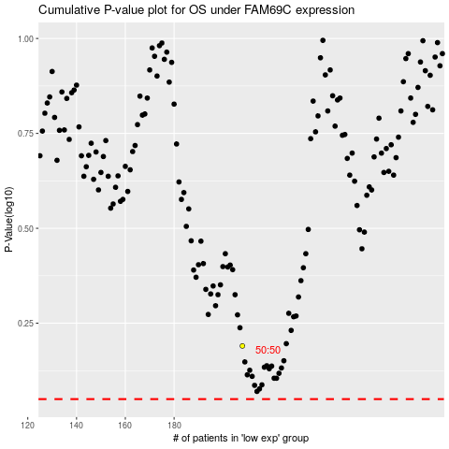

 |  |  |  |  |  | cases_OS | p_OS | rank | exp
 |  |  |  |  |  |  | cases_RFS | p_RFS | rank | exp

