FAM71E1 _multivariate
Reported by Tex Li-Hsing Chi. tex@gate.sinica.edu.tw 2019-08-19

Table 2. The clinicopathological features of HNSCC cohort and FAM71E1 expression. (Chi square test)
Cutoff at -0.257 (49.8%)
 |  | FAM71E1 expression |  | FAM71E1 expression |  | (Optimised)
 | Features | Low | (%) | High | (%) | Case no | P-value | Remark | Matthews
Gender | Female | 144 | 34.7 | 162 | 39 | 415 | 0.0697 | 0 | 0
2 | Male | 63 | 15.2 | 46 | 11.1
Age at diagnosis | <=65y | 133 | 32 | 141 | 34 | 415 | 0.5111 | 0 | 0
4 | >65y | 74 | 17.8 | 67 | 16.1
Clinical T Status | T1+T2 | 83 | 20 | 66 | 15.9 | 415 | 0.0941 | 0 | 0
6 | T3+T4 | 124 | 29.9 | 142 | 34.2
Clinical N Status | N0 | 110 | 26.5 | 106 | 25.5 | 415 | 0.7294 | 0 | 0
8 | N1-3 | 97 | 23.4 | 102 | 24.6
Clinical M Status | M0 | 206 | 49.6 | 206 | 49.6 | 415 | 1 | 0 | 0
10 | M1 | 1 | 0.2 | 2 | 0.5
Clinical Stage | Stage I+II | 62 | 14.9 | 40 | 9.6 | 415 | 0.0154 | 1 | 0
12 | Stage III+IV | 145 | 34.9 | 168 | 40.5
Surgical Margin status | Negative | 165 | 39.8 | 153 | 36.9 | 415 | 0.1639 | 0 | 0
14 | Positive | 42 | 10.1 | 55 | 13.3
Tobacco Exposure | Low | 87 | 21 | 74 | 17.8 | 415 | 0.1911 | 0 | 0
16 | High | 120 | 28.9 | 134 | 32.3

Table 3. Univariate/Multivariate Cox's proportional hazards regression analyses on OS time of FAM71E1 gene expression in HNSCC

 |  | Univariate |  |  |  | Multivariate
 | Features | HR | CI95%(L) | CI95%(H) | P-value | HR | CI95%(L) | CI95%(H) | P-value
1 | Female | 1 |  |  |  | 1
Gender | Male | 1.157 | 0.843 | 1.587 | 0.367 | 1.177 | 0.842 | 1.646 | 0.34
11 | <=65y | 1 |  |  |  | 1
Age at diagnosis | >65y | 1.329 | 0.99 | 1.784 | 0.058 | 1.394 | 1.026 | 1.894 | 0.034
12 | T1+T2 | 1 |  |  |  | 1
Clinical T Status | T3+T4 | 1.409 | 1.028 | 1.931 | 0.033 | 2.221 | 1.175 | 4.198 | 0.014
13 | N0 | 1 |  |  |  | 1
Clinical N Status | N1-3 | 1.185 | 0.89 | 1.577 | 0.246 | 1.232 | 0.864 | 1.756 | 0.25
14 | M0 | 1 |  |  |  | 1
Clinical M Status | M1 | 4.097 | 1.009 | 16.644 | 0.049 | 9.649 | 2.104 | 44.248 | 0.004
15 | Stage I+II | 1 |  |  |  | 1
Clinical Stage | Stage III+IV | 1.245 | 0.882 | 1.759 | 0.213 | 0.525 | 0.244 | 1.129 | 0.099
16 | Negative | 1 |  |  |  | 1
Surgical Margin status | Positive | 1.591 | 1.155 | 2.191 | 0.004 | 1.693 | 1.225 | 2.339 | 0.001
17 | Low | 1 |  |  |  | 1
Tobacco Exposure | High | 1.364 | 1.008 | 1.844 | 0.044 | 1.475 | 1.069 | 2.035 | 0.018
18 | Low | 1 |  |  |  | 1
RNAseq(z-score) | High | 0.86 | 0.645 | 1.147 | 0.304 | 0.792 | 0.59 | 1.064 | 0.121

Table 4. Univariate/Multivariate Cox's proportional hazards regression analyses on RFS time of FAM71E1 gene expression in HNSCC

 |  | Univariate |  |  |  | Multivariate
 | Features | HR | CI95%(L) | CI95%(H) | P-value | HR | CI95%(L) | CI95%(H) | P-value
1 | Female | 1 |  |  |  | 1
Gender | Male | 1.157 | 0.843 | 1.587 | 0.367 | 1.177 | 0.842 | 1.646 | 0.34
11 | <=65y | 1 |  |  |  | 1
Age at diagnosis | >65y | 1.329 | 0.99 | 1.784 | 0.058 | 1.394 | 1.026 | 1.894 | 0.034
12 | T1+T2 | 1 |  |  |  | 1
Clinical T Status | T3+T4 | 1.409 | 1.028 | 1.931 | 0.033 | 2.221 | 1.175 | 4.198 | 0.014
13 | N0 | 1 |  |  |  | 1
Clinical N Status | N1-3 | 1.185 | 0.89 | 1.577 | 0.246 | 1.232 | 0.864 | 1.756 | 0.25
14 | M0 | 1 |  |  |  | 1
Clinical M Status | M1 | 4.097 | 1.009 | 16.644 | 0.049 | 9.649 | 2.104 | 44.248 | 0.004
15 | Stage I+II | 1 |  |  |  | 1
Clinical Stage | Stage III+IV | 1.245 | 0.882 | 1.759 | 0.213 | 0.525 | 0.244 | 1.129 | 0.099
16 | Negative | 1 |  |  |  | 1
Surgical Margin status | Positive | 1.591 | 1.155 | 2.191 | 0.004 | 1.693 | 1.225 | 2.339 | 0.001
17 | Low | 1 |  |  |  | 1
Tobacco Exposure | High | 1.364 | 1.008 | 1.844 | 0.044 | 1.475 | 1.069 | 2.035 | 0.018
18 | Low | 1 |  |  |  | 1
RNAseq(z-score) | High | 0.86 | 0.645 | 1.147 | 0.304 | 0.792 | 0.59 | 1.064 | 0.121

Kaplan-Meier survival estimate: Cutoff at -0.257 (49.8%)



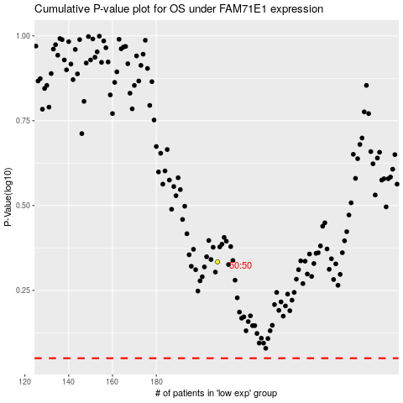

 |  |  |  |  |  | cases_OS | p_OS | rank | exp
 |  |  |  |  |  |  | cases_RFS | p_RFS | rank | exp

