FAM73B _multivariate
Reported by Tex Li-Hsing Chi. tex@gate.sinica.edu.tw 2019-08-19

Table 2. The clinicopathological features of HNSCC cohort and FAM73B expression. (Chi square test)
Cutoff at -0.305 (49.8%)
 |  | FAM73B expression |  | FAM73B expression |  | (Optimised)
 | Features | Low | (%) | High | (%) | Case no | P-value | Remark | Matthews
Gender | Female | 150 | 36.1 | 156 | 37.6 | 415 | 0.6344 | 0 | 0
2 | Male | 57 | 13.7 | 52 | 12.5
Age at diagnosis | <=65y | 138 | 33.3 | 136 | 32.8 | 415 | 0.8634 | 0 | 0
4 | >65y | 69 | 16.6 | 72 | 17.3
Clinical T Status | T1+T2 | 69 | 16.6 | 80 | 19.3 | 415 | 0.3239 | 0 | 0
6 | T3+T4 | 138 | 33.3 | 128 | 30.8
Clinical N Status | N0 | 102 | 24.6 | 114 | 27.5 | 415 | 0.3031 | 0 | 0
8 | N1-3 | 105 | 25.3 | 94 | 22.7
Clinical M Status | M0 | 205 | 49.4 | 207 | 49.9 | 415 | 0.6232 | 0 | 0
10 | M1 | 2 | 0.5 | 1 | 0.2
Clinical Stage | Stage I+II | 46 | 11.1 | 56 | 13.5 | 415 | 0.3182 | 0 | 0
12 | Stage III+IV | 161 | 38.8 | 152 | 36.6
Surgical Margin status | Negative | 163 | 39.3 | 155 | 37.3 | 415 | 0.3537 | 0 | 0
14 | Positive | 44 | 10.6 | 53 | 12.8
Tobacco Exposure | Low | 80 | 19.3 | 81 | 19.5 | 415 | 1 | 0 | 0
16 | High | 127 | 30.6 | 127 | 30.6

Table 3. Univariate/Multivariate Cox's proportional hazards regression analyses on OS time of FAM73B gene expression in HNSCC

 |  | Univariate |  |  |  | Multivariate
 | Features | HR | CI95%(L) | CI95%(H) | P-value | HR | CI95%(L) | CI95%(H) | P-value
1 | Female | 1 |  |  |  | 1
Gender | Male | 1.157 | 0.843 | 1.587 | 0.367 | 1.202 | 0.861 | 1.679 | 0.279
11 | <=65y | 1 |  |  |  | 1
Age at diagnosis | >65y | 1.329 | 0.99 | 1.784 | 0.058 | 1.42 | 1.039 | 1.941 | 0.028
12 | T1+T2 | 1 |  |  |  | 1
Clinical T Status | T3+T4 | 1.409 | 1.028 | 1.931 | 0.033 | 2.201 | 1.164 | 4.159 | 0.015
13 | N0 | 1 |  |  |  | 1
Clinical N Status | N1-3 | 1.185 | 0.89 | 1.577 | 0.246 | 1.243 | 0.871 | 1.773 | 0.231
14 | M0 | 1 |  |  |  | 1
Clinical M Status | M1 | 4.097 | 1.009 | 16.644 | 0.049 | 9.157 | 1.994 | 42.054 | 0.004
15 | Stage I+II | 1 |  |  |  | 1
Clinical Stage | Stage III+IV | 1.245 | 0.882 | 1.759 | 0.213 | 0.503 | 0.235 | 1.08 | 0.078
16 | Negative | 1 |  |  |  | 1
Surgical Margin status | Positive | 1.591 | 1.155 | 2.191 | 0.004 | 1.679 | 1.215 | 2.321 | 0.002
17 | Low | 1 |  |  |  | 1
Tobacco Exposure | High | 1.364 | 1.008 | 1.844 | 0.044 | 1.464 | 1.062 | 2.019 | 0.02
18 | Low | 1 |  |  |  | 1
RNAseq(z-score) | High | 0.962 | 0.72 | 1.284 | 0.79 | 0.903 | 0.672 | 1.213 | 0.497

Table 4. Univariate/Multivariate Cox's proportional hazards regression analyses on RFS time of FAM73B gene expression in HNSCC

 |  | Univariate |  |  |  | Multivariate
 | Features | HR | CI95%(L) | CI95%(H) | P-value | HR | CI95%(L) | CI95%(H) | P-value
1 | Female | 1 |  |  |  | 1
Gender | Male | 1.157 | 0.843 | 1.587 | 0.367 | 1.202 | 0.861 | 1.679 | 0.279
11 | <=65y | 1 |  |  |  | 1
Age at diagnosis | >65y | 1.329 | 0.99 | 1.784 | 0.058 | 1.42 | 1.039 | 1.941 | 0.028
12 | T1+T2 | 1 |  |  |  | 1
Clinical T Status | T3+T4 | 1.409 | 1.028 | 1.931 | 0.033 | 2.201 | 1.164 | 4.159 | 0.015
13 | N0 | 1 |  |  |  | 1
Clinical N Status | N1-3 | 1.185 | 0.89 | 1.577 | 0.246 | 1.243 | 0.871 | 1.773 | 0.231
14 | M0 | 1 |  |  |  | 1
Clinical M Status | M1 | 4.097 | 1.009 | 16.644 | 0.049 | 9.157 | 1.994 | 42.054 | 0.004
15 | Stage I+II | 1 |  |  |  | 1
Clinical Stage | Stage III+IV | 1.245 | 0.882 | 1.759 | 0.213 | 0.503 | 0.235 | 1.08 | 0.078
16 | Negative | 1 |  |  |  | 1
Surgical Margin status | Positive | 1.591 | 1.155 | 2.191 | 0.004 | 1.679 | 1.215 | 2.321 | 0.002
17 | Low | 1 |  |  |  | 1
Tobacco Exposure | High | 1.364 | 1.008 | 1.844 | 0.044 | 1.464 | 1.062 | 2.019 | 0.02
18 | Low | 1 |  |  |  | 1
RNAseq(z-score) | High | 0.962 | 0.72 | 1.284 | 0.79 | 0.903 | 0.672 | 1.213 | 0.497

Kaplan-Meier survival estimate: Cutoff at -0.305 (49.8%)



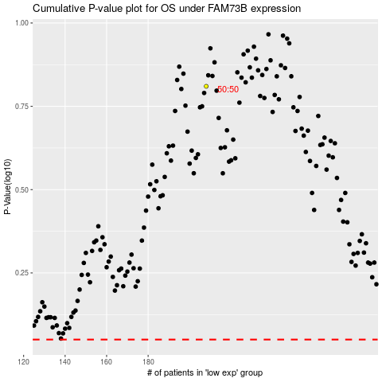

 |  |  |  |  |  | cases_OS | p_OS | rank | exp
 |  |  |  |  |  |  | cases_RFS | p_RFS | rank | exp

