FAM81A _multivariate
Reported by Tex Li-Hsing Chi. tex@gate.sinica.edu.tw 2019-08-19

Table 2. The clinicopathological features of HNSCC cohort and FAM81A expression. (Chi square test)
Cutoff at -0.373 (49.8%)
 |  | FAM81A expression |  | FAM81A expression |  | (Optimised)
 | Features | Low | (%) | High | (%) | Case no | P-value | Remark | Matthews
Gender | Female | 148 | 35.7 | 158 | 38.1 | 415 | 0.3567 | 0 | 0
2 | Male | 59 | 14.2 | 50 | 12
Age at diagnosis | <=65y | 123 | 29.6 | 151 | 36.4 | 415 | 0.0063 | 1 | 0
4 | >65y | 84 | 20.2 | 57 | 13.7
Clinical T Status | T1+T2 | 71 | 17.1 | 78 | 18.8 | 415 | 0.5638 | 0 | 0
6 | T3+T4 | 136 | 32.8 | 130 | 31.3
Clinical N Status | N0 | 115 | 27.7 | 101 | 24.3 | 415 | 0.184 | 1 | 0
8 | N1-3 | 92 | 22.2 | 107 | 25.8
Clinical M Status | M0 | 205 | 49.4 | 207 | 49.9 | 415 | 0.6232 | 0 | 0
10 | M1 | 2 | 0.5 | 1 | 0.2
Clinical Stage | Stage I+II | 56 | 13.5 | 46 | 11.1 | 415 | 0.2918 | 0 | 0
12 | Stage III+IV | 151 | 36.4 | 162 | 39
Surgical Margin status | Negative | 162 | 39 | 156 | 37.6 | 415 | 0.4867 | 0 | 0
14 | Positive | 45 | 10.8 | 52 | 12.5
Tobacco Exposure | Low | 83 | 20 | 78 | 18.8 | 415 | 0.6152 | 0 | 0
16 | High | 124 | 29.9 | 130 | 31.3

Table 3. Univariate/Multivariate Cox's proportional hazards regression analyses on OS time of FAM81A gene expression in HNSCC

 |  | Univariate |  |  |  | Multivariate
 | Features | HR | CI95%(L) | CI95%(H) | P-value | HR | CI95%(L) | CI95%(H) | P-value
1 | Female | 1 |  |  |  | 1
Gender | Male | 1.157 | 0.843 | 1.587 | 0.367 | 1.192 | 0.853 | 1.667 | 0.304
11 | <=65y | 1 |  |  |  | 1
Age at diagnosis | >65y | 1.329 | 0.99 | 1.784 | 0.058 | 1.372 | 1.007 | 1.868 | 0.045
12 | T1+T2 | 1 |  |  |  | 1
Clinical T Status | T3+T4 | 1.409 | 1.028 | 1.931 | 0.033 | 2.142 | 1.129 | 4.063 | 0.02
13 | N0 | 1 |  |  |  | 1
Clinical N Status | N1-3 | 1.185 | 0.89 | 1.577 | 0.246 | 1.249 | 0.875 | 1.783 | 0.22
14 | M0 | 1 |  |  |  | 1
Clinical M Status | M1 | 4.097 | 1.009 | 16.644 | 0.049 | 8.748 | 1.892 | 40.457 | 0.006
15 | Stage I+II | 1 |  |  |  | 1
Clinical Stage | Stage III+IV | 1.245 | 0.882 | 1.759 | 0.213 | 0.522 | 0.242 | 1.125 | 0.097
16 | Negative | 1 |  |  |  | 1
Surgical Margin status | Positive | 1.591 | 1.155 | 2.191 | 0.004 | 1.679 | 1.215 | 2.32 | 0.002
17 | Low | 1 |  |  |  | 1
Tobacco Exposure | High | 1.364 | 1.008 | 1.844 | 0.044 | 1.447 | 1.049 | 1.994 | 0.024
18 | Low | 1 |  |  |  | 1
RNAseq(z-score) | High | 0.825 | 0.617 | 1.101 | 0.191 | 0.877 | 0.652 | 1.18 | 0.386

Table 4. Univariate/Multivariate Cox's proportional hazards regression analyses on RFS time of FAM81A gene expression in HNSCC

 |  | Univariate |  |  |  | Multivariate
 | Features | HR | CI95%(L) | CI95%(H) | P-value | HR | CI95%(L) | CI95%(H) | P-value
1 | Female | 1 |  |  |  | 1
Gender | Male | 1.157 | 0.843 | 1.587 | 0.367 | 1.192 | 0.853 | 1.667 | 0.304
11 | <=65y | 1 |  |  |  | 1
Age at diagnosis | >65y | 1.329 | 0.99 | 1.784 | 0.058 | 1.372 | 1.007 | 1.868 | 0.045
12 | T1+T2 | 1 |  |  |  | 1
Clinical T Status | T3+T4 | 1.409 | 1.028 | 1.931 | 0.033 | 2.142 | 1.129 | 4.063 | 0.02
13 | N0 | 1 |  |  |  | 1
Clinical N Status | N1-3 | 1.185 | 0.89 | 1.577 | 0.246 | 1.249 | 0.875 | 1.783 | 0.22
14 | M0 | 1 |  |  |  | 1
Clinical M Status | M1 | 4.097 | 1.009 | 16.644 | 0.049 | 8.748 | 1.892 | 40.457 | 0.006
15 | Stage I+II | 1 |  |  |  | 1
Clinical Stage | Stage III+IV | 1.245 | 0.882 | 1.759 | 0.213 | 0.522 | 0.242 | 1.125 | 0.097
16 | Negative | 1 |  |  |  | 1
Surgical Margin status | Positive | 1.591 | 1.155 | 2.191 | 0.004 | 1.679 | 1.215 | 2.32 | 0.002
17 | Low | 1 |  |  |  | 1
Tobacco Exposure | High | 1.364 | 1.008 | 1.844 | 0.044 | 1.447 | 1.049 | 1.994 | 0.024
18 | Low | 1 |  |  |  | 1
RNAseq(z-score) | High | 0.825 | 0.617 | 1.101 | 0.191 | 0.877 | 0.652 | 1.18 | 0.386

Kaplan-Meier survival estimate: Cutoff at -0.373 (49.8%)



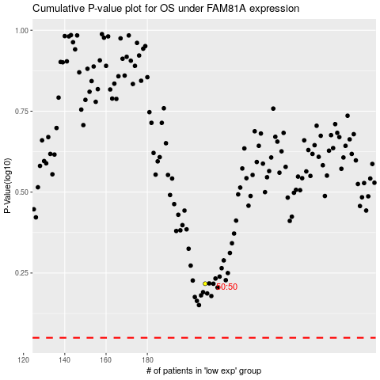

 |  |  |  |  |  | cases_OS | p_OS | rank | exp
 |  |  |  |  |  |  | cases_RFS | p_RFS | rank | exp

