FAM82B _multivariate
Reported by Tex Li-Hsing Chi. tex@gate.sinica.edu.tw 2019-08-19

Table 2. The clinicopathological features of HNSCC cohort and FAM82B expression. (Chi square test)
Cutoff at -0.162 (50.0%)
 |  | FAM82B expression |  | FAM82B expression |  | (Optimised)
 | Features | Low | (%) | High | (%) | Case no | P-value | Remark | Matthews
Gender | Female | 159 | 38.3 | 147 | 35.4 | 415 | 0.1905 | 0 | 0
2 | Male | 48 | 11.6 | 61 | 14.7
Age at diagnosis | <=65y | 135 | 32.5 | 139 | 33.5 | 415 | 0.8084 | 0 | 0
4 | >65y | 72 | 17.3 | 69 | 16.6
Clinical T Status | T1+T2 | 60 | 14.5 | 89 | 21.4 | 415 | 0.0047 | 1 | 0
6 | T3+T4 | 147 | 35.4 | 119 | 28.7
Clinical N Status | N0 | 114 | 27.5 | 102 | 24.6 | 415 | 0.2576 | 1 | 0
8 | N1-3 | 93 | 22.4 | 106 | 25.5
Clinical M Status | M0 | 207 | 49.9 | 205 | 49.4 | 415 | 0.2482 | 0 | 0
10 | M1 | 0 | 0 | 3 | 0.7
Clinical Stage | Stage I+II | 41 | 9.9 | 61 | 14.7 | 415 | 0.0325 | 1 | 0
12 | Stage III+IV | 166 | 40 | 147 | 35.4
Surgical Margin status | Negative | 157 | 37.8 | 161 | 38.8 | 415 | 0.729 | 0 | 0
14 | Positive | 50 | 12 | 47 | 11.3
Tobacco Exposure | Low | 76 | 18.3 | 85 | 20.5 | 415 | 0.4207 | 0 | 0
16 | High | 131 | 31.6 | 123 | 29.6

Table 3. Univariate/Multivariate Cox's proportional hazards regression analyses on OS time of FAM82B gene expression in HNSCC

 |  | Univariate |  |  |  | Multivariate
 | Features | HR | CI95%(L) | CI95%(H) | P-value | HR | CI95%(L) | CI95%(H) | P-value
1 | Female | 1 |  |  |  | 1
Gender | Male | 1.157 | 0.843 | 1.587 | 0.367 | 1.18 | 0.844 | 1.65 | 0.333
11 | <=65y | 1 |  |  |  | 1
Age at diagnosis | >65y | 1.329 | 0.99 | 1.784 | 0.058 | 1.406 | 1.034 | 1.913 | 0.03
12 | T1+T2 | 1 |  |  |  | 1
Clinical T Status | T3+T4 | 1.409 | 1.028 | 1.931 | 0.033 | 2.203 | 1.165 | 4.166 | 0.015
13 | N0 | 1 |  |  |  | 1
Clinical N Status | N1-3 | 1.185 | 0.89 | 1.577 | 0.246 | 1.196 | 0.834 | 1.715 | 0.33
14 | M0 | 1 |  |  |  | 1
Clinical M Status | M1 | 4.097 | 1.009 | 16.644 | 0.049 | 8.586 | 1.862 | 39.593 | 0.006
15 | Stage I+II | 1 |  |  |  | 1
Clinical Stage | Stage III+IV | 1.245 | 0.882 | 1.759 | 0.213 | 0.536 | 0.249 | 1.158 | 0.113
16 | Negative | 1 |  |  |  | 1
Surgical Margin status | Positive | 1.591 | 1.155 | 2.191 | 0.004 | 1.661 | 1.202 | 2.294 | 0.002
17 | Low | 1 |  |  |  | 1
Tobacco Exposure | High | 1.364 | 1.008 | 1.844 | 0.044 | 1.459 | 1.059 | 2.009 | 0.021
18 | Low | 1 |  |  |  | 1
RNAseq(z-score) | High | 1.184 | 0.888 | 1.579 | 0.25 | 1.207 | 0.894 | 1.631 | 0.22

Table 4. Univariate/Multivariate Cox's proportional hazards regression analyses on RFS time of FAM82B gene expression in HNSCC

 |  | Univariate |  |  |  | Multivariate
 | Features | HR | CI95%(L) | CI95%(H) | P-value | HR | CI95%(L) | CI95%(H) | P-value
1 | Female | 1 |  |  |  | 1
Gender | Male | 1.157 | 0.843 | 1.587 | 0.367 | 1.18 | 0.844 | 1.65 | 0.333
11 | <=65y | 1 |  |  |  | 1
Age at diagnosis | >65y | 1.329 | 0.99 | 1.784 | 0.058 | 1.406 | 1.034 | 1.913 | 0.03
12 | T1+T2 | 1 |  |  |  | 1
Clinical T Status | T3+T4 | 1.409 | 1.028 | 1.931 | 0.033 | 2.203 | 1.165 | 4.166 | 0.015
13 | N0 | 1 |  |  |  | 1
Clinical N Status | N1-3 | 1.185 | 0.89 | 1.577 | 0.246 | 1.196 | 0.834 | 1.715 | 0.33
14 | M0 | 1 |  |  |  | 1
Clinical M Status | M1 | 4.097 | 1.009 | 16.644 | 0.049 | 8.586 | 1.862 | 39.593 | 0.006
15 | Stage I+II | 1 |  |  |  | 1
Clinical Stage | Stage III+IV | 1.245 | 0.882 | 1.759 | 0.213 | 0.536 | 0.249 | 1.158 | 0.113
16 | Negative | 1 |  |  |  | 1
Surgical Margin status | Positive | 1.591 | 1.155 | 2.191 | 0.004 | 1.661 | 1.202 | 2.294 | 0.002
17 | Low | 1 |  |  |  | 1
Tobacco Exposure | High | 1.364 | 1.008 | 1.844 | 0.044 | 1.459 | 1.059 | 2.009 | 0.021
18 | Low | 1 |  |  |  | 1
RNAseq(z-score) | High | 1.184 | 0.888 | 1.579 | 0.25 | 1.207 | 0.894 | 1.631 | 0.22

Kaplan-Meier survival estimate: Cutoff at -0.162 (50.0%)



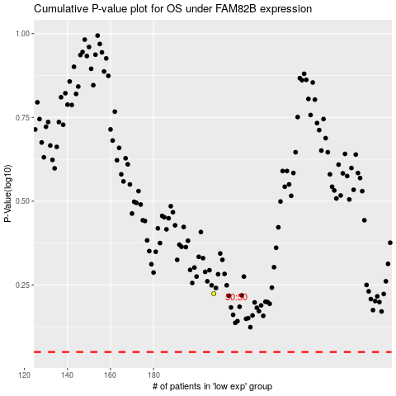

 |  |  |  |  |  | cases_OS | p_OS | rank | exp
 |  |  |  |  |  |  | cases_RFS | p_RFS | rank | exp

