FAM83A _multivariate
Reported by Tex Li-Hsing Chi. tex@gate.sinica.edu.tw 2019-08-19

Table 2. The clinicopathological features of HNSCC cohort and FAM83A expression. (Chi square test)
Cutoff at -0.131 (50.0%)
 |  | FAM83A expression |  | FAM83A expression |  | (Optimised)
 | Features | Low | (%) | High | (%) | Case no | P-value | Remark | Matthews
Gender | Female | 156 | 37.6 | 150 | 36.1 | 415 | 0.5222 | 0 | 0
2 | Male | 51 | 12.3 | 58 | 14
Age at diagnosis | <=65y | 132 | 31.8 | 142 | 34.2 | 415 | 0.3874 | 0 | 0
4 | >65y | 75 | 18.1 | 66 | 15.9
Clinical T Status | T1+T2 | 86 | 20.7 | 63 | 15.2 | 415 | 0.0221 | 1 | 0
6 | T3+T4 | 121 | 29.2 | 145 | 34.9
Clinical N Status | N0 | 111 | 26.7 | 105 | 25.3 | 415 | 0.5875 | 0 | 0
8 | N1-3 | 96 | 23.1 | 103 | 24.8
Clinical M Status | M0 | 206 | 49.6 | 206 | 49.6 | 415 | 1 | 0 | 0
10 | M1 | 1 | 0.2 | 2 | 0.5
Clinical Stage | Stage I+II | 53 | 12.8 | 49 | 11.8 | 415 | 0.7113 | 0 | 0
12 | Stage III+IV | 154 | 37.1 | 159 | 38.3
Surgical Margin status | Negative | 148 | 35.7 | 170 | 41 | 415 | 0.015 | 1 | 0
14 | Positive | 59 | 14.2 | 38 | 9.2
Tobacco Exposure | Low | 71 | 17.1 | 90 | 21.7 | 415 | 0.0698 | 0 | 0
16 | High | 136 | 32.8 | 118 | 28.4

Table 3. Univariate/Multivariate Cox's proportional hazards regression analyses on OS time of FAM83A gene expression in HNSCC

 |  | Univariate |  |  |  | Multivariate
 | Features | HR | CI95%(L) | CI95%(H) | P-value | HR | CI95%(L) | CI95%(H) | P-value
1 | Female | 1 |  |  |  | 1
Gender | Male | 1.157 | 0.843 | 1.587 | 0.367 | 1.202 | 0.861 | 1.68 | 0.28
11 | <=65y | 1 |  |  |  | 1
Age at diagnosis | >65y | 1.329 | 0.99 | 1.784 | 0.058 | 1.397 | 1.026 | 1.902 | 0.034
12 | T1+T2 | 1 |  |  |  | 1
Clinical T Status | T3+T4 | 1.409 | 1.028 | 1.931 | 0.033 | 2.183 | 1.15 | 4.144 | 0.017
13 | N0 | 1 |  |  |  | 1
Clinical N Status | N1-3 | 1.185 | 0.89 | 1.577 | 0.246 | 1.237 | 0.866 | 1.766 | 0.243
14 | M0 | 1 |  |  |  | 1
Clinical M Status | M1 | 4.097 | 1.009 | 16.644 | 0.049 | 9.259 | 2.009 | 42.676 | 0.004
15 | Stage I+II | 1 |  |  |  | 1
Clinical Stage | Stage III+IV | 1.245 | 0.882 | 1.759 | 0.213 | 0.51 | 0.236 | 1.098 | 0.085
16 | Negative | 1 |  |  |  | 1
Surgical Margin status | Positive | 1.591 | 1.155 | 2.191 | 0.004 | 1.684 | 1.212 | 2.34 | 0.002
17 | Low | 1 |  |  |  | 1
Tobacco Exposure | High | 1.364 | 1.008 | 1.844 | 0.044 | 1.463 | 1.056 | 2.026 | 0.022
18 | Low | 1 |  |  |  | 1
RNAseq(z-score) | High | 0.97 | 0.727 | 1.295 | 0.838 | 1.037 | 0.768 | 1.401 | 0.811

Table 4. Univariate/Multivariate Cox's proportional hazards regression analyses on RFS time of FAM83A gene expression in HNSCC

 |  | Univariate |  |  |  | Multivariate
 | Features | HR | CI95%(L) | CI95%(H) | P-value | HR | CI95%(L) | CI95%(H) | P-value
1 | Female | 1 |  |  |  | 1
Gender | Male | 1.157 | 0.843 | 1.587 | 0.367 | 1.202 | 0.861 | 1.68 | 0.28
11 | <=65y | 1 |  |  |  | 1
Age at diagnosis | >65y | 1.329 | 0.99 | 1.784 | 0.058 | 1.397 | 1.026 | 1.902 | 0.034
12 | T1+T2 | 1 |  |  |  | 1
Clinical T Status | T3+T4 | 1.409 | 1.028 | 1.931 | 0.033 | 2.183 | 1.15 | 4.144 | 0.017
13 | N0 | 1 |  |  |  | 1
Clinical N Status | N1-3 | 1.185 | 0.89 | 1.577 | 0.246 | 1.237 | 0.866 | 1.766 | 0.243
14 | M0 | 1 |  |  |  | 1
Clinical M Status | M1 | 4.097 | 1.009 | 16.644 | 0.049 | 9.259 | 2.009 | 42.676 | 0.004
15 | Stage I+II | 1 |  |  |  | 1
Clinical Stage | Stage III+IV | 1.245 | 0.882 | 1.759 | 0.213 | 0.51 | 0.236 | 1.098 | 0.085
16 | Negative | 1 |  |  |  | 1
Surgical Margin status | Positive | 1.591 | 1.155 | 2.191 | 0.004 | 1.684 | 1.212 | 2.34 | 0.002
17 | Low | 1 |  |  |  | 1
Tobacco Exposure | High | 1.364 | 1.008 | 1.844 | 0.044 | 1.463 | 1.056 | 2.026 | 0.022
18 | Low | 1 |  |  |  | 1
RNAseq(z-score) | High | 0.97 | 0.727 | 1.295 | 0.838 | 1.037 | 0.768 | 1.401 | 0.811

Kaplan-Meier survival estimate: Cutoff at -0.131 (50.0%)



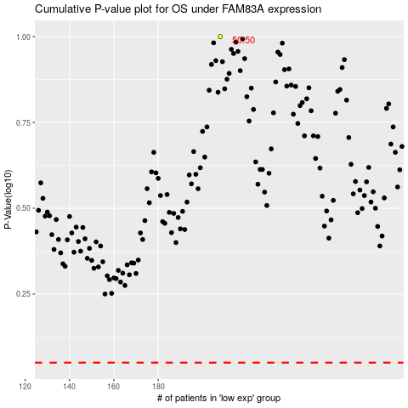

 |  |  |  |  |  | cases_OS | p_OS | rank | exp
 |  |  |  |  |  |  | cases_RFS | p_RFS | rank | exp

