FAM83B _multivariate
Reported by Tex Li-Hsing Chi. tex@gate.sinica.edu.tw 2019-08-19

Table 2. The clinicopathological features of HNSCC cohort and FAM83B expression. (Chi square test)
Cutoff at 0.387 (68.8%)
 |  | FAM83B expression |  | FAM83B expression |  | (Optimised)
 | Features | Low | (%) | High | (%) | Case no | P-value | Remark | Matthews
Gender | Female | 216 | 52 | 90 | 21.7 | 415 | 0.2657 | 0 | 0
2 | Male | 70 | 16.9 | 39 | 9.4
Age at diagnosis | <=65y | 192 | 46.3 | 82 | 19.8 | 415 | 0.5498 | 0 | 0
4 | >65y | 94 | 22.7 | 47 | 11.3
Clinical T Status | T1+T2 | 108 | 26 | 41 | 9.9 | 415 | 0.287 | 0 | 0
6 | T3+T4 | 178 | 42.9 | 88 | 21.2
Clinical N Status | N0 | 138 | 33.3 | 78 | 18.8 | 415 | 0.0279 | 1 | 0
8 | N1-3 | 148 | 35.7 | 51 | 12.3
Clinical M Status | M0 | 283 | 68.2 | 129 | 31.1 | 415 | 0.5554 | 0 | 0
10 | M1 | 3 | 0.7 | 0 | 0
Clinical Stage | Stage I+II | 72 | 17.3 | 30 | 7.2 | 415 | 0.7664 | 0 | 0
12 | Stage III+IV | 214 | 51.6 | 99 | 23.9
Surgical Margin status | Negative | 215 | 51.8 | 103 | 24.8 | 415 | 0.3186 | 0 | 0
14 | Positive | 71 | 17.1 | 26 | 6.3
Tobacco Exposure | Low | 109 | 26.3 | 52 | 12.5 | 415 | 0.7441 | 0 | 0
16 | High | 177 | 42.7 | 77 | 18.6

Table 3. Univariate/Multivariate Cox's proportional hazards regression analyses on OS time of FAM83B gene expression in HNSCC

 |  | Univariate |  |  |  | Multivariate
 | Features | HR | CI95%(L) | CI95%(H) | P-value | HR | CI95%(L) | CI95%(H) | P-value
1 | Female | 1 |  |  |  | 1
Gender | Male | 1.157 | 0.843 | 1.587 | 0.367 | 1.209 | 0.865 | 1.69 | 0.267
11 | <=65y | 1 |  |  |  | 1
Age at diagnosis | >65y | 1.329 | 0.99 | 1.784 | 0.058 | 1.389 | 1.022 | 1.886 | 0.036
12 | T1+T2 | 1 |  |  |  | 1
Clinical T Status | T3+T4 | 1.409 | 1.028 | 1.931 | 0.033 | 2.189 | 1.157 | 4.143 | 0.016
13 | N0 | 1 |  |  |  | 1
Clinical N Status | N1-3 | 1.185 | 0.89 | 1.577 | 0.246 | 1.155 | 0.805 | 1.658 | 0.434
14 | M0 | 1 |  |  |  | 1
Clinical M Status | M1 | 4.097 | 1.009 | 16.644 | 0.049 | 8.72 | 1.899 | 40.032 | 0.005
15 | Stage I+II | 1 |  |  |  | 1
Clinical Stage | Stage III+IV | 1.245 | 0.882 | 1.759 | 0.213 | 0.534 | 0.248 | 1.148 | 0.108
16 | Negative | 1 |  |  |  | 1
Surgical Margin status | Positive | 1.591 | 1.155 | 2.191 | 0.004 | 1.64 | 1.187 | 2.266 | 0.003
17 | Low | 1 |  |  |  | 1
Tobacco Exposure | High | 1.364 | 1.008 | 1.844 | 0.044 | 1.444 | 1.049 | 1.988 | 0.024
18 | Low | 1 |  |  |  | 1
RNAseq(z-score) | High | 0.707 | 0.516 | 0.968 | 0.031 | 0.729 | 0.528 | 1.006 | 0.054

Table 4. Univariate/Multivariate Cox's proportional hazards regression analyses on RFS time of FAM83B gene expression in HNSCC

 |  | Univariate |  |  |  | Multivariate
 | Features | HR | CI95%(L) | CI95%(H) | P-value | HR | CI95%(L) | CI95%(H) | P-value
1 | Female | 1 |  |  |  | 1
Gender | Male | 1.157 | 0.843 | 1.587 | 0.367 | 1.209 | 0.865 | 1.69 | 0.267
11 | <=65y | 1 |  |  |  | 1
Age at diagnosis | >65y | 1.329 | 0.99 | 1.784 | 0.058 | 1.389 | 1.022 | 1.886 | 0.036
12 | T1+T2 | 1 |  |  |  | 1
Clinical T Status | T3+T4 | 1.409 | 1.028 | 1.931 | 0.033 | 2.189 | 1.157 | 4.143 | 0.016
13 | N0 | 1 |  |  |  | 1
Clinical N Status | N1-3 | 1.185 | 0.89 | 1.577 | 0.246 | 1.155 | 0.805 | 1.658 | 0.434
14 | M0 | 1 |  |  |  | 1
Clinical M Status | M1 | 4.097 | 1.009 | 16.644 | 0.049 | 8.72 | 1.899 | 40.032 | 0.005
15 | Stage I+II | 1 |  |  |  | 1
Clinical Stage | Stage III+IV | 1.245 | 0.882 | 1.759 | 0.213 | 0.534 | 0.248 | 1.148 | 0.108
16 | Negative | 1 |  |  |  | 1
Surgical Margin status | Positive | 1.591 | 1.155 | 2.191 | 0.004 | 1.64 | 1.187 | 2.266 | 0.003
17 | Low | 1 |  |  |  | 1
Tobacco Exposure | High | 1.364 | 1.008 | 1.844 | 0.044 | 1.444 | 1.049 | 1.988 | 0.024
18 | Low | 1 |  |  |  | 1
RNAseq(z-score) | High | 0.707 | 0.516 | 0.968 | 0.031 | 0.729 | 0.528 | 1.006 | 0.054

Kaplan-Meier survival estimate: Cutoff at 0.387 (68.8%)

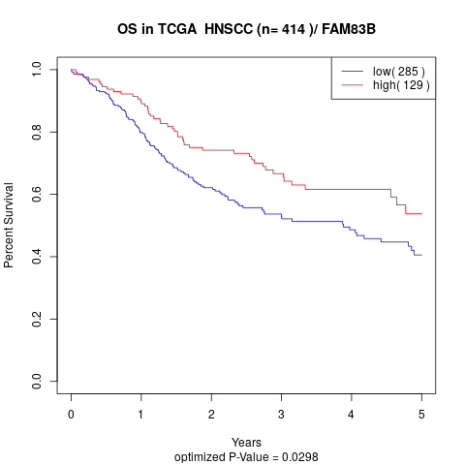

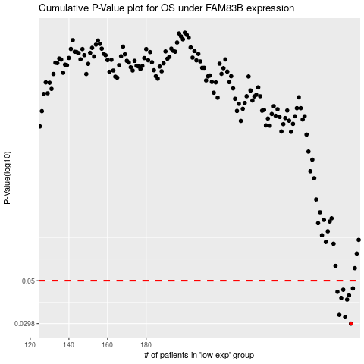

 |  |  |  |  |  | cases_OS | p_OS | rank | exp
 |  |  |  |  |  | 286 | 0.0298 | 183 | 0.38667203895
 |  |  |  |  |  | 283 | 0.0322 | 139 | 0.35081434693
 |  |  |  |  |  | 280 | 0.0331 | 233 | 0.33311477072
 |  |  |  |  |  | 284 | 0.0398 | 298 | 0.37545092387
 |  |  |  |  |  | 281 | 0.0406 | 147 | 0.33513810585
 |  |  |  |  |  | 285 | 0.0419 | 276 | 0.3818255843
 |  |  |  |  |  | 279 | 0.0437 | 54 | 0.31987784606
 |  |  |  |  |  | 282 | 0.0448 | 222 | 0.34438428287
 |  |  |  |  |  | 287 | 0.0455 | 41 | 0.40644659113
 |  |  |  |  |  |  | cases_RFS | p_RFS | rank | exp
 |  |  |  |  |  |  | 285 | 0.0298 | 276 | 0.3818255843
 |  |  |  |  |  |  | 282 | 0.0322 | 222 | 0.34438428287
 |  |  |  |  |  |  | 279 | 0.0331 | 54 | 0.31987784606
 |  |  |  |  |  |  | 283 | 0.0398 | 139 | 0.35081434693
 |  |  |  |  |  |  | 280 | 0.0406 | 233 | 0.33311477072
 |  |  |  |  |  |  | 284 | 0.0419 | 298 | 0.37545092387
 |  |  |  |  |  |  | 278 | 0.0437 | 61 | 0.31910907214
 |  |  |  |  |  |  | 281 | 0.0448 | 147 | 0.33513810585
 |  |  |  |  |  |  | 286 | 0.0455 | 183 | 0.38667203895

