FAM83D _multivariate
Reported by Tex Li-Hsing Chi. tex@gate.sinica.edu.tw 2019-08-19

Table 2. The clinicopathological features of HNSCC cohort and FAM83D expression. (Chi square test)
Cutoff at -0.532 (30.2%)
 |  | FAM83D expression |  | FAM83D expression |  | (Optimised)
 | Features | Low | (%) | High | (%) | Case no | P-value | Remark | Matthews
Gender | Female | 87 | 21 | 219 | 52.8 | 415 | 0.1897 | 0 | 0
2 | Male | 39 | 9.4 | 70 | 16.9
Age at diagnosis | <=65y | 81 | 19.5 | 193 | 46.5 | 415 | 0.7032 | 0 | 0
4 | >65y | 45 | 10.8 | 96 | 23.1
Clinical T Status | T1+T2 | 48 | 11.6 | 101 | 24.3 | 415 | 0.6148 | 0 | 0
6 | T3+T4 | 78 | 18.8 | 188 | 45.3
Clinical N Status | N0 | 67 | 16.1 | 149 | 35.9 | 415 | 0.8443 | 0 | 0
8 | N1-3 | 59 | 14.2 | 140 | 33.7
Clinical M Status | M0 | 126 | 30.4 | 286 | 68.9 | 415 | 0.5566 | 0 | 0
10 | M1 | 0 | 0 | 3 | 0.7
Clinical Stage | Stage I+II | 31 | 7.5 | 71 | 17.1 | 415 | 1 | 0 | 0
12 | Stage III+IV | 95 | 22.9 | 218 | 52.5
Surgical Margin status | Negative | 100 | 24.1 | 218 | 52.5 | 415 | 0.4495 | 0 | 0
14 | Positive | 26 | 6.3 | 71 | 17.1
Tobacco Exposure | Low | 64 | 15.4 | 97 | 23.4 | 415 | 0.001 | 1 | 0
16 | High | 62 | 14.9 | 192 | 46.3

Table 3. Univariate/Multivariate Cox's proportional hazards regression analyses on OS time of FAM83D gene expression in HNSCC

 |  | Univariate |  |  |  | Multivariate
 | Features | HR | CI95%(L) | CI95%(H) | P-value | HR | CI95%(L) | CI95%(H) | P-value
1 | Female | 1 |  |  |  | 1
Gender | Male | 1.157 | 0.843 | 1.587 | 0.367 | 1.213 | 0.867 | 1.696 | 0.26
11 | <=65y | 1 |  |  |  | 1
Age at diagnosis | >65y | 1.329 | 0.99 | 1.784 | 0.058 | 1.413 | 1.04 | 1.921 | 0.027
12 | T1+T2 | 1 |  |  |  | 1
Clinical T Status | T3+T4 | 1.409 | 1.028 | 1.931 | 0.033 | 2.199 | 1.163 | 4.157 | 0.015
13 | N0 | 1 |  |  |  | 1
Clinical N Status | N1-3 | 1.185 | 0.89 | 1.577 | 0.246 | 1.244 | 0.872 | 1.775 | 0.229
14 | M0 | 1 |  |  |  | 1
Clinical M Status | M1 | 4.097 | 1.009 | 16.644 | 0.049 | 8.438 | 1.836 | 38.774 | 0.006
15 | Stage I+II | 1 |  |  |  | 1
Clinical Stage | Stage III+IV | 1.245 | 0.882 | 1.759 | 0.213 | 0.51 | 0.237 | 1.097 | 0.085
16 | Negative | 1 |  |  |  | 1
Surgical Margin status | Positive | 1.591 | 1.155 | 2.191 | 0.004 | 1.641 | 1.187 | 2.268 | 0.003
17 | Low | 1 |  |  |  | 1
Tobacco Exposure | High | 1.364 | 1.008 | 1.844 | 0.044 | 1.377 | 0.996 | 1.903 | 0.053
18 | Low | 1 |  |  |  | 1
RNAseq(z-score) | High | 1.571 | 1.113 | 2.219 | 0.01 | 1.487 | 1.048 | 2.111 | 0.026

Table 4. Univariate/Multivariate Cox's proportional hazards regression analyses on RFS time of FAM83D gene expression in HNSCC

 |  | Univariate |  |  |  | Multivariate
 | Features | HR | CI95%(L) | CI95%(H) | P-value | HR | CI95%(L) | CI95%(H) | P-value
1 | Female | 1 |  |  |  | 1
Gender | Male | 1.157 | 0.843 | 1.587 | 0.367 | 1.213 | 0.867 | 1.696 | 0.26
11 | <=65y | 1 |  |  |  | 1
Age at diagnosis | >65y | 1.329 | 0.99 | 1.784 | 0.058 | 1.413 | 1.04 | 1.921 | 0.027
12 | T1+T2 | 1 |  |  |  | 1
Clinical T Status | T3+T4 | 1.409 | 1.028 | 1.931 | 0.033 | 2.199 | 1.163 | 4.157 | 0.015
13 | N0 | 1 |  |  |  | 1
Clinical N Status | N1-3 | 1.185 | 0.89 | 1.577 | 0.246 | 1.244 | 0.872 | 1.775 | 0.229
14 | M0 | 1 |  |  |  | 1
Clinical M Status | M1 | 4.097 | 1.009 | 16.644 | 0.049 | 8.438 | 1.836 | 38.774 | 0.006
15 | Stage I+II | 1 |  |  |  | 1
Clinical Stage | Stage III+IV | 1.245 | 0.882 | 1.759 | 0.213 | 0.51 | 0.237 | 1.097 | 0.085
16 | Negative | 1 |  |  |  | 1
Surgical Margin status | Positive | 1.591 | 1.155 | 2.191 | 0.004 | 1.641 | 1.187 | 2.268 | 0.003
17 | Low | 1 |  |  |  | 1
Tobacco Exposure | High | 1.364 | 1.008 | 1.844 | 0.044 | 1.377 | 0.996 | 1.903 | 0.053
18 | Low | 1 |  |  |  | 1
RNAseq(z-score) | High | 1.571 | 1.113 | 2.219 | 0.01 | 1.487 | 1.048 | 2.111 | 0.026

Kaplan-Meier survival estimate: Cutoff at -0.532 (30.2%)

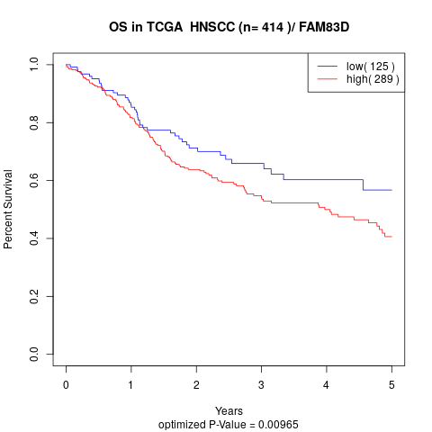

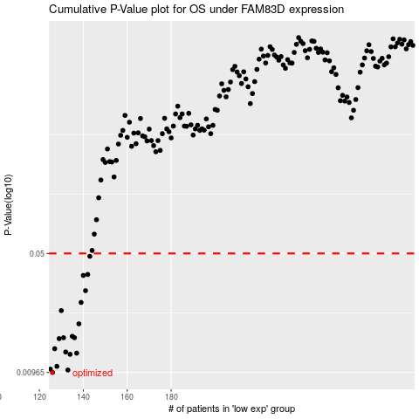

 |  |  |  |  |  | cases_OS | p_OS | rank | exp
 |  |  |  |  |  | 126 | 0.00965 | 390 | -0.53199305303
 |  |  |  |  |  | 133 | 0.00998 | 244 | -0.49798687693
 |  |  |  |  |  | 125 | 0.0101 | 356 | -0.53403244215
 |  |  |  |  |  | 128 | 0.0105 | 199 | -0.51912589245
 |  |  |  |  |  | 134 | 0.0124 | 249 | -0.49327432649
 |  |  |  |  |  | 137 | 0.0126 | 257 | -0.4891836612
 |  |  |  |  |  | 132 | 0.0128 | 132 | -0.50383855112
 |  |  |  |  |  | 127 | 0.0134 | 130 | -0.52438189392
 |  |  |  |  |  | 129 | 0.0154 | 389 | -0.51904471515
 |  |  |  |  |  | 136 | 0.0156 | 168 | -0.49227896479
 |  |  |  |  |  | 131 | 0.0156 | 407 | -0.50478717744
 |  |  |  |  |  | 135 | 0.0159 | 246 | -0.49319142201
 |  |  |  |  |  | 138 | 0.0189 | 373 | -0.48821359757
 |  |  |  |  |  | 130 | 0.0227 | 368 | -0.51085291992
 |  |  |  |  |  | 139 | 0.0254 | 394 | -0.48525230255
 |  |  |  |  |  | 141 | 0.0299 | 90 | -0.48198357011
 |  |  |  |  |  | 140 | 0.0369 | 365 | -0.48522466773
 |  |  |  |  |  | 142 | 0.0374 | 404 | -0.47966275281
 |  |  |  |  |  | 143 | 0.0481 | 279 | -0.47482909681
 |  |  |  |  |  |  | cases_RFS | p_RFS | rank | exp
 |  |  |  |  |  |  | 125 | 0.00965 | 356 | -0.53403244215
 |  |  |  |  |  |  | 132 | 0.00998 | 132 | -0.50383855112
 |  |  |  |  |  |  |  | 0.0101 | 63 | -0.54110482377
 |  |  |  |  |  |  | 127 | 0.0105 | 130 | -0.52438189392
 |  |  |  |  |  |  | 133 | 0.0124 | 244 | -0.49798687693
 |  |  |  |  |  |  | 136 | 0.0126 | 168 | -0.49227896479
 |  |  |  |  |  |  | 131 | 0.0128 | 407 | -0.50478717744
 |  |  |  |  |  |  | 126 | 0.0134 | 390 | -0.53199305303
 |  |  |  |  |  |  | 128 | 0.0154 | 199 | -0.51912589245
 |  |  |  |  |  |  | 135 | 0.0156 | 246 | -0.49319142201
 |  |  |  |  |  |  | 130 | 0.0156 | 368 | -0.51085291992
 |  |  |  |  |  |  | 134 | 0.0159 | 249 | -0.49327432649
 |  |  |  |  |  |  | 137 | 0.0189 | 257 | -0.4891836612
 |  |  |  |  |  |  | 129 | 0.0227 | 389 | -0.51904471515
 |  |  |  |  |  |  | 138 | 0.0254 | 373 | -0.48821359757
 |  |  |  |  |  |  | 140 | 0.0299 | 365 | -0.48522466773
 |  |  |  |  |  |  | 139 | 0.0369 | 394 | -0.48525230255
 |  |  |  |  |  |  | 141 | 0.0374 | 90 | -0.48198357011
 |  |  |  |  |  |  | 142 | 0.0481 | 404 | -0.47966275281

