FAM83G _multivariate
Reported by Tex Li-Hsing Chi. tex@gate.sinica.edu.tw 2019-08-19

Table 2. The clinicopathological features of HNSCC cohort and FAM83G expression. (Chi square test)
Cutoff at -0.198 (50.0%)
 |  | FAM83G expression |  | FAM83G expression |  | (Optimised)
 | Features | Low | (%) | High | (%) | Case no | P-value | Remark | Matthews
Gender | Female | 153 | 36.9 | 153 | 36.9 | 415 | 1 | 0 | 0
2 | Male | 54 | 13 | 55 | 13.3
Age at diagnosis | <=65y | 135 | 32.5 | 139 | 33.5 | 415 | 0.8084 | 0 | 0
4 | >65y | 72 | 17.3 | 69 | 16.6
Clinical T Status | T1+T2 | 86 | 20.7 | 63 | 15.2 | 415 | 0.0221 | 1 | 0
6 | T3+T4 | 121 | 29.2 | 145 | 34.9
Clinical N Status | N0 | 101 | 24.3 | 115 | 27.7 | 415 | 0.2201 | 0 | 0
8 | N1-3 | 106 | 25.5 | 93 | 22.4
Clinical M Status | M0 | 205 | 49.4 | 207 | 49.9 | 415 | 0.6232 | 0 | 0
10 | M1 | 2 | 0.5 | 1 | 0.2
Clinical Stage | Stage I+II | 55 | 13.3 | 47 | 11.3 | 415 | 0.4087 | 0 | 0
12 | Stage III+IV | 152 | 36.6 | 161 | 38.8
Surgical Margin status | Negative | 149 | 35.9 | 169 | 40.7 | 415 | 0.0278 | 1 | 0
14 | Positive | 58 | 14 | 39 | 9.4
Tobacco Exposure | Low | 77 | 18.6 | 84 | 20.2 | 415 | 0.5459 | 0 | 0
16 | High | 130 | 31.3 | 124 | 29.9

Table 3. Univariate/Multivariate Cox's proportional hazards regression analyses on OS time of FAM83G gene expression in HNSCC

 |  | Univariate |  |  |  | Multivariate
 | Features | HR | CI95%(L) | CI95%(H) | P-value | HR | CI95%(L) | CI95%(H) | P-value
1 | Female | 1 |  |  |  | 1
Gender | Male | 1.157 | 0.843 | 1.587 | 0.367 | 1.209 | 0.865 | 1.691 | 0.266
11 | <=65y | 1 |  |  |  | 1
Age at diagnosis | >65y | 1.329 | 0.99 | 1.784 | 0.058 | 1.398 | 1.028 | 1.902 | 0.033
12 | T1+T2 | 1 |  |  |  | 1
Clinical T Status | T3+T4 | 1.409 | 1.028 | 1.931 | 0.033 | 2.187 | 1.156 | 4.139 | 0.016
13 | N0 | 1 |  |  |  | 1
Clinical N Status | N1-3 | 1.185 | 0.89 | 1.577 | 0.246 | 1.26 | 0.879 | 1.806 | 0.208
14 | M0 | 1 |  |  |  | 1
Clinical M Status | M1 | 4.097 | 1.009 | 16.644 | 0.049 | 9.434 | 2.058 | 43.252 | 0.004
15 | Stage I+II | 1 |  |  |  | 1
Clinical Stage | Stage III+IV | 1.245 | 0.882 | 1.759 | 0.213 | 0.502 | 0.234 | 1.077 | 0.077
16 | Negative | 1 |  |  |  | 1
Surgical Margin status | Positive | 1.591 | 1.155 | 2.191 | 0.004 | 1.698 | 1.222 | 2.358 | 0.002
17 | Low | 1 |  |  |  | 1
Tobacco Exposure | High | 1.364 | 1.008 | 1.844 | 0.044 | 1.463 | 1.06 | 2.018 | 0.021
18 | Low | 1 |  |  |  | 1
RNAseq(z-score) | High | 0.979 | 0.735 | 1.304 | 0.885 | 1.083 | 0.804 | 1.46 | 0.598

Table 4. Univariate/Multivariate Cox's proportional hazards regression analyses on RFS time of FAM83G gene expression in HNSCC

 |  | Univariate |  |  |  | Multivariate
 | Features | HR | CI95%(L) | CI95%(H) | P-value | HR | CI95%(L) | CI95%(H) | P-value
1 | Female | 1 |  |  |  | 1
Gender | Male | 1.157 | 0.843 | 1.587 | 0.367 | 1.209 | 0.865 | 1.691 | 0.266
11 | <=65y | 1 |  |  |  | 1
Age at diagnosis | >65y | 1.329 | 0.99 | 1.784 | 0.058 | 1.398 | 1.028 | 1.902 | 0.033
12 | T1+T2 | 1 |  |  |  | 1
Clinical T Status | T3+T4 | 1.409 | 1.028 | 1.931 | 0.033 | 2.187 | 1.156 | 4.139 | 0.016
13 | N0 | 1 |  |  |  | 1
Clinical N Status | N1-3 | 1.185 | 0.89 | 1.577 | 0.246 | 1.26 | 0.879 | 1.806 | 0.208
14 | M0 | 1 |  |  |  | 1
Clinical M Status | M1 | 4.097 | 1.009 | 16.644 | 0.049 | 9.434 | 2.058 | 43.252 | 0.004
15 | Stage I+II | 1 |  |  |  | 1
Clinical Stage | Stage III+IV | 1.245 | 0.882 | 1.759 | 0.213 | 0.502 | 0.234 | 1.077 | 0.077
16 | Negative | 1 |  |  |  | 1
Surgical Margin status | Positive | 1.591 | 1.155 | 2.191 | 0.004 | 1.698 | 1.222 | 2.358 | 0.002
17 | Low | 1 |  |  |  | 1
Tobacco Exposure | High | 1.364 | 1.008 | 1.844 | 0.044 | 1.463 | 1.06 | 2.018 | 0.021
18 | Low | 1 |  |  |  | 1
RNAseq(z-score) | High | 0.979 | 0.735 | 1.304 | 0.885 | 1.083 | 0.804 | 1.46 | 0.598

Kaplan-Meier survival estimate: Cutoff at -0.198 (50.0%)



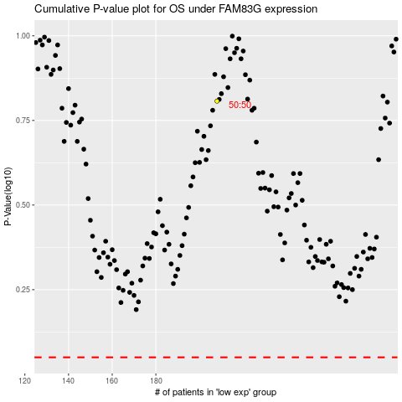

 |  |  |  |  |  | cases_OS | p_OS | rank | exp
 |  |  |  |  |  |  | cases_RFS | p_RFS | rank | exp

