FAM83H _multivariate
Reported by Tex Li-Hsing Chi. tex@gate.sinica.edu.tw 2019-08-19

Table 2. The clinicopathological features of HNSCC cohort and FAM83H expression. (Chi square test)
Cutoff at -0.028 (49.8%)
 |  | FAM83H expression |  | FAM83H expression |  | (Optimised)
 | Features | Low | (%) | High | (%) | Case no | P-value | Remark | Matthews
Gender | Female | 165 | 39.8 | 141 | 34 | 415 | 0.0081 | 1 | 0
2 | Male | 42 | 10.1 | 67 | 16.1
Age at diagnosis | <=65y | 146 | 35.2 | 128 | 30.8 | 415 | 0.0672 | 0 | 0
4 | >65y | 61 | 14.7 | 80 | 19.3
Clinical T Status | T1+T2 | 77 | 18.6 | 72 | 17.3 | 415 | 0.6556 | 0 | 0
6 | T3+T4 | 130 | 31.3 | 136 | 32.8
Clinical N Status | N0 | 95 | 22.9 | 121 | 29.2 | 415 | 0.0162 | 1 | 0
8 | N1-3 | 112 | 27 | 87 | 21
Clinical M Status | M0 | 206 | 49.6 | 206 | 49.6 | 415 | 1 | 0 | 0
10 | M1 | 1 | 0.2 | 2 | 0.5
Clinical Stage | Stage I+II | 44 | 10.6 | 58 | 14 | 415 | 0.1459 | 0 | 0
12 | Stage III+IV | 163 | 39.3 | 150 | 36.1
Surgical Margin status | Negative | 153 | 36.9 | 165 | 39.8 | 415 | 0.2036 | 0 | 0
14 | Positive | 54 | 13 | 43 | 10.4
Tobacco Exposure | Low | 68 | 16.4 | 93 | 22.4 | 415 | 0.0156 | 1 | 0
16 | High | 139 | 33.5 | 115 | 27.7

Table 3. Univariate/Multivariate Cox's proportional hazards regression analyses on OS time of FAM83H gene expression in HNSCC

 |  | Univariate |  |  |  | Multivariate
 | Features | HR | CI95%(L) | CI95%(H) | P-value | HR | CI95%(L) | CI95%(H) | P-value
1 | Female | 1 |  |  |  | 1
Gender | Male | 1.157 | 0.843 | 1.587 | 0.367 | 1.188 | 0.849 | 1.663 | 0.316
11 | <=65y | 1 |  |  |  | 1
Age at diagnosis | >65y | 1.329 | 0.99 | 1.784 | 0.058 | 1.391 | 1.023 | 1.892 | 0.035
12 | T1+T2 | 1 |  |  |  | 1
Clinical T Status | T3+T4 | 1.409 | 1.028 | 1.931 | 0.033 | 2.16 | 1.14 | 4.093 | 0.018
13 | N0 | 1 |  |  |  | 1
Clinical N Status | N1-3 | 1.185 | 0.89 | 1.577 | 0.246 | 1.243 | 0.871 | 1.773 | 0.231
14 | M0 | 1 |  |  |  | 1
Clinical M Status | M1 | 4.097 | 1.009 | 16.644 | 0.049 | 9.13 | 1.987 | 41.961 | 0.004
15 | Stage I+II | 1 |  |  |  | 1
Clinical Stage | Stage III+IV | 1.245 | 0.882 | 1.759 | 0.213 | 0.517 | 0.24 | 1.113 | 0.092
16 | Negative | 1 |  |  |  | 1
Surgical Margin status | Positive | 1.591 | 1.155 | 2.191 | 0.004 | 1.68 | 1.216 | 2.322 | 0.002
17 | Low | 1 |  |  |  | 1
Tobacco Exposure | High | 1.364 | 1.008 | 1.844 | 0.044 | 1.478 | 1.068 | 2.045 | 0.018
18 | Low | 1 |  |  |  | 1
RNAseq(z-score) | High | 1.091 | 0.818 | 1.456 | 0.552 | 1.11 | 0.825 | 1.494 | 0.489

Table 4. Univariate/Multivariate Cox's proportional hazards regression analyses on RFS time of FAM83H gene expression in HNSCC

 |  | Univariate |  |  |  | Multivariate
 | Features | HR | CI95%(L) | CI95%(H) | P-value | HR | CI95%(L) | CI95%(H) | P-value
1 | Female | 1 |  |  |  | 1
Gender | Male | 1.157 | 0.843 | 1.587 | 0.367 | 1.188 | 0.849 | 1.663 | 0.316
11 | <=65y | 1 |  |  |  | 1
Age at diagnosis | >65y | 1.329 | 0.99 | 1.784 | 0.058 | 1.391 | 1.023 | 1.892 | 0.035
12 | T1+T2 | 1 |  |  |  | 1
Clinical T Status | T3+T4 | 1.409 | 1.028 | 1.931 | 0.033 | 2.16 | 1.14 | 4.093 | 0.018
13 | N0 | 1 |  |  |  | 1
Clinical N Status | N1-3 | 1.185 | 0.89 | 1.577 | 0.246 | 1.243 | 0.871 | 1.773 | 0.231
14 | M0 | 1 |  |  |  | 1
Clinical M Status | M1 | 4.097 | 1.009 | 16.644 | 0.049 | 9.13 | 1.987 | 41.961 | 0.004
15 | Stage I+II | 1 |  |  |  | 1
Clinical Stage | Stage III+IV | 1.245 | 0.882 | 1.759 | 0.213 | 0.517 | 0.24 | 1.113 | 0.092
16 | Negative | 1 |  |  |  | 1
Surgical Margin status | Positive | 1.591 | 1.155 | 2.191 | 0.004 | 1.68 | 1.216 | 2.322 | 0.002
17 | Low | 1 |  |  |  | 1
Tobacco Exposure | High | 1.364 | 1.008 | 1.844 | 0.044 | 1.478 | 1.068 | 2.045 | 0.018
18 | Low | 1 |  |  |  | 1
RNAseq(z-score) | High | 1.091 | 0.818 | 1.456 | 0.552 | 1.11 | 0.825 | 1.494 | 0.489

Kaplan-Meier survival estimate: Cutoff at -0.028 (49.8%)



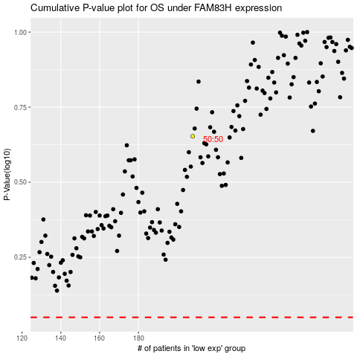

 |  |  |  |  |  | cases_OS | p_OS | rank | exp
 |  |  |  |  |  |  | cases_RFS | p_RFS | rank | exp

