FAM84A _multivariate
Reported by Tex Li-Hsing Chi. tex@gate.sinica.edu.tw 2019-08-19

Table 2. The clinicopathological features of HNSCC cohort and FAM84A expression. (Chi square test)
Cutoff at -0.25 (50.0%)
 |  | FAM84A expression |  | FAM84A expression |  | (Optimised)
 | Features | Low | (%) | High | (%) | Case no | P-value | Remark | Matthews
Gender | Female | 157 | 37.8 | 149 | 35.9 | 415 | 0.3881 | 0 | 0
2 | Male | 50 | 12 | 59 | 14.2
Age at diagnosis | <=65y | 139 | 33.5 | 135 | 32.5 | 415 | 0.7044 | 0 | 0
4 | >65y | 68 | 16.4 | 73 | 17.6
Clinical T Status | T1+T2 | 75 | 18.1 | 74 | 17.8 | 415 | 0.9707 | 0 | 0
6 | T3+T4 | 132 | 31.8 | 134 | 32.3
Clinical N Status | N0 | 105 | 25.3 | 111 | 26.7 | 415 | 0.6598 | 0 | 0
8 | N1-3 | 102 | 24.6 | 97 | 23.4
Clinical M Status | M0 | 206 | 49.6 | 206 | 49.6 | 415 | 1 | 0 | 0
10 | M1 | 1 | 0.2 | 2 | 0.5
Clinical Stage | Stage I+II | 49 | 11.8 | 53 | 12.8 | 415 | 0.7535 | 0 | 0
12 | Stage III+IV | 158 | 38.1 | 155 | 37.3
Surgical Margin status | Negative | 163 | 39.3 | 155 | 37.3 | 415 | 0.3537 | 0 | 0
14 | Positive | 44 | 10.6 | 53 | 12.8
Tobacco Exposure | Low | 78 | 18.8 | 83 | 20 | 415 | 0.6873 | 0 | 0
16 | High | 129 | 31.1 | 125 | 30.1

Table 3. Univariate/Multivariate Cox's proportional hazards regression analyses on OS time of FAM84A gene expression in HNSCC

 |  | Univariate |  |  |  | Multivariate
 | Features | HR | CI95%(L) | CI95%(H) | P-value | HR | CI95%(L) | CI95%(H) | P-value
1 | Female | 1 |  |  |  | 1
Gender | Male | 1.157 | 0.843 | 1.587 | 0.367 | 1.221 | 0.872 | 1.709 | 0.245
11 | <=65y | 1 |  |  |  | 1
Age at diagnosis | >65y | 1.329 | 0.99 | 1.784 | 0.058 | 1.366 | 1.004 | 1.859 | 0.047
12 | T1+T2 | 1 |  |  |  | 1
Clinical T Status | T3+T4 | 1.409 | 1.028 | 1.931 | 0.033 | 2.251 | 1.19 | 4.258 | 0.013
13 | N0 | 1 |  |  |  | 1
Clinical N Status | N1-3 | 1.185 | 0.89 | 1.577 | 0.246 | 1.236 | 0.866 | 1.765 | 0.243
14 | M0 | 1 |  |  |  | 1
Clinical M Status | M1 | 4.097 | 1.009 | 16.644 | 0.049 | 10.604 | 2.304 | 48.81 | 0.002
15 | Stage I+II | 1 |  |  |  | 1
Clinical Stage | Stage III+IV | 1.245 | 0.882 | 1.759 | 0.213 | 0.496 | 0.231 | 1.067 | 0.073
16 | Negative | 1 |  |  |  | 1
Surgical Margin status | Positive | 1.591 | 1.155 | 2.191 | 0.004 | 1.71 | 1.237 | 2.364 | 0.001
17 | Low | 1 |  |  |  | 1
Tobacco Exposure | High | 1.364 | 1.008 | 1.844 | 0.044 | 1.477 | 1.069 | 2.04 | 0.018
18 | Low | 1 |  |  |  | 1
RNAseq(z-score) | High | 0.778 | 0.584 | 1.037 | 0.087 | 0.728 | 0.545 | 0.973 | 0.032

Table 4. Univariate/Multivariate Cox's proportional hazards regression analyses on RFS time of FAM84A gene expression in HNSCC

 |  | Univariate |  |  |  | Multivariate
 | Features | HR | CI95%(L) | CI95%(H) | P-value | HR | CI95%(L) | CI95%(H) | P-value
1 | Female | 1 |  |  |  | 1
Gender | Male | 1.157 | 0.843 | 1.587 | 0.367 | 1.221 | 0.872 | 1.709 | 0.245
11 | <=65y | 1 |  |  |  | 1
Age at diagnosis | >65y | 1.329 | 0.99 | 1.784 | 0.058 | 1.366 | 1.004 | 1.859 | 0.047
12 | T1+T2 | 1 |  |  |  | 1
Clinical T Status | T3+T4 | 1.409 | 1.028 | 1.931 | 0.033 | 2.251 | 1.19 | 4.258 | 0.013
13 | N0 | 1 |  |  |  | 1
Clinical N Status | N1-3 | 1.185 | 0.89 | 1.577 | 0.246 | 1.236 | 0.866 | 1.765 | 0.243
14 | M0 | 1 |  |  |  | 1
Clinical M Status | M1 | 4.097 | 1.009 | 16.644 | 0.049 | 10.604 | 2.304 | 48.81 | 0.002
15 | Stage I+II | 1 |  |  |  | 1
Clinical Stage | Stage III+IV | 1.245 | 0.882 | 1.759 | 0.213 | 0.496 | 0.231 | 1.067 | 0.073
16 | Negative | 1 |  |  |  | 1
Surgical Margin status | Positive | 1.591 | 1.155 | 2.191 | 0.004 | 1.71 | 1.237 | 2.364 | 0.001
17 | Low | 1 |  |  |  | 1
Tobacco Exposure | High | 1.364 | 1.008 | 1.844 | 0.044 | 1.477 | 1.069 | 2.04 | 0.018
18 | Low | 1 |  |  |  | 1
RNAseq(z-score) | High | 0.778 | 0.584 | 1.037 | 0.087 | 0.728 | 0.545 | 0.973 | 0.032

Kaplan-Meier survival estimate: Cutoff at -0.25 (50.0%)



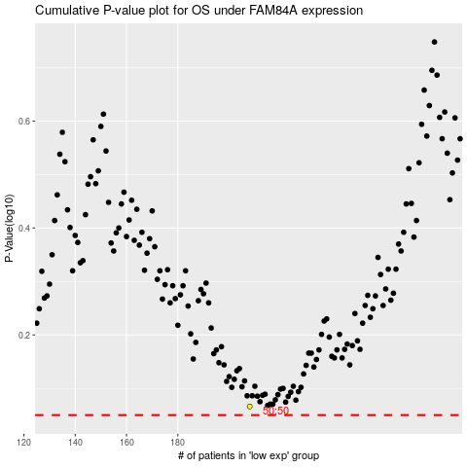

 |  |  |  |  |  | cases_OS | p_OS | rank | exp
 |  |  |  |  |  |  | cases_RFS | p_RFS | rank | exp

