FAM84B _multivariate
Reported by Tex Li-Hsing Chi. tex@gate.sinica.edu.tw 2019-08-19

Table 2. The clinicopathological features of HNSCC cohort and FAM84B expression. (Chi square test)
Cutoff at -0.265 (50.0%)
 |  | FAM84B expression |  | FAM84B expression |  | (Optimised)
 | Features | Low | (%) | High | (%) | Case no | P-value | Remark | Matthews
Gender | Female | 155 | 37.3 | 151 | 36.4 | 415 | 0.6768 | 0 | 0
2 | Male | 52 | 12.5 | 57 | 13.7
Age at diagnosis | <=65y | 141 | 34 | 133 | 32 | 415 | 0.4272 | 0 | 0
4 | >65y | 66 | 15.9 | 75 | 18.1
Clinical T Status | T1+T2 | 83 | 20 | 66 | 15.9 | 415 | 0.0941 | 0 | 0
6 | T3+T4 | 124 | 29.9 | 142 | 34.2
Clinical N Status | N0 | 110 | 26.5 | 106 | 25.5 | 415 | 0.7294 | 0 | 0
8 | N1-3 | 97 | 23.4 | 102 | 24.6
Clinical M Status | M0 | 205 | 49.4 | 207 | 49.9 | 415 | 0.6232 | 0 | 0
10 | M1 | 2 | 0.5 | 1 | 0.2
Clinical Stage | Stage I+II | 58 | 14 | 44 | 10.6 | 415 | 0.131 | 0 | 0
12 | Stage III+IV | 149 | 35.9 | 164 | 39.5
Surgical Margin status | Negative | 158 | 38.1 | 160 | 38.6 | 415 | 0.9081 | 0 | 0
14 | Positive | 49 | 11.8 | 48 | 11.6
Tobacco Exposure | Low | 85 | 20.5 | 76 | 18.3 | 415 | 0.3655 | 0 | 0
16 | High | 122 | 29.4 | 132 | 31.8

Table 3. Univariate/Multivariate Cox's proportional hazards regression analyses on OS time of FAM84B gene expression in HNSCC

 |  | Univariate |  |  |  | Multivariate
 | Features | HR | CI95%(L) | CI95%(H) | P-value | HR | CI95%(L) | CI95%(H) | P-value
1 | Female | 1 |  |  |  | 1
Gender | Male | 1.157 | 0.843 | 1.587 | 0.367 | 1.197 | 0.856 | 1.672 | 0.293
11 | <=65y | 1 |  |  |  | 1
Age at diagnosis | >65y | 1.329 | 0.99 | 1.784 | 0.058 | 1.387 | 1.02 | 1.886 | 0.037
12 | T1+T2 | 1 |  |  |  | 1
Clinical T Status | T3+T4 | 1.409 | 1.028 | 1.931 | 0.033 | 2.223 | 1.175 | 4.206 | 0.014
13 | N0 | 1 |  |  |  | 1
Clinical N Status | N1-3 | 1.185 | 0.89 | 1.577 | 0.246 | 1.254 | 0.878 | 1.791 | 0.213
14 | M0 | 1 |  |  |  | 1
Clinical M Status | M1 | 4.097 | 1.009 | 16.644 | 0.049 | 9.796 | 2.129 | 45.076 | 0.003
15 | Stage I+II | 1 |  |  |  | 1
Clinical Stage | Stage III+IV | 1.245 | 0.882 | 1.759 | 0.213 | 0.492 | 0.229 | 1.059 | 0.07
16 | Negative | 1 |  |  |  | 1
Surgical Margin status | Positive | 1.591 | 1.155 | 2.191 | 0.004 | 1.692 | 1.222 | 2.341 | 0.002
17 | Low | 1 |  |  |  | 1
Tobacco Exposure | High | 1.364 | 1.008 | 1.844 | 0.044 | 1.441 | 1.045 | 1.987 | 0.026
18 | Low | 1 |  |  |  | 1
RNAseq(z-score) | High | 1.104 | 0.826 | 1.474 | 0.505 | 1.122 | 0.836 | 1.506 | 0.445

Table 4. Univariate/Multivariate Cox's proportional hazards regression analyses on RFS time of FAM84B gene expression in HNSCC

 |  | Univariate |  |  |  | Multivariate
 | Features | HR | CI95%(L) | CI95%(H) | P-value | HR | CI95%(L) | CI95%(H) | P-value
1 | Female | 1 |  |  |  | 1
Gender | Male | 1.157 | 0.843 | 1.587 | 0.367 | 1.197 | 0.856 | 1.672 | 0.293
11 | <=65y | 1 |  |  |  | 1
Age at diagnosis | >65y | 1.329 | 0.99 | 1.784 | 0.058 | 1.387 | 1.02 | 1.886 | 0.037
12 | T1+T2 | 1 |  |  |  | 1
Clinical T Status | T3+T4 | 1.409 | 1.028 | 1.931 | 0.033 | 2.223 | 1.175 | 4.206 | 0.014
13 | N0 | 1 |  |  |  | 1
Clinical N Status | N1-3 | 1.185 | 0.89 | 1.577 | 0.246 | 1.254 | 0.878 | 1.791 | 0.213
14 | M0 | 1 |  |  |  | 1
Clinical M Status | M1 | 4.097 | 1.009 | 16.644 | 0.049 | 9.796 | 2.129 | 45.076 | 0.003
15 | Stage I+II | 1 |  |  |  | 1
Clinical Stage | Stage III+IV | 1.245 | 0.882 | 1.759 | 0.213 | 0.492 | 0.229 | 1.059 | 0.07
16 | Negative | 1 |  |  |  | 1
Surgical Margin status | Positive | 1.591 | 1.155 | 2.191 | 0.004 | 1.692 | 1.222 | 2.341 | 0.002
17 | Low | 1 |  |  |  | 1
Tobacco Exposure | High | 1.364 | 1.008 | 1.844 | 0.044 | 1.441 | 1.045 | 1.987 | 0.026
18 | Low | 1 |  |  |  | 1
RNAseq(z-score) | High | 1.104 | 0.826 | 1.474 | 0.505 | 1.122 | 0.836 | 1.506 | 0.445

Kaplan-Meier survival estimate: Cutoff at -0.265 (50.0%)



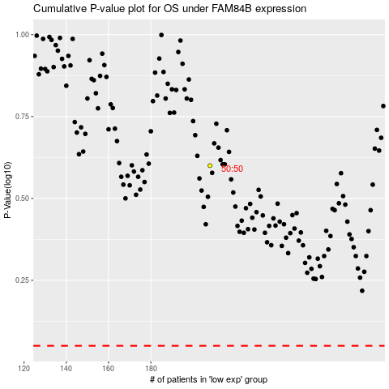

 |  |  |  |  |  | cases_OS | p_OS | rank | exp
 |  |  |  |  |  |  | cases_RFS | p_RFS | rank | exp

