FAM86A _multivariate
Reported by Tex Li-Hsing Chi. tex@gate.sinica.edu.tw 2019-08-19

Table 2. The clinicopathological features of HNSCC cohort and FAM86A expression. (Chi square test)
Cutoff at -0.157 (49.8%)
 |  | FAM86A expression |  | FAM86A expression |  | (Optimised)
 | Features | Low | (%) | High | (%) | Case no | P-value | Remark | Matthews
Gender | Female | 148 | 35.7 | 158 | 38.1 | 415 | 0.3567 | 0 | 0
2 | Male | 59 | 14.2 | 50 | 12
Age at diagnosis | <=65y | 131 | 31.6 | 143 | 34.5 | 415 | 0.2839 | 0 | 0
4 | >65y | 76 | 18.3 | 65 | 15.7
Clinical T Status | T1+T2 | 87 | 21 | 62 | 14.9 | 415 | 0.0127 | 1 | 0
6 | T3+T4 | 120 | 28.9 | 146 | 35.2
Clinical N Status | N0 | 105 | 25.3 | 111 | 26.7 | 415 | 0.6598 | 0 | 0
8 | N1-3 | 102 | 24.6 | 97 | 23.4
Clinical M Status | M0 | 206 | 49.6 | 206 | 49.6 | 415 | 1 | 0 | 0
10 | M1 | 1 | 0.2 | 2 | 0.5
Clinical Stage | Stage I+II | 62 | 14.9 | 40 | 9.6 | 415 | 0.0154 | 1 | 0
12 | Stage III+IV | 145 | 34.9 | 168 | 40.5
Surgical Margin status | Negative | 159 | 38.3 | 159 | 38.3 | 415 | 1 | 0 | 0
14 | Positive | 48 | 11.6 | 49 | 11.8
Tobacco Exposure | Low | 85 | 20.5 | 76 | 18.3 | 415 | 0.3655 | 0 | 0
16 | High | 122 | 29.4 | 132 | 31.8

Table 3. Univariate/Multivariate Cox's proportional hazards regression analyses on OS time of FAM86A gene expression in HNSCC

 |  | Univariate |  |  |  | Multivariate
 | Features | HR | CI95%(L) | CI95%(H) | P-value | HR | CI95%(L) | CI95%(H) | P-value
1 | Female | 1 |  |  |  | 1
Gender | Male | 1.157 | 0.843 | 1.587 | 0.367 | 1.197 | 0.856 | 1.673 | 0.294
11 | <=65y | 1 |  |  |  | 1
Age at diagnosis | >65y | 1.329 | 0.99 | 1.784 | 0.058 | 1.411 | 1.037 | 1.92 | 0.028
12 | T1+T2 | 1 |  |  |  | 1
Clinical T Status | T3+T4 | 1.409 | 1.028 | 1.931 | 0.033 | 2.185 | 1.155 | 4.131 | 0.016
13 | N0 | 1 |  |  |  | 1
Clinical N Status | N1-3 | 1.185 | 0.89 | 1.577 | 0.246 | 1.266 | 0.885 | 1.811 | 0.196
14 | M0 | 1 |  |  |  | 1
Clinical M Status | M1 | 4.097 | 1.009 | 16.644 | 0.049 | 8.898 | 1.933 | 40.952 | 0.005
15 | Stage I+II | 1 |  |  |  | 1
Clinical Stage | Stage III+IV | 1.245 | 0.882 | 1.759 | 0.213 | 0.492 | 0.229 | 1.058 | 0.069
16 | Negative | 1 |  |  |  | 1
Surgical Margin status | Positive | 1.591 | 1.155 | 2.191 | 0.004 | 1.644 | 1.188 | 2.275 | 0.003
17 | Low | 1 |  |  |  | 1
Tobacco Exposure | High | 1.364 | 1.008 | 1.844 | 0.044 | 1.443 | 1.047 | 1.99 | 0.025
18 | Low | 1 |  |  |  | 1
RNAseq(z-score) | High | 1.235 | 0.927 | 1.645 | 0.15 | 1.16 | 0.864 | 1.557 | 0.323

Table 4. Univariate/Multivariate Cox's proportional hazards regression analyses on RFS time of FAM86A gene expression in HNSCC

 |  | Univariate |  |  |  | Multivariate
 | Features | HR | CI95%(L) | CI95%(H) | P-value | HR | CI95%(L) | CI95%(H) | P-value
1 | Female | 1 |  |  |  | 1
Gender | Male | 1.157 | 0.843 | 1.587 | 0.367 | 1.197 | 0.856 | 1.673 | 0.294
11 | <=65y | 1 |  |  |  | 1
Age at diagnosis | >65y | 1.329 | 0.99 | 1.784 | 0.058 | 1.411 | 1.037 | 1.92 | 0.028
12 | T1+T2 | 1 |  |  |  | 1
Clinical T Status | T3+T4 | 1.409 | 1.028 | 1.931 | 0.033 | 2.185 | 1.155 | 4.131 | 0.016
13 | N0 | 1 |  |  |  | 1
Clinical N Status | N1-3 | 1.185 | 0.89 | 1.577 | 0.246 | 1.266 | 0.885 | 1.811 | 0.196
14 | M0 | 1 |  |  |  | 1
Clinical M Status | M1 | 4.097 | 1.009 | 16.644 | 0.049 | 8.898 | 1.933 | 40.952 | 0.005
15 | Stage I+II | 1 |  |  |  | 1
Clinical Stage | Stage III+IV | 1.245 | 0.882 | 1.759 | 0.213 | 0.492 | 0.229 | 1.058 | 0.069
16 | Negative | 1 |  |  |  | 1
Surgical Margin status | Positive | 1.591 | 1.155 | 2.191 | 0.004 | 1.644 | 1.188 | 2.275 | 0.003
17 | Low | 1 |  |  |  | 1
Tobacco Exposure | High | 1.364 | 1.008 | 1.844 | 0.044 | 1.443 | 1.047 | 1.99 | 0.025
18 | Low | 1 |  |  |  | 1
RNAseq(z-score) | High | 1.235 | 0.927 | 1.645 | 0.15 | 1.16 | 0.864 | 1.557 | 0.323

Kaplan-Meier survival estimate: Cutoff at -0.157 (49.8%)



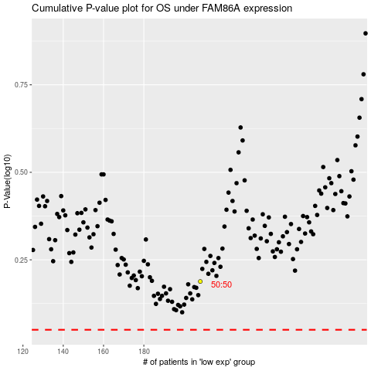

 |  |  |  |  |  | cases_OS | p_OS | rank | exp
 |  |  |  |  |  |  | cases_RFS | p_RFS | rank | exp

