FAM86C _multivariate
Reported by Tex Li-Hsing Chi. tex@gate.sinica.edu.tw 2019-08-19

Table 2. The clinicopathological features of HNSCC cohort and FAM86C expression. (Chi square test)
Cutoff at -0.229 (49.8%)
 |  | FAM86C expression |  | FAM86C expression |  | (Optimised)
 | Features | Low | (%) | High | (%) | Case no | P-value | Remark | Matthews
Gender | Female | 164 | 39.5 | 142 | 34.2 | 415 | 0.0153 | 1 | 0
2 | Male | 43 | 10.4 | 66 | 15.9
Age at diagnosis | <=65y | 128 | 30.8 | 146 | 35.2 | 415 | 0.0904 | 0 | 0
4 | >65y | 79 | 19 | 62 | 14.9
Clinical T Status | T1+T2 | 85 | 20.5 | 64 | 15.4 | 415 | 0.0372 | 1 | 0
6 | T3+T4 | 122 | 29.4 | 144 | 34.7
Clinical N Status | N0 | 94 | 22.7 | 122 | 29.4 | 415 | 0.0093 | 1 | 0
8 | N1-3 | 113 | 27.2 | 86 | 20.7
Clinical M Status | M0 | 205 | 49.4 | 207 | 49.9 | 415 | 0.6232 | 0 | 0
10 | M1 | 2 | 0.5 | 1 | 0.2
Clinical Stage | Stage I+II | 50 | 12 | 52 | 12.5 | 415 | 0.9315 | 0 | 0
12 | Stage III+IV | 157 | 37.8 | 156 | 37.6
Surgical Margin status | Negative | 149 | 35.9 | 169 | 40.7 | 415 | 0.0278 | 1 | 0
14 | Positive | 58 | 14 | 39 | 9.4
Tobacco Exposure | Low | 81 | 19.5 | 80 | 19.3 | 415 | 0.9199 | 0 | 0
16 | High | 126 | 30.4 | 128 | 30.8

Table 3. Univariate/Multivariate Cox's proportional hazards regression analyses on OS time of FAM86C gene expression in HNSCC

 |  | Univariate |  |  |  | Multivariate
 | Features | HR | CI95%(L) | CI95%(H) | P-value | HR | CI95%(L) | CI95%(H) | P-value
1 | Female | 1 |  |  |  | 1
Gender | Male | 1.157 | 0.843 | 1.587 | 0.367 | 1.175 | 0.835 | 1.652 | 0.355
11 | <=65y | 1 |  |  |  | 1
Age at diagnosis | >65y | 1.329 | 0.99 | 1.784 | 0.058 | 1.421 | 1.04 | 1.942 | 0.028
12 | T1+T2 | 1 |  |  |  | 1
Clinical T Status | T3+T4 | 1.409 | 1.028 | 1.931 | 0.033 | 2.153 | 1.135 | 4.082 | 0.019
13 | N0 | 1 |  |  |  | 1
Clinical N Status | N1-3 | 1.185 | 0.89 | 1.577 | 0.246 | 1.257 | 0.879 | 1.797 | 0.21
14 | M0 | 1 |  |  |  | 1
Clinical M Status | M1 | 4.097 | 1.009 | 16.644 | 0.049 | 9.232 | 2.012 | 42.355 | 0.004
15 | Stage I+II | 1 |  |  |  | 1
Clinical Stage | Stage III+IV | 1.245 | 0.882 | 1.759 | 0.213 | 0.512 | 0.238 | 1.1 | 0.086
16 | Negative | 1 |  |  |  | 1
Surgical Margin status | Positive | 1.591 | 1.155 | 2.191 | 0.004 | 1.689 | 1.221 | 2.337 | 0.002
17 | Low | 1 |  |  |  | 1
Tobacco Exposure | High | 1.364 | 1.008 | 1.844 | 0.044 | 1.449 | 1.051 | 1.997 | 0.024
18 | Low | 1 |  |  |  | 1
RNAseq(z-score) | High | 1.095 | 0.822 | 1.459 | 0.536 | 1.117 | 0.826 | 1.51 | 0.471

Table 4. Univariate/Multivariate Cox's proportional hazards regression analyses on RFS time of FAM86C gene expression in HNSCC

 |  | Univariate |  |  |  | Multivariate
 | Features | HR | CI95%(L) | CI95%(H) | P-value | HR | CI95%(L) | CI95%(H) | P-value
1 | Female | 1 |  |  |  | 1
Gender | Male | 1.157 | 0.843 | 1.587 | 0.367 | 1.175 | 0.835 | 1.652 | 0.355
11 | <=65y | 1 |  |  |  | 1
Age at diagnosis | >65y | 1.329 | 0.99 | 1.784 | 0.058 | 1.421 | 1.04 | 1.942 | 0.028
12 | T1+T2 | 1 |  |  |  | 1
Clinical T Status | T3+T4 | 1.409 | 1.028 | 1.931 | 0.033 | 2.153 | 1.135 | 4.082 | 0.019
13 | N0 | 1 |  |  |  | 1
Clinical N Status | N1-3 | 1.185 | 0.89 | 1.577 | 0.246 | 1.257 | 0.879 | 1.797 | 0.21
14 | M0 | 1 |  |  |  | 1
Clinical M Status | M1 | 4.097 | 1.009 | 16.644 | 0.049 | 9.232 | 2.012 | 42.355 | 0.004
15 | Stage I+II | 1 |  |  |  | 1
Clinical Stage | Stage III+IV | 1.245 | 0.882 | 1.759 | 0.213 | 0.512 | 0.238 | 1.1 | 0.086
16 | Negative | 1 |  |  |  | 1
Surgical Margin status | Positive | 1.591 | 1.155 | 2.191 | 0.004 | 1.689 | 1.221 | 2.337 | 0.002
17 | Low | 1 |  |  |  | 1
Tobacco Exposure | High | 1.364 | 1.008 | 1.844 | 0.044 | 1.449 | 1.051 | 1.997 | 0.024
18 | Low | 1 |  |  |  | 1
RNAseq(z-score) | High | 1.095 | 0.822 | 1.459 | 0.536 | 1.117 | 0.826 | 1.51 | 0.471

Kaplan-Meier survival estimate: Cutoff at -0.229 (49.8%)



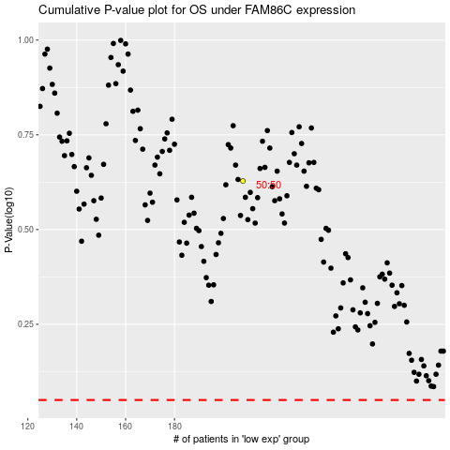

 |  |  |  |  |  | cases_OS | p_OS | rank | exp
 |  |  |  |  |  |  | cases_RFS | p_RFS | rank | exp

