FAM86D _multivariate
Reported by Tex Li-Hsing Chi. tex@gate.sinica.edu.tw 2019-08-19

Table 2. The clinicopathological features of HNSCC cohort and FAM86D expression. (Chi square test)
Cutoff at -0.227 (49.8%)
 |  | FAM86D expression |  | FAM86D expression |  | (Optimised)
 | Features | Low | (%) | High | (%) | Case no | P-value | Remark | Matthews
Gender | Female | 148 | 35.7 | 158 | 38.1 | 415 | 0.3567 | 0 | 0
2 | Male | 59 | 14.2 | 50 | 12
Age at diagnosis | <=65y | 140 | 33.7 | 134 | 32.3 | 415 | 0.5574 | 0 | 0
4 | >65y | 67 | 16.1 | 74 | 17.8
Clinical T Status | T1+T2 | 79 | 19 | 70 | 16.9 | 415 | 0.3924 | 0 | 0
6 | T3+T4 | 128 | 30.8 | 138 | 33.3
Clinical N Status | N0 | 103 | 24.8 | 113 | 27.2 | 415 | 0.4047 | 0 | 0
8 | N1-3 | 104 | 25.1 | 95 | 22.9
Clinical M Status | M0 | 205 | 49.4 | 207 | 49.9 | 415 | 0.6232 | 0 | 0
10 | M1 | 2 | 0.5 | 1 | 0.2
Clinical Stage | Stage I+II | 54 | 13 | 48 | 11.6 | 415 | 0.5498 | 0 | 0
12 | Stage III+IV | 153 | 36.9 | 160 | 38.6
Surgical Margin status | Negative | 166 | 40 | 152 | 36.6 | 415 | 0.1042 | 0 | 0
14 | Positive | 41 | 9.9 | 56 | 13.5
Tobacco Exposure | Low | 80 | 19.3 | 81 | 19.5 | 415 | 1 | 0 | 0
16 | High | 127 | 30.6 | 127 | 30.6

Table 3. Univariate/Multivariate Cox's proportional hazards regression analyses on OS time of FAM86D gene expression in HNSCC

 |  | Univariate |  |  |  | Multivariate
 | Features | HR | CI95%(L) | CI95%(H) | P-value | HR | CI95%(L) | CI95%(H) | P-value
1 | Female | 1 |  |  |  | 1
Gender | Male | 1.157 | 0.843 | 1.587 | 0.367 | 1.202 | 0.86 | 1.678 | 0.281
11 | <=65y | 1 |  |  |  | 1
Age at diagnosis | >65y | 1.329 | 0.99 | 1.784 | 0.058 | 1.397 | 1.027 | 1.901 | 0.033
12 | T1+T2 | 1 |  |  |  | 1
Clinical T Status | T3+T4 | 1.409 | 1.028 | 1.931 | 0.033 | 2.214 | 1.171 | 4.188 | 0.015
13 | N0 | 1 |  |  |  | 1
Clinical N Status | N1-3 | 1.185 | 0.89 | 1.577 | 0.246 | 1.234 | 0.865 | 1.762 | 0.246
14 | M0 | 1 |  |  |  | 1
Clinical M Status | M1 | 4.097 | 1.009 | 16.644 | 0.049 | 9.295 | 2.026 | 42.644 | 0.004
15 | Stage I+II | 1 |  |  |  | 1
Clinical Stage | Stage III+IV | 1.245 | 0.882 | 1.759 | 0.213 | 0.504 | 0.235 | 1.082 | 0.079
16 | Negative | 1 |  |  |  | 1
Surgical Margin status | Positive | 1.591 | 1.155 | 2.191 | 0.004 | 1.689 | 1.218 | 2.341 | 0.002
17 | Low | 1 |  |  |  | 1
Tobacco Exposure | High | 1.364 | 1.008 | 1.844 | 0.044 | 1.452 | 1.054 | 2.001 | 0.023
18 | Low | 1 |  |  |  | 1
RNAseq(z-score) | High | 0.995 | 0.748 | 1.325 | 0.974 | 0.935 | 0.699 | 1.25 | 0.649

Table 4. Univariate/Multivariate Cox's proportional hazards regression analyses on RFS time of FAM86D gene expression in HNSCC

 |  | Univariate |  |  |  | Multivariate
 | Features | HR | CI95%(L) | CI95%(H) | P-value | HR | CI95%(L) | CI95%(H) | P-value
1 | Female | 1 |  |  |  | 1
Gender | Male | 1.157 | 0.843 | 1.587 | 0.367 | 1.202 | 0.86 | 1.678 | 0.281
11 | <=65y | 1 |  |  |  | 1
Age at diagnosis | >65y | 1.329 | 0.99 | 1.784 | 0.058 | 1.397 | 1.027 | 1.901 | 0.033
12 | T1+T2 | 1 |  |  |  | 1
Clinical T Status | T3+T4 | 1.409 | 1.028 | 1.931 | 0.033 | 2.214 | 1.171 | 4.188 | 0.015
13 | N0 | 1 |  |  |  | 1
Clinical N Status | N1-3 | 1.185 | 0.89 | 1.577 | 0.246 | 1.234 | 0.865 | 1.762 | 0.246
14 | M0 | 1 |  |  |  | 1
Clinical M Status | M1 | 4.097 | 1.009 | 16.644 | 0.049 | 9.295 | 2.026 | 42.644 | 0.004
15 | Stage I+II | 1 |  |  |  | 1
Clinical Stage | Stage III+IV | 1.245 | 0.882 | 1.759 | 0.213 | 0.504 | 0.235 | 1.082 | 0.079
16 | Negative | 1 |  |  |  | 1
Surgical Margin status | Positive | 1.591 | 1.155 | 2.191 | 0.004 | 1.689 | 1.218 | 2.341 | 0.002
17 | Low | 1 |  |  |  | 1
Tobacco Exposure | High | 1.364 | 1.008 | 1.844 | 0.044 | 1.452 | 1.054 | 2.001 | 0.023
18 | Low | 1 |  |  |  | 1
RNAseq(z-score) | High | 0.995 | 0.748 | 1.325 | 0.974 | 0.935 | 0.699 | 1.25 | 0.649

Kaplan-Meier survival estimate: Cutoff at -0.227 (49.8%)



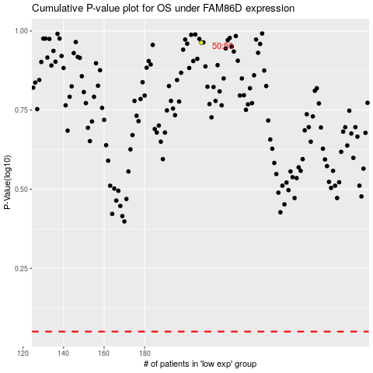

 |  |  |  |  |  | cases_OS | p_OS | rank | exp
 |  |  |  |  |  |  | cases_RFS | p_RFS | rank | exp

