FAM89A _multivariate
Reported by Tex Li-Hsing Chi. tex@gate.sinica.edu.tw 2019-08-19

Table 2. The clinicopathological features of HNSCC cohort and FAM89A expression. (Chi square test)
Cutoff at -0.069 (50.0%)
 |  | FAM89A expression |  | FAM89A expression |  | (Optimised)
 | Features | Low | (%) | High | (%) | Case no | P-value | Remark | Matthews
Gender | Female | 157 | 37.8 | 149 | 35.9 | 415 | 0.3881 | 0 | 0
2 | Male | 50 | 12 | 59 | 14.2
Age at diagnosis | <=65y | 129 | 31.1 | 145 | 34.9 | 415 | 0.1372 | 0 | 0
4 | >65y | 78 | 18.8 | 63 | 15.2
Clinical T Status | T1+T2 | 91 | 21.9 | 58 | 14 | 415 | 9e-04 | 1 | 0
6 | T3+T4 | 116 | 28 | 150 | 36.1
Clinical N Status | N0 | 108 | 26 | 108 | 26 | 415 | 1 | 0 | 0
8 | N1-3 | 99 | 23.9 | 100 | 24.1
Clinical M Status | M0 | 206 | 49.6 | 206 | 49.6 | 415 | 1 | 0 | 0
10 | M1 | 1 | 0.2 | 2 | 0.5
Clinical Stage | Stage I+II | 58 | 14 | 44 | 10.6 | 415 | 0.131 | 0 | 0
12 | Stage III+IV | 149 | 35.9 | 164 | 39.5
Surgical Margin status | Negative | 154 | 37.1 | 164 | 39.5 | 415 | 0.2984 | 0 | 0
14 | Positive | 53 | 12.8 | 44 | 10.6
Tobacco Exposure | Low | 88 | 21.2 | 73 | 17.6 | 415 | 0.1314 | 0 | 0
16 | High | 119 | 28.7 | 135 | 32.5

Table 3. Univariate/Multivariate Cox's proportional hazards regression analyses on OS time of FAM89A gene expression in HNSCC

 |  | Univariate |  |  |  | Multivariate
 | Features | HR | CI95%(L) | CI95%(H) | P-value | HR | CI95%(L) | CI95%(H) | P-value
1 | Female | 1 |  |  |  | 1
Gender | Male | 1.157 | 0.843 | 1.587 | 0.367 | 1.273 | 0.908 | 1.786 | 0.161
11 | <=65y | 1 |  |  |  | 1
Age at diagnosis | >65y | 1.329 | 0.99 | 1.784 | 0.058 | 1.344 | 0.985 | 1.833 | 0.062
12 | T1+T2 | 1 |  |  |  | 1
Clinical T Status | T3+T4 | 1.409 | 1.028 | 1.931 | 0.033 | 2.427 | 1.276 | 4.618 | 0.007
13 | N0 | 1 |  |  |  | 1
Clinical N Status | N1-3 | 1.185 | 0.89 | 1.577 | 0.246 | 1.248 | 0.874 | 1.783 | 0.223
14 | M0 | 1 |  |  |  | 1
Clinical M Status | M1 | 4.097 | 1.009 | 16.644 | 0.049 | 11.38 | 2.458 | 52.681 | 0.002
15 | Stage I+II | 1 |  |  |  | 1
Clinical Stage | Stage III+IV | 1.245 | 0.882 | 1.759 | 0.213 | 0.48 | 0.223 | 1.032 | 0.06
16 | Negative | 1 |  |  |  | 1
Surgical Margin status | Positive | 1.591 | 1.155 | 2.191 | 0.004 | 1.655 | 1.198 | 2.288 | 0.002
17 | Low | 1 |  |  |  | 1
Tobacco Exposure | High | 1.364 | 1.008 | 1.844 | 0.044 | 1.494 | 1.083 | 2.06 | 0.014
18 | Low | 1 |  |  |  | 1
RNAseq(z-score) | High | 0.785 | 0.589 | 1.047 | 0.1 | 0.704 | 0.522 | 0.948 | 0.021

Table 4. Univariate/Multivariate Cox's proportional hazards regression analyses on RFS time of FAM89A gene expression in HNSCC

 |  | Univariate |  |  |  | Multivariate
 | Features | HR | CI95%(L) | CI95%(H) | P-value | HR | CI95%(L) | CI95%(H) | P-value
1 | Female | 1 |  |  |  | 1
Gender | Male | 1.157 | 0.843 | 1.587 | 0.367 | 1.273 | 0.908 | 1.786 | 0.161
11 | <=65y | 1 |  |  |  | 1
Age at diagnosis | >65y | 1.329 | 0.99 | 1.784 | 0.058 | 1.344 | 0.985 | 1.833 | 0.062
12 | T1+T2 | 1 |  |  |  | 1
Clinical T Status | T3+T4 | 1.409 | 1.028 | 1.931 | 0.033 | 2.427 | 1.276 | 4.618 | 0.007
13 | N0 | 1 |  |  |  | 1
Clinical N Status | N1-3 | 1.185 | 0.89 | 1.577 | 0.246 | 1.248 | 0.874 | 1.783 | 0.223
14 | M0 | 1 |  |  |  | 1
Clinical M Status | M1 | 4.097 | 1.009 | 16.644 | 0.049 | 11.38 | 2.458 | 52.681 | 0.002
15 | Stage I+II | 1 |  |  |  | 1
Clinical Stage | Stage III+IV | 1.245 | 0.882 | 1.759 | 0.213 | 0.48 | 0.223 | 1.032 | 0.06
16 | Negative | 1 |  |  |  | 1
Surgical Margin status | Positive | 1.591 | 1.155 | 2.191 | 0.004 | 1.655 | 1.198 | 2.288 | 0.002
17 | Low | 1 |  |  |  | 1
Tobacco Exposure | High | 1.364 | 1.008 | 1.844 | 0.044 | 1.494 | 1.083 | 2.06 | 0.014
18 | Low | 1 |  |  |  | 1
RNAseq(z-score) | High | 0.785 | 0.589 | 1.047 | 0.1 | 0.704 | 0.522 | 0.948 | 0.021

Kaplan-Meier survival estimate: Cutoff at -0.069 (50.0%)



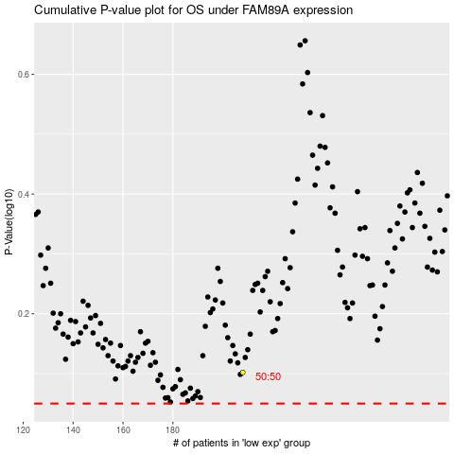

 |  |  |  |  |  | cases_OS | p_OS | rank | exp
 |  |  |  |  |  |  | cases_RFS | p_RFS | rank | exp

