FAM89B _multivariate
Reported by Tex Li-Hsing Chi. tex@gate.sinica.edu.tw 2019-08-19

Table 2. The clinicopathological features of HNSCC cohort and FAM89B expression. (Chi square test)
Cutoff at 0.172 (69.1%)
 |  | FAM89B expression |  | FAM89B expression |  | (Optimised)
 | Features | Low | (%) | High | (%) | Case no | P-value | Remark | Matthews
Gender | Female | 214 | 51.6 | 92 | 22.2 | 415 | 0.5281 | 0 | 0
2 | Male | 72 | 17.3 | 37 | 8.9
Age at diagnosis | <=65y | 177 | 42.7 | 97 | 23.4 | 415 | 0.0112 | 1 | 0
4 | >65y | 109 | 26.3 | 32 | 7.7
Clinical T Status | T1+T2 | 95 | 22.9 | 54 | 13 | 415 | 0.1122 | 0 | 0
6 | T3+T4 | 191 | 46 | 75 | 18.1
Clinical N Status | N0 | 150 | 36.1 | 66 | 15.9 | 415 | 0.8916 | 0 | 0
8 | N1-3 | 136 | 32.8 | 63 | 15.2
Clinical M Status | M0 | 285 | 68.7 | 127 | 30.6 | 415 | 0.2292 | 0 | 0
10 | M1 | 1 | 0.2 | 2 | 0.5
Clinical Stage | Stage I+II | 65 | 15.7 | 37 | 8.9 | 415 | 0.2376 | 0 | 0
12 | Stage III+IV | 221 | 53.3 | 92 | 22.2
Surgical Margin status | Negative | 218 | 52.5 | 100 | 24.1 | 415 | 0.8034 | 0 | 0
14 | Positive | 68 | 16.4 | 29 | 7
Tobacco Exposure | Low | 113 | 27.2 | 48 | 11.6 | 415 | 0.6652 | 0 | 0
16 | High | 173 | 41.7 | 81 | 19.5

Table 3. Univariate/Multivariate Cox's proportional hazards regression analyses on OS time of FAM89B gene expression in HNSCC

 |  | Univariate |  |  |  | Multivariate
 | Features | HR | CI95%(L) | CI95%(H) | P-value | HR | CI95%(L) | CI95%(H) | P-value
1 | Female | 1 |  |  |  | 1
Gender | Male | 1.157 | 0.843 | 1.587 | 0.367 | 1.245 | 0.891 | 1.742 | 0.199
11 | <=65y | 1 |  |  |  | 1
Age at diagnosis | >65y | 1.329 | 0.99 | 1.784 | 0.058 | 1.301 | 0.953 | 1.777 | 0.097
12 | T1+T2 | 1 |  |  |  | 1
Clinical T Status | T3+T4 | 1.409 | 1.028 | 1.931 | 0.033 | 2.231 | 1.18 | 4.218 | 0.014
13 | N0 | 1 |  |  |  | 1
Clinical N Status | N1-3 | 1.185 | 0.89 | 1.577 | 0.246 | 1.247 | 0.873 | 1.781 | 0.225
14 | M0 | 1 |  |  |  | 1
Clinical M Status | M1 | 4.097 | 1.009 | 16.644 | 0.049 | 11.716 | 2.526 | 54.348 | 0.002
15 | Stage I+II | 1 |  |  |  | 1
Clinical Stage | Stage III+IV | 1.245 | 0.882 | 1.759 | 0.213 | 0.485 | 0.226 | 1.041 | 0.063
16 | Negative | 1 |  |  |  | 1
Surgical Margin status | Positive | 1.591 | 1.155 | 2.191 | 0.004 | 1.674 | 1.211 | 2.313 | 0.002
17 | Low | 1 |  |  |  | 1
Tobacco Exposure | High | 1.364 | 1.008 | 1.844 | 0.044 | 1.491 | 1.082 | 2.055 | 0.015
18 | Low | 1 |  |  |  | 1
RNAseq(z-score) | High | 0.684 | 0.494 | 0.948 | 0.023 | 0.666 | 0.475 | 0.934 | 0.018

Table 4. Univariate/Multivariate Cox's proportional hazards regression analyses on RFS time of FAM89B gene expression in HNSCC

 |  | Univariate |  |  |  | Multivariate
 | Features | HR | CI95%(L) | CI95%(H) | P-value | HR | CI95%(L) | CI95%(H) | P-value
1 | Female | 1 |  |  |  | 1
Gender | Male | 1.157 | 0.843 | 1.587 | 0.367 | 1.245 | 0.891 | 1.742 | 0.199
11 | <=65y | 1 |  |  |  | 1
Age at diagnosis | >65y | 1.329 | 0.99 | 1.784 | 0.058 | 1.301 | 0.953 | 1.777 | 0.097
12 | T1+T2 | 1 |  |  |  | 1
Clinical T Status | T3+T4 | 1.409 | 1.028 | 1.931 | 0.033 | 2.231 | 1.18 | 4.218 | 0.014
13 | N0 | 1 |  |  |  | 1
Clinical N Status | N1-3 | 1.185 | 0.89 | 1.577 | 0.246 | 1.247 | 0.873 | 1.781 | 0.225
14 | M0 | 1 |  |  |  | 1
Clinical M Status | M1 | 4.097 | 1.009 | 16.644 | 0.049 | 11.716 | 2.526 | 54.348 | 0.002
15 | Stage I+II | 1 |  |  |  | 1
Clinical Stage | Stage III+IV | 1.245 | 0.882 | 1.759 | 0.213 | 0.485 | 0.226 | 1.041 | 0.063
16 | Negative | 1 |  |  |  | 1
Surgical Margin status | Positive | 1.591 | 1.155 | 2.191 | 0.004 | 1.674 | 1.211 | 2.313 | 0.002
17 | Low | 1 |  |  |  | 1
Tobacco Exposure | High | 1.364 | 1.008 | 1.844 | 0.044 | 1.491 | 1.082 | 2.055 | 0.015
18 | Low | 1 |  |  |  | 1
RNAseq(z-score) | High | 0.684 | 0.494 | 0.948 | 0.023 | 0.666 | 0.475 | 0.934 | 0.018

Kaplan-Meier survival estimate: Cutoff at 0.172 (69.1%)

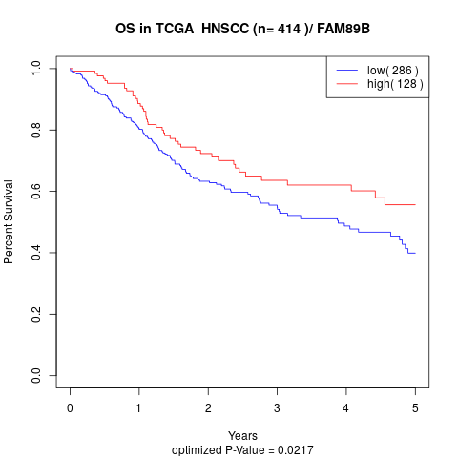

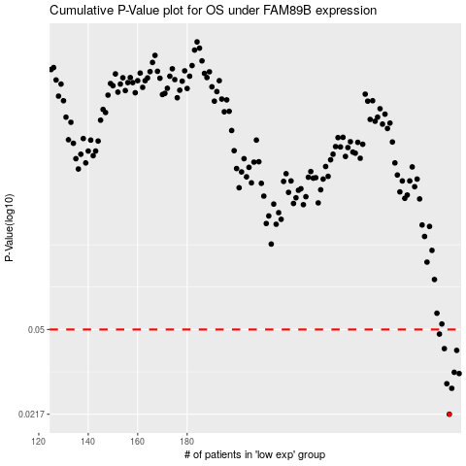

 |  |  |  |  |  | cases_OS | p_OS | rank | exp
 |  |  |  |  |  | 286 | 0.0217 | 71 | 0.17232073933
 |  |  |  |  |  | 287 | 0.028 | 303 | 0.17335312108
 |  |  |  |  |  | 285 | 0.0293 | 125 | 0.16652712131
 |  |  |  |  |  | 290 | 0.0324 | 232 | 0.19290193598
 |  |  |  |  |  | 288 | 0.0328 | 128 | 0.18245926454
 |  |  |  |  |  | 289 | 0.0407 | 405 | 0.18667823831
 |  |  |  |  |  | 284 | 0.0414 | 191 | 0.16561114288
 |  |  |  |  |  | 282 | 0.0478 | 307 | 0.14965095393
 |  |  |  |  |  |  | cases_RFS | p_RFS | rank | exp
 |  |  |  |  |  |  | 285 | 0.0217 | 125 | 0.16652712131
 |  |  |  |  |  |  | 286 | 0.028 | 71 | 0.17232073933
 |  |  |  |  |  |  | 284 | 0.0293 | 191 | 0.16561114288
 |  |  |  |  |  |  | 289 | 0.0324 | 405 | 0.18667823831
 |  |  |  |  |  |  | 287 | 0.0328 | 303 | 0.17335312108
 |  |  |  |  |  |  | 288 | 0.0407 | 128 | 0.18245926454
 |  |  |  |  |  |  | 283 | 0.0414 | 220 | 0.16508317552
 |  |  |  |  |  |  | 281 | 0.0478 | 203 | 0.14344726947

