FAM91A1 _multivariate
Reported by Tex Li-Hsing Chi. tex@gate.sinica.edu.tw 2019-08-19

Table 2. The clinicopathological features of HNSCC cohort and FAM91A1 expression. (Chi square test)
Cutoff at 0.06 (50.0%)
 |  | FAM91A1 expression |  | FAM91A1 expression |  | (Optimised)
 | Features | Low | (%) | High | (%) | Case no | P-value | Remark | Matthews
Gender | Female | 160 | 38.6 | 146 | 35.2 | 415 | 0.1254 | 0 | 0
2 | Male | 47 | 11.3 | 62 | 14.9
Age at diagnosis | <=65y | 141 | 34 | 133 | 32 | 415 | 0.4272 | 0 | 0
4 | >65y | 66 | 15.9 | 75 | 18.1
Clinical T Status | T1+T2 | 80 | 19.3 | 69 | 16.6 | 415 | 0.2891 | 0 | 0
6 | T3+T4 | 127 | 30.6 | 139 | 33.5
Clinical N Status | N0 | 111 | 26.7 | 105 | 25.3 | 415 | 0.5875 | 0 | 0
8 | N1-3 | 96 | 23.1 | 103 | 24.8
Clinical M Status | M0 | 205 | 49.4 | 207 | 49.9 | 415 | 0.6232 | 0 | 0
10 | M1 | 2 | 0.5 | 1 | 0.2
Clinical Stage | Stage I+II | 50 | 12 | 52 | 12.5 | 415 | 0.9315 | 0 | 0
12 | Stage III+IV | 157 | 37.8 | 156 | 37.6
Surgical Margin status | Negative | 152 | 36.6 | 166 | 40 | 415 | 0.1329 | 0 | 0
14 | Positive | 55 | 13.3 | 42 | 10.1
Tobacco Exposure | Low | 81 | 19.5 | 80 | 19.3 | 415 | 0.9199 | 0 | 0
16 | High | 126 | 30.4 | 128 | 30.8

Table 3. Univariate/Multivariate Cox's proportional hazards regression analyses on OS time of FAM91A1 gene expression in HNSCC

 |  | Univariate |  |  |  | Multivariate
 | Features | HR | CI95%(L) | CI95%(H) | P-value | HR | CI95%(L) | CI95%(H) | P-value
1 | Female | 1 |  |  |  | 1
Gender | Male | 1.157 | 0.843 | 1.587 | 0.367 | 1.196 | 0.856 | 1.671 | 0.295
11 | <=65y | 1 |  |  |  | 1
Age at diagnosis | >65y | 1.329 | 0.99 | 1.784 | 0.058 | 1.392 | 1.024 | 1.892 | 0.035
12 | T1+T2 | 1 |  |  |  | 1
Clinical T Status | T3+T4 | 1.409 | 1.028 | 1.931 | 0.033 | 2.163 | 1.142 | 4.097 | 0.018
13 | N0 | 1 |  |  |  | 1
Clinical N Status | N1-3 | 1.185 | 0.89 | 1.577 | 0.246 | 1.228 | 0.86 | 1.754 | 0.258
14 | M0 | 1 |  |  |  | 1
Clinical M Status | M1 | 4.097 | 1.009 | 16.644 | 0.049 | 9.558 | 2.084 | 43.834 | 0.004
15 | Stage I+II | 1 |  |  |  | 1
Clinical Stage | Stage III+IV | 1.245 | 0.882 | 1.759 | 0.213 | 0.522 | 0.242 | 1.128 | 0.098
16 | Negative | 1 |  |  |  | 1
Surgical Margin status | Positive | 1.591 | 1.155 | 2.191 | 0.004 | 1.688 | 1.221 | 2.335 | 0.002
17 | Low | 1 |  |  |  | 1
Tobacco Exposure | High | 1.364 | 1.008 | 1.844 | 0.044 | 1.457 | 1.057 | 2.007 | 0.021
18 | Low | 1 |  |  |  | 1
RNAseq(z-score) | High | 1.082 | 0.812 | 1.441 | 0.591 | 1.111 | 0.83 | 1.487 | 0.481

Table 4. Univariate/Multivariate Cox's proportional hazards regression analyses on RFS time of FAM91A1 gene expression in HNSCC

 |  | Univariate |  |  |  | Multivariate
 | Features | HR | CI95%(L) | CI95%(H) | P-value | HR | CI95%(L) | CI95%(H) | P-value
1 | Female | 1 |  |  |  | 1
Gender | Male | 1.157 | 0.843 | 1.587 | 0.367 | 1.196 | 0.856 | 1.671 | 0.295
11 | <=65y | 1 |  |  |  | 1
Age at diagnosis | >65y | 1.329 | 0.99 | 1.784 | 0.058 | 1.392 | 1.024 | 1.892 | 0.035
12 | T1+T2 | 1 |  |  |  | 1
Clinical T Status | T3+T4 | 1.409 | 1.028 | 1.931 | 0.033 | 2.163 | 1.142 | 4.097 | 0.018
13 | N0 | 1 |  |  |  | 1
Clinical N Status | N1-3 | 1.185 | 0.89 | 1.577 | 0.246 | 1.228 | 0.86 | 1.754 | 0.258
14 | M0 | 1 |  |  |  | 1
Clinical M Status | M1 | 4.097 | 1.009 | 16.644 | 0.049 | 9.558 | 2.084 | 43.834 | 0.004
15 | Stage I+II | 1 |  |  |  | 1
Clinical Stage | Stage III+IV | 1.245 | 0.882 | 1.759 | 0.213 | 0.522 | 0.242 | 1.128 | 0.098
16 | Negative | 1 |  |  |  | 1
Surgical Margin status | Positive | 1.591 | 1.155 | 2.191 | 0.004 | 1.688 | 1.221 | 2.335 | 0.002
17 | Low | 1 |  |  |  | 1
Tobacco Exposure | High | 1.364 | 1.008 | 1.844 | 0.044 | 1.457 | 1.057 | 2.007 | 0.021
18 | Low | 1 |  |  |  | 1
RNAseq(z-score) | High | 1.082 | 0.812 | 1.441 | 0.591 | 1.111 | 0.83 | 1.487 | 0.481

Kaplan-Meier survival estimate: Cutoff at 0.06 (50.0%)



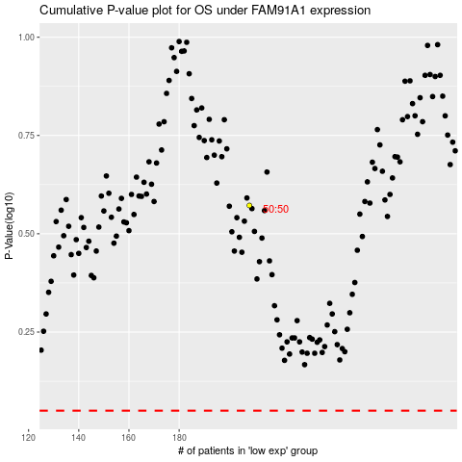

 |  |  |  |  |  | cases_OS | p_OS | rank | exp
 |  |  |  |  |  |  | cases_RFS | p_RFS | rank | exp

