FAM92A1 _multivariate
Reported by Tex Li-Hsing Chi. tex@gate.sinica.edu.tw 2019-08-19

Table 2. The clinicopathological features of HNSCC cohort and FAM92A1 expression. (Chi square test)
Cutoff at -0.102 (49.8%)
 |  | FAM92A1 expression |  | FAM92A1 expression |  | (Optimised)
 | Features | Low | (%) | High | (%) | Case no | P-value | Remark | Matthews
Gender | Female | 152 | 36.6 | 154 | 37.1 | 415 | 0.9766 | 0 | 0
2 | Male | 55 | 13.3 | 54 | 13
Age at diagnosis | <=65y | 141 | 34 | 133 | 32 | 415 | 0.4272 | 0 | 0
4 | >65y | 66 | 15.9 | 75 | 18.1
Clinical T Status | T1+T2 | 79 | 19 | 70 | 16.9 | 415 | 0.3924 | 0 | 0
6 | T3+T4 | 128 | 30.8 | 138 | 33.3
Clinical N Status | N0 | 114 | 27.5 | 102 | 24.6 | 415 | 0.2576 | 1 | 0
8 | N1-3 | 93 | 22.4 | 106 | 25.5
Clinical M Status | M0 | 205 | 49.4 | 207 | 49.9 | 415 | 0.6232 | 0 | 0
10 | M1 | 2 | 0.5 | 1 | 0.2
Clinical Stage | Stage I+II | 53 | 12.8 | 49 | 11.8 | 415 | 0.7113 | 0 | 0
12 | Stage III+IV | 154 | 37.1 | 159 | 38.3
Surgical Margin status | Negative | 157 | 37.8 | 161 | 38.8 | 415 | 0.729 | 0 | 0
14 | Positive | 50 | 12 | 47 | 11.3
Tobacco Exposure | Low | 101 | 24.3 | 60 | 14.5 | 415 | 0 | 1 | 0
16 | High | 106 | 25.5 | 148 | 35.7

Table 3. Univariate/Multivariate Cox's proportional hazards regression analyses on OS time of FAM92A1 gene expression in HNSCC

 |  | Univariate |  |  |  | Multivariate
 | Features | HR | CI95%(L) | CI95%(H) | P-value | HR | CI95%(L) | CI95%(H) | P-value
1 | Female | 1 |  |  |  | 1
Gender | Male | 1.157 | 0.843 | 1.587 | 0.367 | 1.197 | 0.857 | 1.672 | 0.291
11 | <=65y | 1 |  |  |  | 1
Age at diagnosis | >65y | 1.329 | 0.99 | 1.784 | 0.058 | 1.413 | 1.037 | 1.925 | 0.029
12 | T1+T2 | 1 |  |  |  | 1
Clinical T Status | T3+T4 | 1.409 | 1.028 | 1.931 | 0.033 | 2.256 | 1.189 | 4.28 | 0.013
13 | N0 | 1 |  |  |  | 1
Clinical N Status | N1-3 | 1.185 | 0.89 | 1.577 | 0.246 | 1.261 | 0.881 | 1.804 | 0.205
14 | M0 | 1 |  |  |  | 1
Clinical M Status | M1 | 4.097 | 1.009 | 16.644 | 0.049 | 9.299 | 2.027 | 42.659 | 0.004
15 | Stage I+II | 1 |  |  |  | 1
Clinical Stage | Stage III+IV | 1.245 | 0.882 | 1.759 | 0.213 | 0.483 | 0.223 | 1.046 | 0.065
16 | Negative | 1 |  |  |  | 1
Surgical Margin status | Positive | 1.591 | 1.155 | 2.191 | 0.004 | 1.682 | 1.216 | 2.327 | 0.002
17 | Low | 1 |  |  |  | 1
Tobacco Exposure | High | 1.364 | 1.008 | 1.844 | 0.044 | 1.494 | 1.075 | 2.076 | 0.017
18 | Low | 1 |  |  |  | 1
RNAseq(z-score) | High | 1.02 | 0.766 | 1.36 | 0.891 | 0.895 | 0.662 | 1.209 | 0.469

Table 4. Univariate/Multivariate Cox's proportional hazards regression analyses on RFS time of FAM92A1 gene expression in HNSCC

 |  | Univariate |  |  |  | Multivariate
 | Features | HR | CI95%(L) | CI95%(H) | P-value | HR | CI95%(L) | CI95%(H) | P-value
1 | Female | 1 |  |  |  | 1
Gender | Male | 1.157 | 0.843 | 1.587 | 0.367 | 1.197 | 0.857 | 1.672 | 0.291
11 | <=65y | 1 |  |  |  | 1
Age at diagnosis | >65y | 1.329 | 0.99 | 1.784 | 0.058 | 1.413 | 1.037 | 1.925 | 0.029
12 | T1+T2 | 1 |  |  |  | 1
Clinical T Status | T3+T4 | 1.409 | 1.028 | 1.931 | 0.033 | 2.256 | 1.189 | 4.28 | 0.013
13 | N0 | 1 |  |  |  | 1
Clinical N Status | N1-3 | 1.185 | 0.89 | 1.577 | 0.246 | 1.261 | 0.881 | 1.804 | 0.205
14 | M0 | 1 |  |  |  | 1
Clinical M Status | M1 | 4.097 | 1.009 | 16.644 | 0.049 | 9.299 | 2.027 | 42.659 | 0.004
15 | Stage I+II | 1 |  |  |  | 1
Clinical Stage | Stage III+IV | 1.245 | 0.882 | 1.759 | 0.213 | 0.483 | 0.223 | 1.046 | 0.065
16 | Negative | 1 |  |  |  | 1
Surgical Margin status | Positive | 1.591 | 1.155 | 2.191 | 0.004 | 1.682 | 1.216 | 2.327 | 0.002
17 | Low | 1 |  |  |  | 1
Tobacco Exposure | High | 1.364 | 1.008 | 1.844 | 0.044 | 1.494 | 1.075 | 2.076 | 0.017
18 | Low | 1 |  |  |  | 1
RNAseq(z-score) | High | 1.02 | 0.766 | 1.36 | 0.891 | 0.895 | 0.662 | 1.209 | 0.469

Kaplan-Meier survival estimate: Cutoff at -0.102 (49.8%)



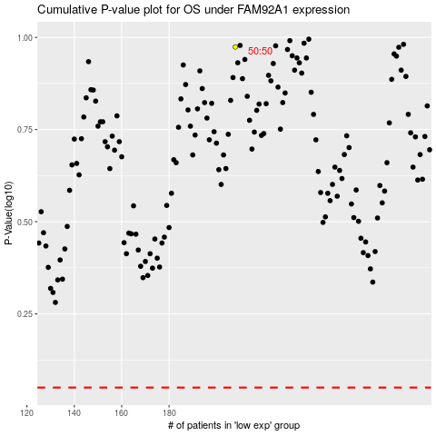

 |  |  |  |  |  | cases_OS | p_OS | rank | exp
 |  |  |  |  |  |  | cases_RFS | p_RFS | rank | exp

