FAM98A _multivariate
Reported by Tex Li-Hsing Chi. tex@gate.sinica.edu.tw 2019-08-19

Table 2. The clinicopathological features of HNSCC cohort and FAM98A expression. (Chi square test)
Cutoff at -0.017 (50.0%)
 |  | FAM98A expression |  | FAM98A expression |  | (Optimised)
 | Features | Low | (%) | High | (%) | Case no | P-value | Remark | Matthews
Gender | Female | 157 | 37.8 | 149 | 35.9 | 415 | 0.3881 | 0 | 0
2 | Male | 50 | 12 | 59 | 14.2
Age at diagnosis | <=65y | 136 | 32.8 | 138 | 33.3 | 415 | 0.9719 | 0 | 0
4 | >65y | 71 | 17.1 | 70 | 16.9
Clinical T Status | T1+T2 | 72 | 17.3 | 77 | 18.6 | 415 | 0.7095 | 0 | 0
6 | T3+T4 | 135 | 32.5 | 131 | 31.6
Clinical N Status | N0 | 111 | 26.7 | 105 | 25.3 | 415 | 0.5875 | 0 | 0
8 | N1-3 | 96 | 23.1 | 103 | 24.8
Clinical M Status | M0 | 206 | 49.6 | 206 | 49.6 | 415 | 1 | 0 | 0
10 | M1 | 1 | 0.2 | 2 | 0.5
Clinical Stage | Stage I+II | 45 | 10.8 | 57 | 13.7 | 415 | 0.2202 | 0 | 0
12 | Stage III+IV | 162 | 39 | 151 | 36.4
Surgical Margin status | Negative | 157 | 37.8 | 161 | 38.8 | 415 | 0.729 | 0 | 0
14 | Positive | 50 | 12 | 47 | 11.3
Tobacco Exposure | Low | 76 | 18.3 | 85 | 20.5 | 415 | 0.4207 | 0 | 0
16 | High | 131 | 31.6 | 123 | 29.6

Table 3. Univariate/Multivariate Cox's proportional hazards regression analyses on OS time of FAM98A gene expression in HNSCC

 |  | Univariate |  |  |  | Multivariate
 | Features | HR | CI95%(L) | CI95%(H) | P-value | HR | CI95%(L) | CI95%(H) | P-value
1 | Female | 1 |  |  |  | 1
Gender | Male | 1.157 | 0.843 | 1.587 | 0.367 | 1.177 | 0.842 | 1.646 | 0.341
11 | <=65y | 1 |  |  |  | 1
Age at diagnosis | >65y | 1.329 | 0.99 | 1.784 | 0.058 | 1.429 | 1.05 | 1.947 | 0.023
12 | T1+T2 | 1 |  |  |  | 1
Clinical T Status | T3+T4 | 1.409 | 1.028 | 1.931 | 0.033 | 2.133 | 1.127 | 4.038 | 0.02
13 | N0 | 1 |  |  |  | 1
Clinical N Status | N1-3 | 1.185 | 0.89 | 1.577 | 0.246 | 1.225 | 0.858 | 1.749 | 0.263
14 | M0 | 1 |  |  |  | 1
Clinical M Status | M1 | 4.097 | 1.009 | 16.644 | 0.049 | 8.424 | 1.829 | 38.803 | 0.006
15 | Stage I+II | 1 |  |  |  | 1
Clinical Stage | Stage III+IV | 1.245 | 0.882 | 1.759 | 0.213 | 0.554 | 0.256 | 1.198 | 0.133
16 | Negative | 1 |  |  |  | 1
Surgical Margin status | Positive | 1.591 | 1.155 | 2.191 | 0.004 | 1.674 | 1.211 | 2.312 | 0.002
17 | Low | 1 |  |  |  | 1
Tobacco Exposure | High | 1.364 | 1.008 | 1.844 | 0.044 | 1.482 | 1.074 | 2.044 | 0.017
18 | Low | 1 |  |  |  | 1
RNAseq(z-score) | High | 1.219 | 0.915 | 1.624 | 0.176 | 1.288 | 0.957 | 1.733 | 0.095

Table 4. Univariate/Multivariate Cox's proportional hazards regression analyses on RFS time of FAM98A gene expression in HNSCC

 |  | Univariate |  |  |  | Multivariate
 | Features | HR | CI95%(L) | CI95%(H) | P-value | HR | CI95%(L) | CI95%(H) | P-value
1 | Female | 1 |  |  |  | 1
Gender | Male | 1.157 | 0.843 | 1.587 | 0.367 | 1.177 | 0.842 | 1.646 | 0.341
11 | <=65y | 1 |  |  |  | 1
Age at diagnosis | >65y | 1.329 | 0.99 | 1.784 | 0.058 | 1.429 | 1.05 | 1.947 | 0.023
12 | T1+T2 | 1 |  |  |  | 1
Clinical T Status | T3+T4 | 1.409 | 1.028 | 1.931 | 0.033 | 2.133 | 1.127 | 4.038 | 0.02
13 | N0 | 1 |  |  |  | 1
Clinical N Status | N1-3 | 1.185 | 0.89 | 1.577 | 0.246 | 1.225 | 0.858 | 1.749 | 0.263
14 | M0 | 1 |  |  |  | 1
Clinical M Status | M1 | 4.097 | 1.009 | 16.644 | 0.049 | 8.424 | 1.829 | 38.803 | 0.006
15 | Stage I+II | 1 |  |  |  | 1
Clinical Stage | Stage III+IV | 1.245 | 0.882 | 1.759 | 0.213 | 0.554 | 0.256 | 1.198 | 0.133
16 | Negative | 1 |  |  |  | 1
Surgical Margin status | Positive | 1.591 | 1.155 | 2.191 | 0.004 | 1.674 | 1.211 | 2.312 | 0.002
17 | Low | 1 |  |  |  | 1
Tobacco Exposure | High | 1.364 | 1.008 | 1.844 | 0.044 | 1.482 | 1.074 | 2.044 | 0.017
18 | Low | 1 |  |  |  | 1
RNAseq(z-score) | High | 1.219 | 0.915 | 1.624 | 0.176 | 1.288 | 0.957 | 1.733 | 0.095

Kaplan-Meier survival estimate: Cutoff at -0.017 (50.0%)

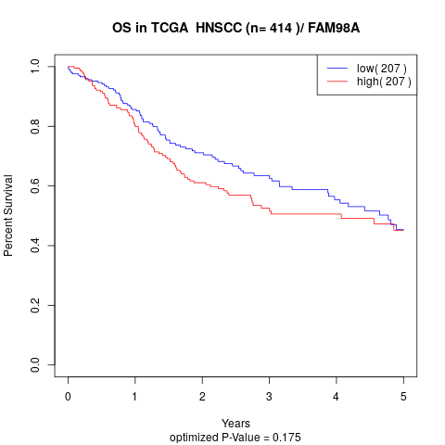

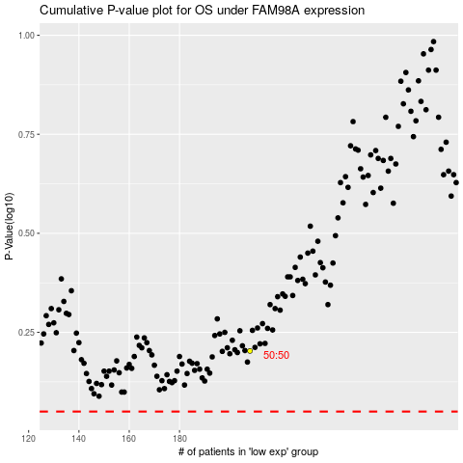

 |  |  |  |  |  | cases_OS | p_OS | rank | exp
 |  |  |  |  |  |  | cases_RFS | p_RFS | rank | exp

