FAM98B _multivariate
Reported by Tex Li-Hsing Chi. tex@gate.sinica.edu.tw 2019-08-19

Table 2. The clinicopathological features of HNSCC cohort and FAM98B expression. (Chi square test)
Cutoff at -0.485 (32.1%)
 |  | FAM98B expression |  | FAM98B expression |  | (Optimised)
 | Features | Low | (%) | High | (%) | Case no | P-value | Remark | Matthews
Gender | Female | 100 | 24.1 | 206 | 49.6 | 415 | 0.8683 | 0 | 0
2 | Male | 34 | 8.2 | 75 | 18.1
Age at diagnosis | <=65y | 88 | 21.2 | 186 | 44.8 | 415 | 1 | 0 | 0
4 | >65y | 46 | 11.1 | 95 | 22.9
Clinical T Status | T1+T2 | 45 | 10.8 | 104 | 25.1 | 415 | 0.5678 | 0 | 0
6 | T3+T4 | 89 | 21.4 | 177 | 42.7
Clinical N Status | N0 | 66 | 15.9 | 150 | 36.1 | 415 | 0.4954 | 0 | 0
8 | N1-3 | 68 | 16.4 | 131 | 31.6
Clinical M Status | M0 | 132 | 31.8 | 280 | 67.5 | 415 | 0.2449 | 0 | 0
10 | M1 | 2 | 0.5 | 1 | 0.2
Clinical Stage | Stage I+II | 29 | 7 | 73 | 17.6 | 415 | 0.4023 | 0 | 0
12 | Stage III+IV | 105 | 25.3 | 208 | 50.1
Surgical Margin status | Negative | 102 | 24.6 | 216 | 52 | 415 | 0.9015 | 0 | 0
14 | Positive | 32 | 7.7 | 65 | 15.7
Tobacco Exposure | Low | 56 | 13.5 | 105 | 25.3 | 415 | 0.3911 | 0 | 0
16 | High | 78 | 18.8 | 176 | 42.4

Table 3. Univariate/Multivariate Cox's proportional hazards regression analyses on OS time of FAM98B gene expression in HNSCC

 |  | Univariate |  |  |  | Multivariate
 | Features | HR | CI95%(L) | CI95%(H) | P-value | HR | CI95%(L) | CI95%(H) | P-value
1 | Female | 1 |  |  |  | 1
Gender | Male | 1.157 | 0.843 | 1.587 | 0.367 | 1.198 | 0.858 | 1.672 | 0.29
11 | <=65y | 1 |  |  |  | 1
Age at diagnosis | >65y | 1.329 | 0.99 | 1.784 | 0.058 | 1.421 | 1.043 | 1.936 | 0.026
12 | T1+T2 | 1 |  |  |  | 1
Clinical T Status | T3+T4 | 1.409 | 1.028 | 1.931 | 0.033 | 2.327 | 1.228 | 4.408 | 0.01
13 | N0 | 1 |  |  |  | 1
Clinical N Status | N1-3 | 1.185 | 0.89 | 1.577 | 0.246 | 1.299 | 0.908 | 1.859 | 0.152
14 | M0 | 1 |  |  |  | 1
Clinical M Status | M1 | 4.097 | 1.009 | 16.644 | 0.049 | 11.117 | 2.412 | 51.246 | 0.002
15 | Stage I+II | 1 |  |  |  | 1
Clinical Stage | Stage III+IV | 1.245 | 0.882 | 1.759 | 0.213 | 0.475 | 0.221 | 1.022 | 0.057
16 | Negative | 1 |  |  |  | 1
Surgical Margin status | Positive | 1.591 | 1.155 | 2.191 | 0.004 | 1.733 | 1.251 | 2.4 | 0.001
17 | Low | 1 |  |  |  | 1
Tobacco Exposure | High | 1.364 | 1.008 | 1.844 | 0.044 | 1.457 | 1.056 | 2.009 | 0.022
18 | Low | 1 |  |  |  | 1
RNAseq(z-score) | High | 1.453 | 1.049 | 2.012 | 0.025 | 1.588 | 1.141 | 2.21 | 0.006

Table 4. Univariate/Multivariate Cox's proportional hazards regression analyses on RFS time of FAM98B gene expression in HNSCC

 |  | Univariate |  |  |  | Multivariate
 | Features | HR | CI95%(L) | CI95%(H) | P-value | HR | CI95%(L) | CI95%(H) | P-value
1 | Female | 1 |  |  |  | 1
Gender | Male | 1.157 | 0.843 | 1.587 | 0.367 | 1.198 | 0.858 | 1.672 | 0.29
11 | <=65y | 1 |  |  |  | 1
Age at diagnosis | >65y | 1.329 | 0.99 | 1.784 | 0.058 | 1.421 | 1.043 | 1.936 | 0.026
12 | T1+T2 | 1 |  |  |  | 1
Clinical T Status | T3+T4 | 1.409 | 1.028 | 1.931 | 0.033 | 2.327 | 1.228 | 4.408 | 0.01
13 | N0 | 1 |  |  |  | 1
Clinical N Status | N1-3 | 1.185 | 0.89 | 1.577 | 0.246 | 1.299 | 0.908 | 1.859 | 0.152
14 | M0 | 1 |  |  |  | 1
Clinical M Status | M1 | 4.097 | 1.009 | 16.644 | 0.049 | 11.117 | 2.412 | 51.246 | 0.002
15 | Stage I+II | 1 |  |  |  | 1
Clinical Stage | Stage III+IV | 1.245 | 0.882 | 1.759 | 0.213 | 0.475 | 0.221 | 1.022 | 0.057
16 | Negative | 1 |  |  |  | 1
Surgical Margin status | Positive | 1.591 | 1.155 | 2.191 | 0.004 | 1.733 | 1.251 | 2.4 | 0.001
17 | Low | 1 |  |  |  | 1
Tobacco Exposure | High | 1.364 | 1.008 | 1.844 | 0.044 | 1.457 | 1.056 | 2.009 | 0.022
18 | Low | 1 |  |  |  | 1
RNAseq(z-score) | High | 1.453 | 1.049 | 2.012 | 0.025 | 1.588 | 1.141 | 2.21 | 0.006

Kaplan-Meier survival estimate: Cutoff at -0.485 (32.1%)

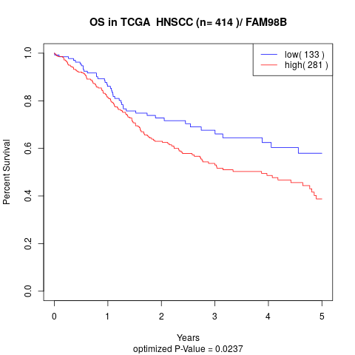

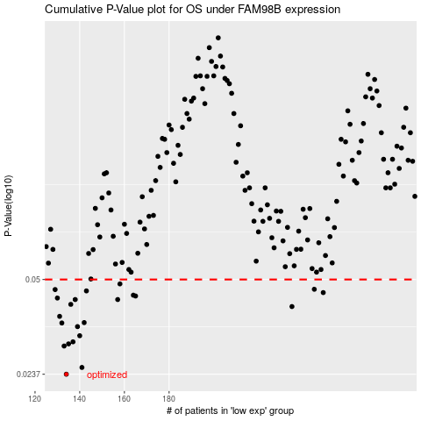

 |  |  |  |  |  | cases_OS | p_OS | rank | exp
 |  |  |  |  |  | 134 | 0.0237 | 74 | -0.4849275608
 |  |  |  |  |  | 141 | 0.025 | 78 | -0.43355410677
 |  |  |  |  |  | 133 | 0.0296 | 84 | -0.4885934214
 |  |  |  |  |  | 135 | 0.0301 | 97 | -0.48076611825
 |  |  |  |  |  | 137 | 0.0306 | 61 | -0.47381030037
 |  |  |  |  |  | 140 | 0.0321 | 44 | -0.43948422264
 |  |  |  |  |  | 139 | 0.0345 | 238 | -0.45526814611
 |  |  |  |  |  | 132 | 0.0355 | 234 | -0.49360385927
 |  |  |  |  |  | 142 | 0.0356 | 181 | -0.42089869493
 |  |  |  |  |  | 131 | 0.0374 | 304 | -0.51302713734
 |  |  |  |  |  | 235 | 0.0404 | 210 | 0.093271989567
 |  |  |  |  |  | 136 | 0.0411 | 396 | -0.47737174338
 |  |  |  |  |  | 138 | 0.0427 | 129 | -0.46987295403
 |  |  |  |  |  | 157 | 0.0427 | 401 | -0.35619754042
 |  |  |  |  |  | 130 | 0.0432 | 341 | -0.51714922249
 |  |  |  |  |  | 165 | 0.0439 | 198 | -0.32263210468
 |  |  |  |  |  | 164 | 0.0442 | 358 | -0.32695258324
 |  |  |  |  |  | 249 | 0.0451 | 355 | 0.19682210985
 |  |  |  |  |  | 143 | 0.0457 | 308 | -0.41832038368
 |  |  |  |  |  | 129 | 0.0462 | 313 | -0.52091628783
 |  |  |  |  |  | 245 | 0.0463 | 3 | 0.17551931517
 |  |  |  |  |  | 158 | 0.0483 | 412 | -0.35487866595
 |  |  |  |  |  |  | cases_RFS | p_RFS | rank | exp
 |  |  |  |  |  |  | 133 | 0.0237 | 84 | -0.4885934214
 |  |  |  |  |  |  | 140 | 0.025 | 44 | -0.43948422264
 |  |  |  |  |  |  | 132 | 0.0296 | 234 | -0.49360385927
 |  |  |  |  |  |  | 134 | 0.0301 | 74 | -0.4849275608
 |  |  |  |  |  |  | 136 | 0.0306 | 396 | -0.47737174338
 |  |  |  |  |  |  | 139 | 0.0321 | 238 | -0.45526814611
 |  |  |  |  |  |  | 138 | 0.0345 | 129 | -0.46987295403
 |  |  |  |  |  |  | 131 | 0.0355 | 304 | -0.51302713734
 |  |  |  |  |  |  | 141 | 0.0356 | 78 | -0.43355410677
 |  |  |  |  |  |  | 130 | 0.0374 | 341 | -0.51714922249
 |  |  |  |  |  |  | 234 | 0.0404 | 184 | 0.08808966428
 |  |  |  |  |  |  | 135 | 0.0411 | 97 | -0.48076611825
 |  |  |  |  |  |  | 137 | 0.0427 | 61 | -0.47381030037
 |  |  |  |  |  |  | 156 | 0.0427 | 111 | -0.36402404036
 |  |  |  |  |  |  | 129 | 0.0432 | 313 | -0.52091628783
 |  |  |  |  |  |  | 164 | 0.0439 | 358 | -0.32695258324
 |  |  |  |  |  |  | 163 | 0.0442 | 119 | -0.32725137819
 |  |  |  |  |  |  | 248 | 0.0451 | 158 | 0.19067753631
 |  |  |  |  |  |  | 142 | 0.0457 | 181 | -0.42089869493
 |  |  |  |  |  |  | 128 | 0.0462 | 35 | -0.53067852924
 |  |  |  |  |  |  | 244 | 0.0463 | 337 | 0.1717506434
 |  |  |  |  |  |  | 157 | 0.0483 | 401 | -0.35619754042

