FANCB _multivariate
Reported by Tex Li-Hsing Chi. tex@gate.sinica.edu.tw 2019-08-19

Table 2. The clinicopathological features of HNSCC cohort and FANCB expression. (Chi square test)
Cutoff at -0.193 (49.8%)
 |  | FANCB expression |  | FANCB expression |  | (Optimised)
 | Features | Low | (%) | High | (%) | Case no | P-value | Remark | Matthews
Gender | Female | 137 | 33 | 169 | 40.7 | 415 | 7e-04 | 1 | 0
2 | Male | 70 | 16.9 | 39 | 9.4
Age at diagnosis | <=65y | 129 | 31.1 | 145 | 34.9 | 415 | 0.1372 | 0 | 0
4 | >65y | 78 | 18.8 | 63 | 15.2
Clinical T Status | T1+T2 | 73 | 17.6 | 76 | 18.3 | 415 | 0.8666 | 0 | 0
6 | T3+T4 | 134 | 32.3 | 132 | 31.8
Clinical N Status | N0 | 111 | 26.7 | 105 | 25.3 | 415 | 0.5875 | 0 | 0
8 | N1-3 | 96 | 23.1 | 103 | 24.8
Clinical M Status | M0 | 204 | 49.2 | 208 | 50.1 | 415 | 0.1232 | 0 | 0
10 | M1 | 3 | 0.7 | 0 | 0
Clinical Stage | Stage I+II | 52 | 12.5 | 50 | 12 | 415 | 0.8871 | 0 | 0
12 | Stage III+IV | 155 | 37.3 | 158 | 38.1
Surgical Margin status | Negative | 167 | 40.2 | 151 | 36.4 | 415 | 0.0632 | 0 | 0
14 | Positive | 40 | 9.6 | 57 | 13.7
Tobacco Exposure | Low | 94 | 22.7 | 67 | 16.1 | 415 | 0.0065 | 1 | 0
16 | High | 113 | 27.2 | 141 | 34

Table 3. Univariate/Multivariate Cox's proportional hazards regression analyses on OS time of FANCB gene expression in HNSCC

 |  | Univariate |  |  |  | Multivariate
 | Features | HR | CI95%(L) | CI95%(H) | P-value | HR | CI95%(L) | CI95%(H) | P-value
1 | Female | 1 |  |  |  | 1
Gender | Male | 1.157 | 0.843 | 1.587 | 0.367 | 1.175 | 0.839 | 1.646 | 0.348
11 | <=65y | 1 |  |  |  | 1
Age at diagnosis | >65y | 1.329 | 0.99 | 1.784 | 0.058 | 1.396 | 1.027 | 1.899 | 0.033
12 | T1+T2 | 1 |  |  |  | 1
Clinical T Status | T3+T4 | 1.409 | 1.028 | 1.931 | 0.033 | 2.184 | 1.155 | 4.131 | 0.016
13 | N0 | 1 |  |  |  | 1
Clinical N Status | N1-3 | 1.185 | 0.89 | 1.577 | 0.246 | 1.245 | 0.872 | 1.775 | 0.227
14 | M0 | 1 |  |  |  | 1
Clinical M Status | M1 | 4.097 | 1.009 | 16.644 | 0.049 | 8.651 | 1.871 | 40.002 | 0.006
15 | Stage I+II | 1 |  |  |  | 1
Clinical Stage | Stage III+IV | 1.245 | 0.882 | 1.759 | 0.213 | 0.504 | 0.235 | 1.081 | 0.078
16 | Negative | 1 |  |  |  | 1
Surgical Margin status | Positive | 1.591 | 1.155 | 2.191 | 0.004 | 1.694 | 1.224 | 2.343 | 0.001
17 | Low | 1 |  |  |  | 1
Tobacco Exposure | High | 1.364 | 1.008 | 1.844 | 0.044 | 1.488 | 1.076 | 2.058 | 0.016
18 | Low | 1 |  |  |  | 1
RNAseq(z-score) | High | 0.897 | 0.672 | 1.197 | 0.46 | 0.86 | 0.638 | 1.159 | 0.322

Table 4. Univariate/Multivariate Cox's proportional hazards regression analyses on RFS time of FANCB gene expression in HNSCC

 |  | Univariate |  |  |  | Multivariate
 | Features | HR | CI95%(L) | CI95%(H) | P-value | HR | CI95%(L) | CI95%(H) | P-value
1 | Female | 1 |  |  |  | 1
Gender | Male | 1.157 | 0.843 | 1.587 | 0.367 | 1.175 | 0.839 | 1.646 | 0.348
11 | <=65y | 1 |  |  |  | 1
Age at diagnosis | >65y | 1.329 | 0.99 | 1.784 | 0.058 | 1.396 | 1.027 | 1.899 | 0.033
12 | T1+T2 | 1 |  |  |  | 1
Clinical T Status | T3+T4 | 1.409 | 1.028 | 1.931 | 0.033 | 2.184 | 1.155 | 4.131 | 0.016
13 | N0 | 1 |  |  |  | 1
Clinical N Status | N1-3 | 1.185 | 0.89 | 1.577 | 0.246 | 1.245 | 0.872 | 1.775 | 0.227
14 | M0 | 1 |  |  |  | 1
Clinical M Status | M1 | 4.097 | 1.009 | 16.644 | 0.049 | 8.651 | 1.871 | 40.002 | 0.006
15 | Stage I+II | 1 |  |  |  | 1
Clinical Stage | Stage III+IV | 1.245 | 0.882 | 1.759 | 0.213 | 0.504 | 0.235 | 1.081 | 0.078
16 | Negative | 1 |  |  |  | 1
Surgical Margin status | Positive | 1.591 | 1.155 | 2.191 | 0.004 | 1.694 | 1.224 | 2.343 | 0.001
17 | Low | 1 |  |  |  | 1
Tobacco Exposure | High | 1.364 | 1.008 | 1.844 | 0.044 | 1.488 | 1.076 | 2.058 | 0.016
18 | Low | 1 |  |  |  | 1
RNAseq(z-score) | High | 0.897 | 0.672 | 1.197 | 0.46 | 0.86 | 0.638 | 1.159 | 0.322

Kaplan-Meier survival estimate: Cutoff at -0.193 (49.8%)



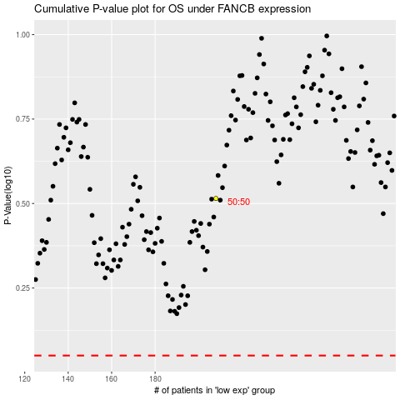

 |  |  |  |  |  | cases_OS | p_OS | rank | exp
 |  |  |  |  |  |  | cases_RFS | p_RFS | rank | exp

