FANCC _multivariate
Reported by Tex Li-Hsing Chi. tex@gate.sinica.edu.tw 2019-08-19

Table 2. The clinicopathological features of HNSCC cohort and FANCC expression. (Chi square test)
Cutoff at -0.06 (58.0%)
 |  | FANCC expression |  | FANCC expression |  | (Optimised)
 | Features | Low | (%) | High | (%) | Case no | P-value | Remark | Matthews
Gender | Female | 169 | 40.7 | 137 | 33 | 415 | 0.0637 | 0 | 0
2 | Male | 72 | 17.3 | 37 | 8.9
Age at diagnosis | <=65y | 159 | 38.3 | 115 | 27.7 | 415 | 1 | 0 | 0
4 | >65y | 82 | 19.8 | 59 | 14.2
Clinical T Status | T1+T2 | 85 | 20.5 | 64 | 15.4 | 415 | 0.8312 | 0 | 0
6 | T3+T4 | 156 | 37.6 | 110 | 26.5
Clinical N Status | N0 | 127 | 30.6 | 89 | 21.4 | 415 | 0.8322 | 0 | 0
8 | N1-3 | 114 | 27.5 | 85 | 20.5
Clinical M Status | M0 | 240 | 57.8 | 172 | 41.4 | 415 | 0.5745 | 0 | 0
10 | M1 | 1 | 0.2 | 2 | 0.5
Clinical Stage | Stage I+II | 62 | 14.9 | 40 | 9.6 | 415 | 0.6005 | 0 | 0
12 | Stage III+IV | 179 | 43.1 | 134 | 32.3
Surgical Margin status | Negative | 190 | 45.8 | 128 | 30.8 | 415 | 0.24 | 0 | 0
14 | Positive | 51 | 12.3 | 46 | 11.1
Tobacco Exposure | Low | 102 | 24.6 | 59 | 14.2 | 415 | 0.0841 | 0 | 0
16 | High | 139 | 33.5 | 115 | 27.7

Table 3. Univariate/Multivariate Cox's proportional hazards regression analyses on OS time of FANCC gene expression in HNSCC

 |  | Univariate |  |  |  | Multivariate
 | Features | HR | CI95%(L) | CI95%(H) | P-value | HR | CI95%(L) | CI95%(H) | P-value
1 | Female | 1 |  |  |  | 1
Gender | Male | 1.157 | 0.843 | 1.587 | 0.367 | 1.255 | 0.895 | 1.761 | 0.189
11 | <=65y | 1 |  |  |  | 1
Age at diagnosis | >65y | 1.329 | 0.99 | 1.784 | 0.058 | 1.352 | 0.992 | 1.843 | 0.057
12 | T1+T2 | 1 |  |  |  | 1
Clinical T Status | T3+T4 | 1.409 | 1.028 | 1.931 | 0.033 | 2.282 | 1.205 | 4.323 | 0.011
13 | N0 | 1 |  |  |  | 1
Clinical N Status | N1-3 | 1.185 | 0.89 | 1.577 | 0.246 | 1.25 | 0.875 | 1.784 | 0.22
14 | M0 | 1 |  |  |  | 1
Clinical M Status | M1 | 4.097 | 1.009 | 16.644 | 0.049 | 9.381 | 2.045 | 43.026 | 0.004
15 | Stage I+II | 1 |  |  |  | 1
Clinical Stage | Stage III+IV | 1.245 | 0.882 | 1.759 | 0.213 | 0.476 | 0.221 | 1.025 | 0.058
16 | Negative | 1 |  |  |  | 1
Surgical Margin status | Positive | 1.591 | 1.155 | 2.191 | 0.004 | 1.64 | 1.186 | 2.269 | 0.003
17 | Low | 1 |  |  |  | 1
Tobacco Exposure | High | 1.364 | 1.008 | 1.844 | 0.044 | 1.411 | 1.022 | 1.949 | 0.037
18 | Low | 1 |  |  |  | 1
RNAseq(z-score) | High | 1.352 | 1.012 | 1.806 | 0.042 | 1.286 | 0.952 | 1.738 | 0.101

Table 4. Univariate/Multivariate Cox's proportional hazards regression analyses on RFS time of FANCC gene expression in HNSCC

 |  | Univariate |  |  |  | Multivariate
 | Features | HR | CI95%(L) | CI95%(H) | P-value | HR | CI95%(L) | CI95%(H) | P-value
1 | Female | 1 |  |  |  | 1
Gender | Male | 1.157 | 0.843 | 1.587 | 0.367 | 1.255 | 0.895 | 1.761 | 0.189
11 | <=65y | 1 |  |  |  | 1
Age at diagnosis | >65y | 1.329 | 0.99 | 1.784 | 0.058 | 1.352 | 0.992 | 1.843 | 0.057
12 | T1+T2 | 1 |  |  |  | 1
Clinical T Status | T3+T4 | 1.409 | 1.028 | 1.931 | 0.033 | 2.282 | 1.205 | 4.323 | 0.011
13 | N0 | 1 |  |  |  | 1
Clinical N Status | N1-3 | 1.185 | 0.89 | 1.577 | 0.246 | 1.25 | 0.875 | 1.784 | 0.22
14 | M0 | 1 |  |  |  | 1
Clinical M Status | M1 | 4.097 | 1.009 | 16.644 | 0.049 | 9.381 | 2.045 | 43.026 | 0.004
15 | Stage I+II | 1 |  |  |  | 1
Clinical Stage | Stage III+IV | 1.245 | 0.882 | 1.759 | 0.213 | 0.476 | 0.221 | 1.025 | 0.058
16 | Negative | 1 |  |  |  | 1
Surgical Margin status | Positive | 1.591 | 1.155 | 2.191 | 0.004 | 1.64 | 1.186 | 2.269 | 0.003
17 | Low | 1 |  |  |  | 1
Tobacco Exposure | High | 1.364 | 1.008 | 1.844 | 0.044 | 1.411 | 1.022 | 1.949 | 0.037
18 | Low | 1 |  |  |  | 1
RNAseq(z-score) | High | 1.352 | 1.012 | 1.806 | 0.042 | 1.286 | 0.952 | 1.738 | 0.101

Kaplan-Meier survival estimate: Cutoff at -0.06 (58.0%)

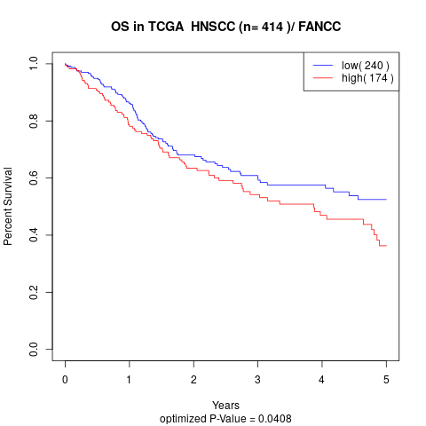

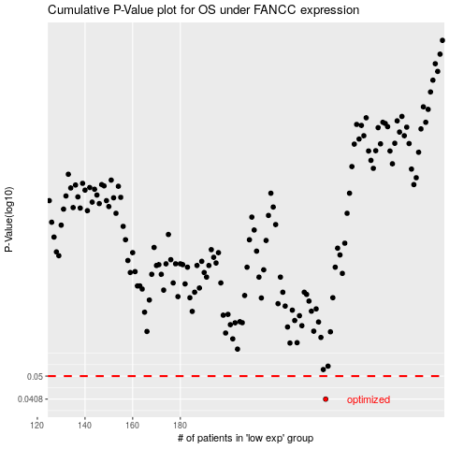

 |  |  |  |  |  | cases_OS | p_OS | rank | exp
 |  |  |  |  |  | 241 | 0.0408 | 66 | -0.060144887322
 |  |  |  |  |  |  | cases_RFS | p_RFS | rank | exp
 |  |  |  |  |  |  | 240 | 0.0408 | 41 | -0.060560655571

