FANCE _multivariate
Reported by Tex Li-Hsing Chi. tex@gate.sinica.edu.tw 2019-08-19

Table 2. The clinicopathological features of HNSCC cohort and FANCE expression. (Chi square test)
Cutoff at -0.18 (51.0%)
 |  | FANCE expression |  | FANCE expression |  | (Optimised)
 | Features | Low | (%) | High | (%) | Case no | P-value | Remark | Matthews
Gender | Female | 145 | 34.9 | 161 | 38.8 | 415 | 0.0158 | 1 | 0
2 | Male | 67 | 16.1 | 42 | 10.1
Age at diagnosis | <=65y | 132 | 31.8 | 142 | 34.2 | 415 | 0.1214 | 0 | 0
4 | >65y | 80 | 19.3 | 61 | 14.7
Clinical T Status | T1+T2 | 88 | 21.2 | 61 | 14.7 | 415 | 0.0198 | 1 | 0
6 | T3+T4 | 124 | 29.9 | 142 | 34.2
Clinical N Status | N0 | 114 | 27.5 | 102 | 24.6 | 415 | 0.5348 | 0 | 0
8 | N1-3 | 98 | 23.6 | 101 | 24.3
Clinical M Status | M0 | 211 | 50.8 | 201 | 48.4 | 415 | 0.6161 | 0 | 0
10 | M1 | 1 | 0.2 | 2 | 0.5
Clinical Stage | Stage I+II | 67 | 16.1 | 35 | 8.4 | 415 | 0.001 | 1 | 0
12 | Stage III+IV | 145 | 34.9 | 168 | 40.5
Surgical Margin status | Negative | 174 | 41.9 | 144 | 34.7 | 415 | 0.0078 | 1 | 0
14 | Positive | 38 | 9.2 | 59 | 14.2
Tobacco Exposure | Low | 100 | 24.1 | 61 | 14.7 | 415 | 4e-04 | 1 | 0
16 | High | 112 | 27 | 142 | 34.2

Table 3. Univariate/Multivariate Cox's proportional hazards regression analyses on OS time of FANCE gene expression in HNSCC

 |  | Univariate |  |  |  | Multivariate
 | Features | HR | CI95%(L) | CI95%(H) | P-value | HR | CI95%(L) | CI95%(H) | P-value
1 | Female | 1 |  |  |  | 1
Gender | Male | 1.157 | 0.843 | 1.587 | 0.367 | 1.229 | 0.88 | 1.717 | 0.227
11 | <=65y | 1 |  |  |  | 1
Age at diagnosis | >65y | 1.329 | 0.99 | 1.784 | 0.058 | 1.416 | 1.04 | 1.926 | 0.027
12 | T1+T2 | 1 |  |  |  | 1
Clinical T Status | T3+T4 | 1.409 | 1.028 | 1.931 | 0.033 | 2.272 | 1.2 | 4.302 | 0.012
13 | N0 | 1 |  |  |  | 1
Clinical N Status | N1-3 | 1.185 | 0.89 | 1.577 | 0.246 | 1.293 | 0.903 | 1.853 | 0.161
14 | M0 | 1 |  |  |  | 1
Clinical M Status | M1 | 4.097 | 1.009 | 16.644 | 0.049 | 9.013 | 1.962 | 41.394 | 0.005
15 | Stage I+II | 1 |  |  |  | 1
Clinical Stage | Stage III+IV | 1.245 | 0.882 | 1.759 | 0.213 | 0.45 | 0.207 | 0.978 | 0.044
16 | Negative | 1 |  |  |  | 1
Surgical Margin status | Positive | 1.591 | 1.155 | 2.191 | 0.004 | 1.64 | 1.185 | 2.269 | 0.003
17 | Low | 1 |  |  |  | 1
Tobacco Exposure | High | 1.364 | 1.008 | 1.844 | 0.044 | 1.412 | 1.024 | 1.947 | 0.035
18 | Low | 1 |  |  |  | 1
RNAseq(z-score) | High | 1.351 | 1.01 | 1.808 | 0.043 | 1.293 | 0.95 | 1.76 | 0.102

Table 4. Univariate/Multivariate Cox's proportional hazards regression analyses on RFS time of FANCE gene expression in HNSCC

 |  | Univariate |  |  |  | Multivariate
 | Features | HR | CI95%(L) | CI95%(H) | P-value | HR | CI95%(L) | CI95%(H) | P-value
1 | Female | 1 |  |  |  | 1
Gender | Male | 1.157 | 0.843 | 1.587 | 0.367 | 1.229 | 0.88 | 1.717 | 0.227
11 | <=65y | 1 |  |  |  | 1
Age at diagnosis | >65y | 1.329 | 0.99 | 1.784 | 0.058 | 1.416 | 1.04 | 1.926 | 0.027
12 | T1+T2 | 1 |  |  |  | 1
Clinical T Status | T3+T4 | 1.409 | 1.028 | 1.931 | 0.033 | 2.272 | 1.2 | 4.302 | 0.012
13 | N0 | 1 |  |  |  | 1
Clinical N Status | N1-3 | 1.185 | 0.89 | 1.577 | 0.246 | 1.293 | 0.903 | 1.853 | 0.161
14 | M0 | 1 |  |  |  | 1
Clinical M Status | M1 | 4.097 | 1.009 | 16.644 | 0.049 | 9.013 | 1.962 | 41.394 | 0.005
15 | Stage I+II | 1 |  |  |  | 1
Clinical Stage | Stage III+IV | 1.245 | 0.882 | 1.759 | 0.213 | 0.45 | 0.207 | 0.978 | 0.044
16 | Negative | 1 |  |  |  | 1
Surgical Margin status | Positive | 1.591 | 1.155 | 2.191 | 0.004 | 1.64 | 1.185 | 2.269 | 0.003
17 | Low | 1 |  |  |  | 1
Tobacco Exposure | High | 1.364 | 1.008 | 1.844 | 0.044 | 1.412 | 1.024 | 1.947 | 0.035
18 | Low | 1 |  |  |  | 1
RNAseq(z-score) | High | 1.351 | 1.01 | 1.808 | 0.043 | 1.293 | 0.95 | 1.76 | 0.102

Kaplan-Meier survival estimate: Cutoff at -0.18 (51.0%)

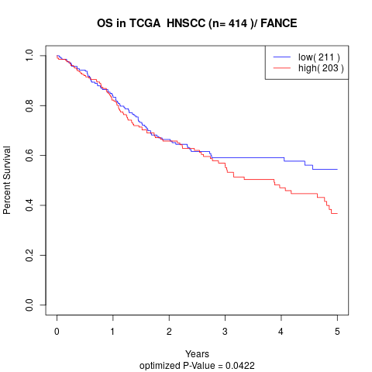

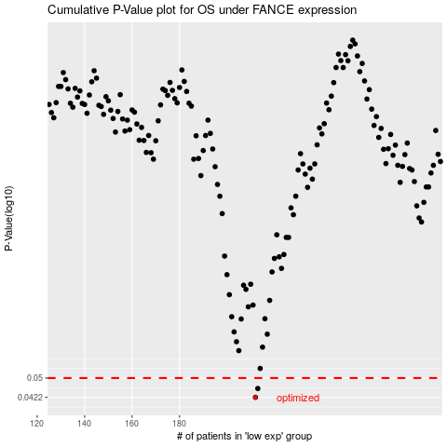

 |  |  |  |  |  | cases_OS | p_OS | rank | exp
 |  |  |  |  |  | 212 | 0.0422 | 243 | -0.18008767167
 |  |  |  |  |  | 213 | 0.0456 | 209 | -0.16688457565
 |  |  |  |  |  |  | cases_RFS | p_RFS | rank | exp
 |  |  |  |  |  |  | 211 | 0.0422 | 271 | -0.18339301994
 |  |  |  |  |  |  | 212 | 0.0456 | 243 | -0.18008767167

