FANCI _multivariate
Reported by Tex Li-Hsing Chi. tex@gate.sinica.edu.tw 2019-08-19

Table 2. The clinicopathological features of HNSCC cohort and FANCI expression. (Chi square test)
Cutoff at -0.314 (42.0%)
 |  | FANCI expression |  | FANCI expression |  | (Optimised)
 | Features | Low | (%) | High | (%) | Case no | P-value | Remark | Matthews
Gender | Female | 118 | 28.4 | 188 | 45.3 | 415 | 0.0173 | 1 | 0
2 | Male | 57 | 13.7 | 52 | 12.5
Age at diagnosis | <=65y | 114 | 27.5 | 160 | 38.6 | 415 | 0.8269 | 0 | 0
4 | >65y | 61 | 14.7 | 80 | 19.3
Clinical T Status | T1+T2 | 70 | 16.9 | 79 | 19 | 415 | 0.167 | 0 | 0
6 | T3+T4 | 105 | 25.3 | 161 | 38.8
Clinical N Status | N0 | 98 | 23.6 | 118 | 28.4 | 415 | 0.2018 | 0 | 0
8 | N1-3 | 77 | 18.6 | 122 | 29.4
Clinical M Status | M0 | 174 | 41.9 | 238 | 57.3 | 415 | 1 | 0 | 0
10 | M1 | 1 | 0.2 | 2 | 0.5
Clinical Stage | Stage I+II | 52 | 12.5 | 50 | 12 | 415 | 0.05 | 1 | 0
12 | Stage III+IV | 123 | 29.6 | 190 | 45.8
Surgical Margin status | Negative | 142 | 34.2 | 176 | 42.4 | 415 | 0.0779 | 0 | 0
14 | Positive | 33 | 8 | 64 | 15.4
Tobacco Exposure | Low | 81 | 19.5 | 80 | 19.3 | 415 | 0.0081 | 1 | 0
16 | High | 94 | 22.7 | 160 | 38.6

Table 3. Univariate/Multivariate Cox's proportional hazards regression analyses on OS time of FANCI gene expression in HNSCC

 |  | Univariate |  |  |  | Multivariate
 | Features | HR | CI95%(L) | CI95%(H) | P-value | HR | CI95%(L) | CI95%(H) | P-value
1 | Female | 1 |  |  |  | 1
Gender | Male | 1.157 | 0.843 | 1.587 | 0.367 | 1.279 | 0.909 | 1.8 | 0.157
11 | <=65y | 1 |  |  |  | 1
Age at diagnosis | >65y | 1.329 | 0.99 | 1.784 | 0.058 | 1.348 | 0.99 | 1.836 | 0.058
12 | T1+T2 | 1 |  |  |  | 1
Clinical T Status | T3+T4 | 1.409 | 1.028 | 1.931 | 0.033 | 2.256 | 1.193 | 4.268 | 0.012
13 | N0 | 1 |  |  |  | 1
Clinical N Status | N1-3 | 1.185 | 0.89 | 1.577 | 0.246 | 1.232 | 0.863 | 1.76 | 0.251
14 | M0 | 1 |  |  |  | 1
Clinical M Status | M1 | 4.097 | 1.009 | 16.644 | 0.049 | 9.819 | 2.138 | 45.084 | 0.003
15 | Stage I+II | 1 |  |  |  | 1
Clinical Stage | Stage III+IV | 1.245 | 0.882 | 1.759 | 0.213 | 0.486 | 0.226 | 1.045 | 0.065
16 | Negative | 1 |  |  |  | 1
Surgical Margin status | Positive | 1.591 | 1.155 | 2.191 | 0.004 | 1.652 | 1.195 | 2.284 | 0.002
17 | Low | 1 |  |  |  | 1
Tobacco Exposure | High | 1.364 | 1.008 | 1.844 | 0.044 | 1.435 | 1.041 | 1.978 | 0.028
18 | Low | 1 |  |  |  | 1
RNAseq(z-score) | High | 1.363 | 1.012 | 1.836 | 0.041 | 1.335 | 0.98 | 1.818 | 0.067

Table 4. Univariate/Multivariate Cox's proportional hazards regression analyses on RFS time of FANCI gene expression in HNSCC

 |  | Univariate |  |  |  | Multivariate
 | Features | HR | CI95%(L) | CI95%(H) | P-value | HR | CI95%(L) | CI95%(H) | P-value
1 | Female | 1 |  |  |  | 1
Gender | Male | 1.157 | 0.843 | 1.587 | 0.367 | 1.279 | 0.909 | 1.8 | 0.157
11 | <=65y | 1 |  |  |  | 1
Age at diagnosis | >65y | 1.329 | 0.99 | 1.784 | 0.058 | 1.348 | 0.99 | 1.836 | 0.058
12 | T1+T2 | 1 |  |  |  | 1
Clinical T Status | T3+T4 | 1.409 | 1.028 | 1.931 | 0.033 | 2.256 | 1.193 | 4.268 | 0.012
13 | N0 | 1 |  |  |  | 1
Clinical N Status | N1-3 | 1.185 | 0.89 | 1.577 | 0.246 | 1.232 | 0.863 | 1.76 | 0.251
14 | M0 | 1 |  |  |  | 1
Clinical M Status | M1 | 4.097 | 1.009 | 16.644 | 0.049 | 9.819 | 2.138 | 45.084 | 0.003
15 | Stage I+II | 1 |  |  |  | 1
Clinical Stage | Stage III+IV | 1.245 | 0.882 | 1.759 | 0.213 | 0.486 | 0.226 | 1.045 | 0.065
16 | Negative | 1 |  |  |  | 1
Surgical Margin status | Positive | 1.591 | 1.155 | 2.191 | 0.004 | 1.652 | 1.195 | 2.284 | 0.002
17 | Low | 1 |  |  |  | 1
Tobacco Exposure | High | 1.364 | 1.008 | 1.844 | 0.044 | 1.435 | 1.041 | 1.978 | 0.028
18 | Low | 1 |  |  |  | 1
RNAseq(z-score) | High | 1.363 | 1.012 | 1.836 | 0.041 | 1.335 | 0.98 | 1.818 | 0.067

Kaplan-Meier survival estimate: Cutoff at -0.314 (42.0%)



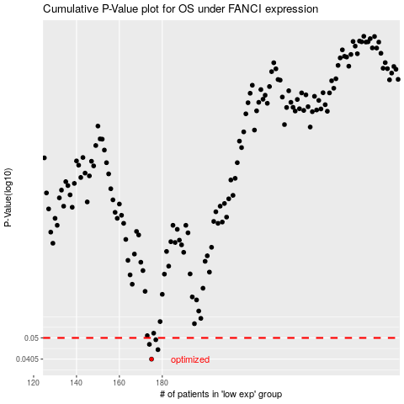

 |  |  |  |  |  | cases_OS | p_OS | rank | exp
 |  |  |  |  |  | 175 | 0.0405 | 208 | -0.31443366198
 |  |  |  |  |  | 178 | 0.0445 | 207 | -0.30286920637
 |  |  |  |  |  | 174 | 0.0469 | 33 | -0.3235561826
 |  |  |  |  |  | 177 | 0.0491 | 346 | -0.30728843992
 |  |  |  |  |  |  | cases_RFS | p_RFS | rank | exp
 |  |  |  |  |  |  | 174 | 0.0405 | 33 | -0.3235561826
 |  |  |  |  |  |  | 177 | 0.0445 | 346 | -0.30728843992
 |  |  |  |  |  |  | 173 | 0.0469 | 348 | -0.33222233885
 |  |  |  |  |  |  | 176 | 0.0491 | 313 | -0.31113171498

