FANCL _multivariate
Reported by Tex Li-Hsing Chi. tex@gate.sinica.edu.tw 2019-08-19

Table 2. The clinicopathological features of HNSCC cohort and FANCL expression. (Chi square test)
Cutoff at -0.265 (49.8%)
 |  | FANCL expression |  | FANCL expression |  | (Optimised)
 | Features | Low | (%) | High | (%) | Case no | P-value | Remark | Matthews
Gender | Female | 145 | 34.9 | 161 | 38.8 | 415 | 0.1116 | 0 | 0
2 | Male | 62 | 14.9 | 47 | 11.3
Age at diagnosis | <=65y | 127 | 30.6 | 147 | 35.4 | 415 | 0.0573 | 0 | 0
4 | >65y | 80 | 19.3 | 61 | 14.7
Clinical T Status | T1+T2 | 79 | 19 | 70 | 16.9 | 415 | 0.3924 | 0 | 0
6 | T3+T4 | 128 | 30.8 | 138 | 33.3
Clinical N Status | N0 | 114 | 27.5 | 102 | 24.6 | 415 | 0.2576 | 1 | 0
8 | N1-3 | 93 | 22.4 | 106 | 25.5
Clinical M Status | M0 | 207 | 49.9 | 205 | 49.4 | 415 | 0.2482 | 0 | 0
10 | M1 | 0 | 0 | 3 | 0.7
Clinical Stage | Stage I+II | 60 | 14.5 | 42 | 10.1 | 415 | 0.0493 | 1 | 0
12 | Stage III+IV | 147 | 35.4 | 166 | 40
Surgical Margin status | Negative | 166 | 40 | 152 | 36.6 | 415 | 0.1042 | 0 | 0
14 | Positive | 41 | 9.9 | 56 | 13.5
Tobacco Exposure | Low | 88 | 21.2 | 73 | 17.6 | 415 | 0.1314 | 0 | 0
16 | High | 119 | 28.7 | 135 | 32.5

Table 3. Univariate/Multivariate Cox's proportional hazards regression analyses on OS time of FANCL gene expression in HNSCC

 |  | Univariate |  |  |  | Multivariate
 | Features | HR | CI95%(L) | CI95%(H) | P-value | HR | CI95%(L) | CI95%(H) | P-value
1 | Female | 1 |  |  |  | 1
Gender | Male | 1.157 | 0.843 | 1.587 | 0.367 | 1.209 | 0.865 | 1.691 | 0.266
11 | <=65y | 1 |  |  |  | 1
Age at diagnosis | >65y | 1.329 | 0.99 | 1.784 | 0.058 | 1.407 | 1.033 | 1.915 | 0.03
12 | T1+T2 | 1 |  |  |  | 1
Clinical T Status | T3+T4 | 1.409 | 1.028 | 1.931 | 0.033 | 2.202 | 1.165 | 4.163 | 0.015
13 | N0 | 1 |  |  |  | 1
Clinical N Status | N1-3 | 1.185 | 0.89 | 1.577 | 0.246 | 1.234 | 0.864 | 1.762 | 0.247
14 | M0 | 1 |  |  |  | 1
Clinical M Status | M1 | 4.097 | 1.009 | 16.644 | 0.049 | 9.041 | 1.963 | 41.642 | 0.005
15 | Stage I+II | 1 |  |  |  | 1
Clinical Stage | Stage III+IV | 1.245 | 0.882 | 1.759 | 0.213 | 0.499 | 0.232 | 1.071 | 0.074
16 | Negative | 1 |  |  |  | 1
Surgical Margin status | Positive | 1.591 | 1.155 | 2.191 | 0.004 | 1.651 | 1.192 | 2.287 | 0.003
17 | Low | 1 |  |  |  | 1
Tobacco Exposure | High | 1.364 | 1.008 | 1.844 | 0.044 | 1.453 | 1.054 | 2.002 | 0.022
18 | Low | 1 |  |  |  | 1
RNAseq(z-score) | High | 1.15 | 0.86 | 1.537 | 0.345 | 1.102 | 0.816 | 1.488 | 0.525

Table 4. Univariate/Multivariate Cox's proportional hazards regression analyses on RFS time of FANCL gene expression in HNSCC

 |  | Univariate |  |  |  | Multivariate
 | Features | HR | CI95%(L) | CI95%(H) | P-value | HR | CI95%(L) | CI95%(H) | P-value
1 | Female | 1 |  |  |  | 1
Gender | Male | 1.157 | 0.843 | 1.587 | 0.367 | 1.209 | 0.865 | 1.691 | 0.266
11 | <=65y | 1 |  |  |  | 1
Age at diagnosis | >65y | 1.329 | 0.99 | 1.784 | 0.058 | 1.407 | 1.033 | 1.915 | 0.03
12 | T1+T2 | 1 |  |  |  | 1
Clinical T Status | T3+T4 | 1.409 | 1.028 | 1.931 | 0.033 | 2.202 | 1.165 | 4.163 | 0.015
13 | N0 | 1 |  |  |  | 1
Clinical N Status | N1-3 | 1.185 | 0.89 | 1.577 | 0.246 | 1.234 | 0.864 | 1.762 | 0.247
14 | M0 | 1 |  |  |  | 1
Clinical M Status | M1 | 4.097 | 1.009 | 16.644 | 0.049 | 9.041 | 1.963 | 41.642 | 0.005
15 | Stage I+II | 1 |  |  |  | 1
Clinical Stage | Stage III+IV | 1.245 | 0.882 | 1.759 | 0.213 | 0.499 | 0.232 | 1.071 | 0.074
16 | Negative | 1 |  |  |  | 1
Surgical Margin status | Positive | 1.591 | 1.155 | 2.191 | 0.004 | 1.651 | 1.192 | 2.287 | 0.003
17 | Low | 1 |  |  |  | 1
Tobacco Exposure | High | 1.364 | 1.008 | 1.844 | 0.044 | 1.453 | 1.054 | 2.002 | 0.022
18 | Low | 1 |  |  |  | 1
RNAseq(z-score) | High | 1.15 | 0.86 | 1.537 | 0.345 | 1.102 | 0.816 | 1.488 | 0.525

Kaplan-Meier survival estimate: Cutoff at -0.265 (49.8%)



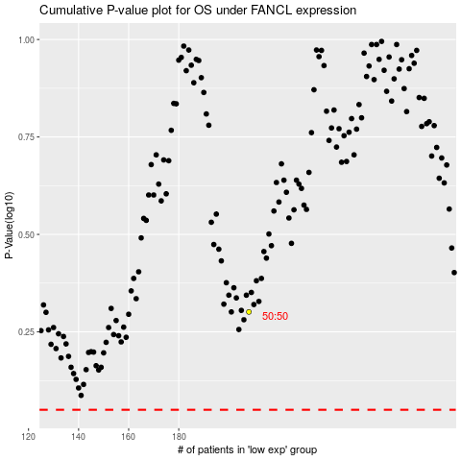

 |  |  |  |  |  | cases_OS | p_OS | rank | exp
 |  |  |  |  |  |  | cases_RFS | p_RFS | rank | exp

