FANCM _multivariate
Reported by Tex Li-Hsing Chi. tex@gate.sinica.edu.tw 2019-08-19

Table 2. The clinicopathological features of HNSCC cohort and FANCM expression. (Chi square test)
Cutoff at -0.151 (49.8%)
 |  | FANCM expression |  | FANCM expression |  | (Optimised)
 | Features | Low | (%) | High | (%) | Case no | P-value | Remark | Matthews
Gender | Female | 143 | 34.5 | 163 | 39.3 | 415 | 0.0416 | 1 | 0
2 | Male | 64 | 15.4 | 45 | 10.8
Age at diagnosis | <=65y | 136 | 32.8 | 138 | 33.3 | 415 | 0.9719 | 0 | 0
4 | >65y | 71 | 17.1 | 70 | 16.9
Clinical T Status | T1+T2 | 68 | 16.4 | 81 | 19.5 | 415 | 0.2336 | 0 | 0
6 | T3+T4 | 139 | 33.5 | 127 | 30.6
Clinical N Status | N0 | 101 | 24.3 | 115 | 27.7 | 415 | 0.2201 | 0 | 0
8 | N1-3 | 106 | 25.5 | 93 | 22.4
Clinical M Status | M0 | 205 | 49.4 | 207 | 49.9 | 415 | 0.6232 | 0 | 0
10 | M1 | 2 | 0.5 | 1 | 0.2
Clinical Stage | Stage I+II | 44 | 10.6 | 58 | 14 | 415 | 0.1459 | 0 | 0
12 | Stage III+IV | 163 | 39.3 | 150 | 36.1
Surgical Margin status | Negative | 166 | 40 | 152 | 36.6 | 415 | 0.1042 | 0 | 0
14 | Positive | 41 | 9.9 | 56 | 13.5
Tobacco Exposure | Low | 87 | 21 | 74 | 17.8 | 415 | 0.1911 | 0 | 0
16 | High | 120 | 28.9 | 134 | 32.3

Table 3. Univariate/Multivariate Cox's proportional hazards regression analyses on OS time of FANCM gene expression in HNSCC

 |  | Univariate |  |  |  | Multivariate
 | Features | HR | CI95%(L) | CI95%(H) | P-value | HR | CI95%(L) | CI95%(H) | P-value
1 | Female | 1 |  |  |  | 1
Gender | Male | 1.157 | 0.843 | 1.587 | 0.367 | 1.198 | 0.856 | 1.677 | 0.292
11 | <=65y | 1 |  |  |  | 1
Age at diagnosis | >65y | 1.329 | 0.99 | 1.784 | 0.058 | 1.395 | 1.025 | 1.899 | 0.034
12 | T1+T2 | 1 |  |  |  | 1
Clinical T Status | T3+T4 | 1.409 | 1.028 | 1.931 | 0.033 | 2.195 | 1.16 | 4.156 | 0.016
13 | N0 | 1 |  |  |  | 1
Clinical N Status | N1-3 | 1.185 | 0.89 | 1.577 | 0.246 | 1.238 | 0.867 | 1.768 | 0.24
14 | M0 | 1 |  |  |  | 1
Clinical M Status | M1 | 4.097 | 1.009 | 16.644 | 0.049 | 9.321 | 2.025 | 42.902 | 0.004
15 | Stage I+II | 1 |  |  |  | 1
Clinical Stage | Stage III+IV | 1.245 | 0.882 | 1.759 | 0.213 | 0.506 | 0.236 | 1.087 | 0.081
16 | Negative | 1 |  |  |  | 1
Surgical Margin status | Positive | 1.591 | 1.155 | 2.191 | 0.004 | 1.675 | 1.211 | 2.316 | 0.002
17 | Low | 1 |  |  |  | 1
Tobacco Exposure | High | 1.364 | 1.008 | 1.844 | 0.044 | 1.455 | 1.055 | 2.005 | 0.022
18 | Low | 1 |  |  |  | 1
RNAseq(z-score) | High | 0.977 | 0.733 | 1.302 | 0.872 | 0.976 | 0.727 | 1.311 | 0.874

Table 4. Univariate/Multivariate Cox's proportional hazards regression analyses on RFS time of FANCM gene expression in HNSCC

 |  | Univariate |  |  |  | Multivariate
 | Features | HR | CI95%(L) | CI95%(H) | P-value | HR | CI95%(L) | CI95%(H) | P-value
1 | Female | 1 |  |  |  | 1
Gender | Male | 1.157 | 0.843 | 1.587 | 0.367 | 1.198 | 0.856 | 1.677 | 0.292
11 | <=65y | 1 |  |  |  | 1
Age at diagnosis | >65y | 1.329 | 0.99 | 1.784 | 0.058 | 1.395 | 1.025 | 1.899 | 0.034
12 | T1+T2 | 1 |  |  |  | 1
Clinical T Status | T3+T4 | 1.409 | 1.028 | 1.931 | 0.033 | 2.195 | 1.16 | 4.156 | 0.016
13 | N0 | 1 |  |  |  | 1
Clinical N Status | N1-3 | 1.185 | 0.89 | 1.577 | 0.246 | 1.238 | 0.867 | 1.768 | 0.24
14 | M0 | 1 |  |  |  | 1
Clinical M Status | M1 | 4.097 | 1.009 | 16.644 | 0.049 | 9.321 | 2.025 | 42.902 | 0.004
15 | Stage I+II | 1 |  |  |  | 1
Clinical Stage | Stage III+IV | 1.245 | 0.882 | 1.759 | 0.213 | 0.506 | 0.236 | 1.087 | 0.081
16 | Negative | 1 |  |  |  | 1
Surgical Margin status | Positive | 1.591 | 1.155 | 2.191 | 0.004 | 1.675 | 1.211 | 2.316 | 0.002
17 | Low | 1 |  |  |  | 1
Tobacco Exposure | High | 1.364 | 1.008 | 1.844 | 0.044 | 1.455 | 1.055 | 2.005 | 0.022
18 | Low | 1 |  |  |  | 1
RNAseq(z-score) | High | 0.977 | 0.733 | 1.302 | 0.872 | 0.976 | 0.727 | 1.311 | 0.874

Kaplan-Meier survival estimate: Cutoff at -0.151 (49.8%)



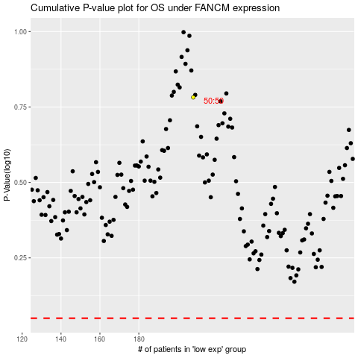

 |  |  |  |  |  | cases_OS | p_OS | rank | exp
 |  |  |  |  |  |  | cases_RFS | p_RFS | rank | exp

