FAR2 _multivariate
Reported by Tex Li-Hsing Chi. tex@gate.sinica.edu.tw 2019-08-19

Table 2. The clinicopathological features of HNSCC cohort and FAR2 expression. (Chi square test)
Cutoff at -0.132 (49.8%)
 |  | FAR2 expression |  | FAR2 expression |  | (Optimised)
 | Features | Low | (%) | High | (%) | Case no | P-value | Remark | Matthews
Gender | Female | 153 | 36.9 | 153 | 36.9 | 415 | 1 | 0 | 0
2 | Male | 54 | 13 | 55 | 13.3
Age at diagnosis | <=65y | 143 | 34.5 | 131 | 31.6 | 415 | 0.2269 | 0 | 0
4 | >65y | 64 | 15.4 | 77 | 18.6
Clinical T Status | T1+T2 | 67 | 16.1 | 82 | 19.8 | 415 | 0.1628 | 0 | 0
6 | T3+T4 | 140 | 33.7 | 126 | 30.4
Clinical N Status | N0 | 106 | 25.5 | 110 | 26.5 | 415 | 0.8075 | 0 | 0
8 | N1-3 | 101 | 24.3 | 98 | 23.6
Clinical M Status | M0 | 205 | 49.4 | 207 | 49.9 | 415 | 0.6232 | 0 | 0
10 | M1 | 2 | 0.5 | 1 | 0.2
Clinical Stage | Stage I+II | 46 | 11.1 | 56 | 13.5 | 415 | 0.3182 | 0 | 0
12 | Stage III+IV | 161 | 38.8 | 152 | 36.6
Surgical Margin status | Negative | 154 | 37.1 | 164 | 39.5 | 415 | 0.2984 | 0 | 0
14 | Positive | 53 | 12.8 | 44 | 10.6
Tobacco Exposure | Low | 81 | 19.5 | 80 | 19.3 | 415 | 0.9199 | 0 | 0
16 | High | 126 | 30.4 | 128 | 30.8

Table 3. Univariate/Multivariate Cox's proportional hazards regression analyses on OS time of FAR2 gene expression in HNSCC

 |  | Univariate |  |  |  | Multivariate
 | Features | HR | CI95%(L) | CI95%(H) | P-value | HR | CI95%(L) | CI95%(H) | P-value
1 | Female | 1 |  |  |  | 1
Gender | Male | 1.157 | 0.843 | 1.587 | 0.367 | 1.194 | 0.854 | 1.669 | 0.3
11 | <=65y | 1 |  |  |  | 1
Age at diagnosis | >65y | 1.329 | 0.99 | 1.784 | 0.058 | 1.408 | 1.034 | 1.916 | 0.03
12 | T1+T2 | 1 |  |  |  | 1
Clinical T Status | T3+T4 | 1.409 | 1.028 | 1.931 | 0.033 | 2.163 | 1.143 | 4.095 | 0.018
13 | N0 | 1 |  |  |  | 1
Clinical N Status | N1-3 | 1.185 | 0.89 | 1.577 | 0.246 | 1.232 | 0.863 | 1.759 | 0.25
14 | M0 | 1 |  |  |  | 1
Clinical M Status | M1 | 4.097 | 1.009 | 16.644 | 0.049 | 8.974 | 1.949 | 41.32 | 0.005
15 | Stage I+II | 1 |  |  |  | 1
Clinical Stage | Stage III+IV | 1.245 | 0.882 | 1.759 | 0.213 | 0.511 | 0.238 | 1.097 | 0.085
16 | Negative | 1 |  |  |  | 1
Surgical Margin status | Positive | 1.591 | 1.155 | 2.191 | 0.004 | 1.643 | 1.186 | 2.276 | 0.003
17 | Low | 1 |  |  |  | 1
Tobacco Exposure | High | 1.364 | 1.008 | 1.844 | 0.044 | 1.454 | 1.055 | 2.003 | 0.022
18 | Low | 1 |  |  |  | 1
RNAseq(z-score) | High | 0.821 | 0.616 | 1.094 | 0.178 | 0.891 | 0.664 | 1.196 | 0.443

Table 4. Univariate/Multivariate Cox's proportional hazards regression analyses on RFS time of FAR2 gene expression in HNSCC

 |  | Univariate |  |  |  | Multivariate
 | Features | HR | CI95%(L) | CI95%(H) | P-value | HR | CI95%(L) | CI95%(H) | P-value
1 | Female | 1 |  |  |  | 1
Gender | Male | 1.157 | 0.843 | 1.587 | 0.367 | 1.194 | 0.854 | 1.669 | 0.3
11 | <=65y | 1 |  |  |  | 1
Age at diagnosis | >65y | 1.329 | 0.99 | 1.784 | 0.058 | 1.408 | 1.034 | 1.916 | 0.03
12 | T1+T2 | 1 |  |  |  | 1
Clinical T Status | T3+T4 | 1.409 | 1.028 | 1.931 | 0.033 | 2.163 | 1.143 | 4.095 | 0.018
13 | N0 | 1 |  |  |  | 1
Clinical N Status | N1-3 | 1.185 | 0.89 | 1.577 | 0.246 | 1.232 | 0.863 | 1.759 | 0.25
14 | M0 | 1 |  |  |  | 1
Clinical M Status | M1 | 4.097 | 1.009 | 16.644 | 0.049 | 8.974 | 1.949 | 41.32 | 0.005
15 | Stage I+II | 1 |  |  |  | 1
Clinical Stage | Stage III+IV | 1.245 | 0.882 | 1.759 | 0.213 | 0.511 | 0.238 | 1.097 | 0.085
16 | Negative | 1 |  |  |  | 1
Surgical Margin status | Positive | 1.591 | 1.155 | 2.191 | 0.004 | 1.643 | 1.186 | 2.276 | 0.003
17 | Low | 1 |  |  |  | 1
Tobacco Exposure | High | 1.364 | 1.008 | 1.844 | 0.044 | 1.454 | 1.055 | 2.003 | 0.022
18 | Low | 1 |  |  |  | 1
RNAseq(z-score) | High | 0.821 | 0.616 | 1.094 | 0.178 | 0.891 | 0.664 | 1.196 | 0.443

Kaplan-Meier survival estimate: Cutoff at -0.132 (49.8%)



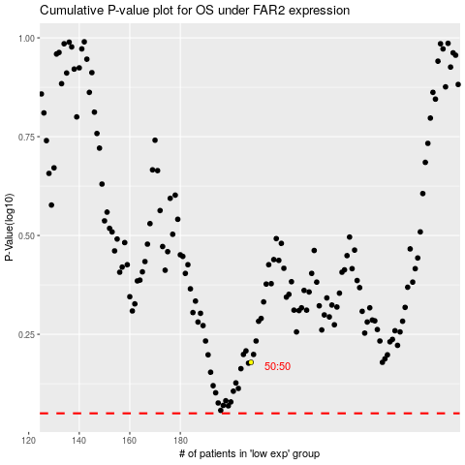

 |  |  |  |  |  | cases_OS | p_OS | rank | exp
 |  |  |  |  |  |  | cases_RFS | p_RFS | rank | exp

