FASLG _multivariate
Reported by Tex Li-Hsing Chi. tex@gate.sinica.edu.tw 2019-08-19

Table 2. The clinicopathological features of HNSCC cohort and FASLG expression. (Chi square test)
Cutoff at -0.376 (49.8%)
 |  | FASLG expression |  | FASLG expression |  | (Optimised)
 | Features | Low | (%) | High | (%) | Case no | P-value | Remark | Matthews
Gender | Female | 159 | 38.3 | 147 | 35.4 | 415 | 0.1905 | 0 | 0
2 | Male | 48 | 11.6 | 61 | 14.7
Age at diagnosis | <=65y | 144 | 34.7 | 130 | 31.3 | 415 | 0.1568 | 0 | 0
4 | >65y | 63 | 15.2 | 78 | 18.8
Clinical T Status | T1+T2 | 58 | 14 | 91 | 21.9 | 415 | 0.0012 | 1 | 0
6 | T3+T4 | 149 | 35.9 | 117 | 28.2
Clinical N Status | N0 | 106 | 25.5 | 110 | 26.5 | 415 | 0.8075 | 0 | 0
8 | N1-3 | 101 | 24.3 | 98 | 23.6
Clinical M Status | M0 | 207 | 49.9 | 205 | 49.4 | 415 | 0.2482 | 0 | 0
10 | M1 | 0 | 0 | 3 | 0.7
Clinical Stage | Stage I+II | 41 | 9.9 | 61 | 14.7 | 415 | 0.0325 | 1 | 0
12 | Stage III+IV | 166 | 40 | 147 | 35.4
Surgical Margin status | Negative | 158 | 38.1 | 160 | 38.6 | 415 | 0.9081 | 0 | 0
14 | Positive | 49 | 11.8 | 48 | 11.6
Tobacco Exposure | Low | 73 | 17.6 | 88 | 21.2 | 415 | 0.1587 | 0 | 0
16 | High | 134 | 32.3 | 120 | 28.9

Table 3. Univariate/Multivariate Cox's proportional hazards regression analyses on OS time of FASLG gene expression in HNSCC

 |  | Univariate |  |  |  | Multivariate
 | Features | HR | CI95%(L) | CI95%(H) | P-value | HR | CI95%(L) | CI95%(H) | P-value
1 | Female | 1 |  |  |  | 1
Gender | Male | 1.157 | 0.843 | 1.587 | 0.367 | 1.202 | 0.861 | 1.679 | 0.28
11 | <=65y | 1 |  |  |  | 1
Age at diagnosis | >65y | 1.329 | 0.99 | 1.784 | 0.058 | 1.394 | 1.026 | 1.896 | 0.034
12 | T1+T2 | 1 |  |  |  | 1
Clinical T Status | T3+T4 | 1.409 | 1.028 | 1.931 | 0.033 | 2.185 | 1.155 | 4.136 | 0.016
13 | N0 | 1 |  |  |  | 1
Clinical N Status | N1-3 | 1.185 | 0.89 | 1.577 | 0.246 | 1.238 | 0.867 | 1.766 | 0.24
14 | M0 | 1 |  |  |  | 1
Clinical M Status | M1 | 4.097 | 1.009 | 16.644 | 0.049 | 9.661 | 2.096 | 44.544 | 0.004
15 | Stage I+II | 1 |  |  |  | 1
Clinical Stage | Stage III+IV | 1.245 | 0.882 | 1.759 | 0.213 | 0.505 | 0.235 | 1.084 | 0.08
16 | Negative | 1 |  |  |  | 1
Surgical Margin status | Positive | 1.591 | 1.155 | 2.191 | 0.004 | 1.675 | 1.212 | 2.314 | 0.002
17 | Low | 1 |  |  |  | 1
Tobacco Exposure | High | 1.364 | 1.008 | 1.844 | 0.044 | 1.444 | 1.047 | 1.992 | 0.025
18 | Low | 1 |  |  |  | 1
RNAseq(z-score) | High | 0.921 | 0.691 | 1.227 | 0.574 | 0.942 | 0.702 | 1.263 | 0.689

Table 4. Univariate/Multivariate Cox's proportional hazards regression analyses on RFS time of FASLG gene expression in HNSCC

 |  | Univariate |  |  |  | Multivariate
 | Features | HR | CI95%(L) | CI95%(H) | P-value | HR | CI95%(L) | CI95%(H) | P-value
1 | Female | 1 |  |  |  | 1
Gender | Male | 1.157 | 0.843 | 1.587 | 0.367 | 1.202 | 0.861 | 1.679 | 0.28
11 | <=65y | 1 |  |  |  | 1
Age at diagnosis | >65y | 1.329 | 0.99 | 1.784 | 0.058 | 1.394 | 1.026 | 1.896 | 0.034
12 | T1+T2 | 1 |  |  |  | 1
Clinical T Status | T3+T4 | 1.409 | 1.028 | 1.931 | 0.033 | 2.185 | 1.155 | 4.136 | 0.016
13 | N0 | 1 |  |  |  | 1
Clinical N Status | N1-3 | 1.185 | 0.89 | 1.577 | 0.246 | 1.238 | 0.867 | 1.766 | 0.24
14 | M0 | 1 |  |  |  | 1
Clinical M Status | M1 | 4.097 | 1.009 | 16.644 | 0.049 | 9.661 | 2.096 | 44.544 | 0.004
15 | Stage I+II | 1 |  |  |  | 1
Clinical Stage | Stage III+IV | 1.245 | 0.882 | 1.759 | 0.213 | 0.505 | 0.235 | 1.084 | 0.08
16 | Negative | 1 |  |  |  | 1
Surgical Margin status | Positive | 1.591 | 1.155 | 2.191 | 0.004 | 1.675 | 1.212 | 2.314 | 0.002
17 | Low | 1 |  |  |  | 1
Tobacco Exposure | High | 1.364 | 1.008 | 1.844 | 0.044 | 1.444 | 1.047 | 1.992 | 0.025
18 | Low | 1 |  |  |  | 1
RNAseq(z-score) | High | 0.921 | 0.691 | 1.227 | 0.574 | 0.942 | 0.702 | 1.263 | 0.689

Kaplan-Meier survival estimate: Cutoff at -0.376 (49.8%)



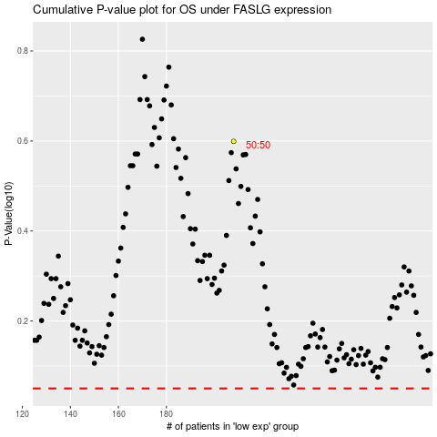

 |  |  |  |  |  | cases_OS | p_OS | rank | exp
 |  |  |  |  |  |  | cases_RFS | p_RFS | rank | exp

