FASTKD3 _multivariate
Reported by Tex Li-Hsing Chi. tex@gate.sinica.edu.tw 2019-08-19

Table 2. The clinicopathological features of HNSCC cohort and FASTKD3 expression. (Chi square test)
Cutoff at -0.175 (49.8%)
 |  | FASTKD3 expression |  | FASTKD3 expression |  | (Optimised)
 | Features | Low | (%) | High | (%) | Case no | P-value | Remark | Matthews
Gender | Female | 147 | 35.4 | 159 | 38.3 | 415 | 0.2523 | 0 | 0
2 | Male | 60 | 14.5 | 49 | 11.8
Age at diagnosis | <=65y | 124 | 29.9 | 150 | 36.1 | 415 | 0.0116 | 1 | 0
4 | >65y | 83 | 20 | 58 | 14
Clinical T Status | T1+T2 | 71 | 17.1 | 78 | 18.8 | 415 | 0.5638 | 0 | 0
6 | T3+T4 | 136 | 32.8 | 130 | 31.3
Clinical N Status | N0 | 115 | 27.7 | 101 | 24.3 | 415 | 0.184 | 1 | 0
8 | N1-3 | 92 | 22.2 | 107 | 25.8
Clinical M Status | M0 | 206 | 49.6 | 206 | 49.6 | 415 | 1 | 0 | 0
10 | M1 | 1 | 0.2 | 2 | 0.5
Clinical Stage | Stage I+II | 50 | 12 | 52 | 12.5 | 415 | 0.9315 | 0 | 0
12 | Stage III+IV | 157 | 37.8 | 156 | 37.6
Surgical Margin status | Negative | 157 | 37.8 | 161 | 38.8 | 415 | 0.729 | 0 | 0
14 | Positive | 50 | 12 | 47 | 11.3
Tobacco Exposure | Low | 92 | 22.2 | 69 | 16.6 | 415 | 0.0206 | 1 | 0
16 | High | 115 | 27.7 | 139 | 33.5

Table 3. Univariate/Multivariate Cox's proportional hazards regression analyses on OS time of FASTKD3 gene expression in HNSCC

 |  | Univariate |  |  |  | Multivariate
 | Features | HR | CI95%(L) | CI95%(H) | P-value | HR | CI95%(L) | CI95%(H) | P-value
1 | Female | 1 |  |  |  | 1
Gender | Male | 1.157 | 0.843 | 1.587 | 0.367 | 1.204 | 0.862 | 1.683 | 0.276
11 | <=65y | 1 |  |  |  | 1
Age at diagnosis | >65y | 1.329 | 0.99 | 1.784 | 0.058 | 1.384 | 1.017 | 1.883 | 0.039
12 | T1+T2 | 1 |  |  |  | 1
Clinical T Status | T3+T4 | 1.409 | 1.028 | 1.931 | 0.033 | 2.214 | 1.171 | 4.189 | 0.015
13 | N0 | 1 |  |  |  | 1
Clinical N Status | N1-3 | 1.185 | 0.89 | 1.577 | 0.246 | 1.252 | 0.876 | 1.789 | 0.218
14 | M0 | 1 |  |  |  | 1
Clinical M Status | M1 | 4.097 | 1.009 | 16.644 | 0.049 | 9.512 | 2.073 | 43.636 | 0.004
15 | Stage I+II | 1 |  |  |  | 1
Clinical Stage | Stage III+IV | 1.245 | 0.882 | 1.759 | 0.213 | 0.498 | 0.231 | 1.071 | 0.074
16 | Negative | 1 |  |  |  | 1
Surgical Margin status | Positive | 1.591 | 1.155 | 2.191 | 0.004 | 1.677 | 1.213 | 2.318 | 0.002
17 | Low | 1 |  |  |  | 1
Tobacco Exposure | High | 1.364 | 1.008 | 1.844 | 0.044 | 1.465 | 1.061 | 2.022 | 0.02
18 | Low | 1 |  |  |  | 1
RNAseq(z-score) | High | 0.98 | 0.736 | 1.305 | 0.889 | 0.933 | 0.697 | 1.25 | 0.642

Table 4. Univariate/Multivariate Cox's proportional hazards regression analyses on RFS time of FASTKD3 gene expression in HNSCC

 |  | Univariate |  |  |  | Multivariate
 | Features | HR | CI95%(L) | CI95%(H) | P-value | HR | CI95%(L) | CI95%(H) | P-value
1 | Female | 1 |  |  |  | 1
Gender | Male | 1.157 | 0.843 | 1.587 | 0.367 | 1.204 | 0.862 | 1.683 | 0.276
11 | <=65y | 1 |  |  |  | 1
Age at diagnosis | >65y | 1.329 | 0.99 | 1.784 | 0.058 | 1.384 | 1.017 | 1.883 | 0.039
12 | T1+T2 | 1 |  |  |  | 1
Clinical T Status | T3+T4 | 1.409 | 1.028 | 1.931 | 0.033 | 2.214 | 1.171 | 4.189 | 0.015
13 | N0 | 1 |  |  |  | 1
Clinical N Status | N1-3 | 1.185 | 0.89 | 1.577 | 0.246 | 1.252 | 0.876 | 1.789 | 0.218
14 | M0 | 1 |  |  |  | 1
Clinical M Status | M1 | 4.097 | 1.009 | 16.644 | 0.049 | 9.512 | 2.073 | 43.636 | 0.004
15 | Stage I+II | 1 |  |  |  | 1
Clinical Stage | Stage III+IV | 1.245 | 0.882 | 1.759 | 0.213 | 0.498 | 0.231 | 1.071 | 0.074
16 | Negative | 1 |  |  |  | 1
Surgical Margin status | Positive | 1.591 | 1.155 | 2.191 | 0.004 | 1.677 | 1.213 | 2.318 | 0.002
17 | Low | 1 |  |  |  | 1
Tobacco Exposure | High | 1.364 | 1.008 | 1.844 | 0.044 | 1.465 | 1.061 | 2.022 | 0.02
18 | Low | 1 |  |  |  | 1
RNAseq(z-score) | High | 0.98 | 0.736 | 1.305 | 0.889 | 0.933 | 0.697 | 1.25 | 0.642

Kaplan-Meier survival estimate: Cutoff at -0.175 (49.8%)



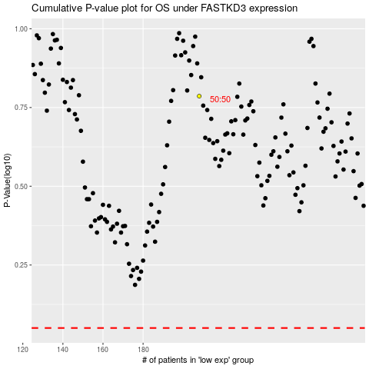

 |  |  |  |  |  | cases_OS | p_OS | rank | exp
 |  |  |  |  |  |  | cases_RFS | p_RFS | rank | exp

