FAT3 _multivariate
Reported by Tex Li-Hsing Chi. tex@gate.sinica.edu.tw 2019-08-19

Table 2. The clinicopathological features of HNSCC cohort and FAT3 expression. (Chi square test)
Cutoff at -0.244 (49.8%)
 |  | FAT3 expression |  | FAT3 expression |  | (Optimised)
 | Features | Low | (%) | High | (%) | Case no | P-value | Remark | Matthews
Gender | Female | 158 | 38.1 | 148 | 35.7 | 415 | 0.2774 | 0 | 0
2 | Male | 49 | 11.8 | 60 | 14.5
Age at diagnosis | <=65y | 138 | 33.3 | 136 | 32.8 | 415 | 0.8634 | 0 | 0
4 | >65y | 69 | 16.6 | 72 | 17.3
Clinical T Status | T1+T2 | 67 | 16.1 | 82 | 19.8 | 415 | 0.1628 | 0 | 0
6 | T3+T4 | 140 | 33.7 | 126 | 30.4
Clinical N Status | N0 | 108 | 26 | 108 | 26 | 415 | 1 | 0 | 0
8 | N1-3 | 99 | 23.9 | 100 | 24.1
Clinical M Status | M0 | 204 | 49.2 | 208 | 50.1 | 415 | 0.1232 | 0 | 0
10 | M1 | 3 | 0.7 | 0 | 0
Clinical Stage | Stage I+II | 48 | 11.6 | 54 | 13 | 415 | 0.5878 | 0 | 0
12 | Stage III+IV | 159 | 38.3 | 154 | 37.1
Surgical Margin status | Negative | 159 | 38.3 | 159 | 38.3 | 415 | 1 | 0 | 0
14 | Positive | 48 | 11.6 | 49 | 11.8
Tobacco Exposure | Low | 76 | 18.3 | 85 | 20.5 | 415 | 0.4207 | 0 | 0
16 | High | 131 | 31.6 | 123 | 29.6

Table 3. Univariate/Multivariate Cox's proportional hazards regression analyses on OS time of FAT3 gene expression in HNSCC

 |  | Univariate |  |  |  | Multivariate
 | Features | HR | CI95%(L) | CI95%(H) | P-value | HR | CI95%(L) | CI95%(H) | P-value
1 | Female | 1 |  |  |  | 1
Gender | Male | 1.157 | 0.843 | 1.587 | 0.367 | 1.194 | 0.855 | 1.669 | 0.298
11 | <=65y | 1 |  |  |  | 1
Age at diagnosis | >65y | 1.329 | 0.99 | 1.784 | 0.058 | 1.397 | 1.028 | 1.9 | 0.033
12 | T1+T2 | 1 |  |  |  | 1
Clinical T Status | T3+T4 | 1.409 | 1.028 | 1.931 | 0.033 | 2.221 | 1.174 | 4.204 | 0.014
13 | N0 | 1 |  |  |  | 1
Clinical N Status | N1-3 | 1.185 | 0.89 | 1.577 | 0.246 | 1.241 | 0.87 | 1.771 | 0.233
14 | M0 | 1 |  |  |  | 1
Clinical M Status | M1 | 4.097 | 1.009 | 16.644 | 0.049 | 9.819 | 2.12 | 45.471 | 0.003
15 | Stage I+II | 1 |  |  |  | 1
Clinical Stage | Stage III+IV | 1.245 | 0.882 | 1.759 | 0.213 | 0.5 | 0.233 | 1.074 | 0.075
16 | Negative | 1 |  |  |  | 1
Surgical Margin status | Positive | 1.591 | 1.155 | 2.191 | 0.004 | 1.662 | 1.202 | 2.298 | 0.002
17 | Low | 1 |  |  |  | 1
Tobacco Exposure | High | 1.364 | 1.008 | 1.844 | 0.044 | 1.451 | 1.054 | 1.997 | 0.023
18 | Low | 1 |  |  |  | 1
RNAseq(z-score) | High | 1.049 | 0.787 | 1.398 | 0.744 | 1.075 | 0.802 | 1.44 | 0.63

Table 4. Univariate/Multivariate Cox's proportional hazards regression analyses on RFS time of FAT3 gene expression in HNSCC

 |  | Univariate |  |  |  | Multivariate
 | Features | HR | CI95%(L) | CI95%(H) | P-value | HR | CI95%(L) | CI95%(H) | P-value
1 | Female | 1 |  |  |  | 1
Gender | Male | 1.157 | 0.843 | 1.587 | 0.367 | 1.194 | 0.855 | 1.669 | 0.298
11 | <=65y | 1 |  |  |  | 1
Age at diagnosis | >65y | 1.329 | 0.99 | 1.784 | 0.058 | 1.397 | 1.028 | 1.9 | 0.033
12 | T1+T2 | 1 |  |  |  | 1
Clinical T Status | T3+T4 | 1.409 | 1.028 | 1.931 | 0.033 | 2.221 | 1.174 | 4.204 | 0.014
13 | N0 | 1 |  |  |  | 1
Clinical N Status | N1-3 | 1.185 | 0.89 | 1.577 | 0.246 | 1.241 | 0.87 | 1.771 | 0.233
14 | M0 | 1 |  |  |  | 1
Clinical M Status | M1 | 4.097 | 1.009 | 16.644 | 0.049 | 9.819 | 2.12 | 45.471 | 0.003
15 | Stage I+II | 1 |  |  |  | 1
Clinical Stage | Stage III+IV | 1.245 | 0.882 | 1.759 | 0.213 | 0.5 | 0.233 | 1.074 | 0.075
16 | Negative | 1 |  |  |  | 1
Surgical Margin status | Positive | 1.591 | 1.155 | 2.191 | 0.004 | 1.662 | 1.202 | 2.298 | 0.002
17 | Low | 1 |  |  |  | 1
Tobacco Exposure | High | 1.364 | 1.008 | 1.844 | 0.044 | 1.451 | 1.054 | 1.997 | 0.023
18 | Low | 1 |  |  |  | 1
RNAseq(z-score) | High | 1.049 | 0.787 | 1.398 | 0.744 | 1.075 | 0.802 | 1.44 | 0.63

Kaplan-Meier survival estimate: Cutoff at -0.244 (49.8%)



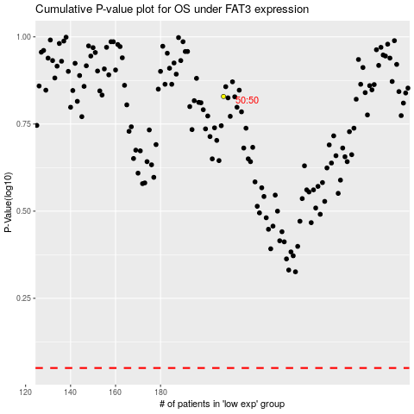

 |  |  |  |  |  | cases_OS | p_OS | rank | exp
 |  |  |  |  |  |  | cases_RFS | p_RFS | rank | exp

