FBLIM1 _multivariate
Reported by Tex Li-Hsing Chi. tex@gate.sinica.edu.tw 2019-08-19

Table 2. The clinicopathological features of HNSCC cohort and FBLIM1 expression. (Chi square test)
Cutoff at -0.067 (50.0%)
 |  | FBLIM1 expression |  | FBLIM1 expression |  | (Optimised)
 | Features | Low | (%) | High | (%) | Case no | P-value | Remark | Matthews
Gender | Female | 164 | 39.5 | 142 | 34.2 | 415 | 0.0153 | 1 | 0
2 | Male | 43 | 10.4 | 66 | 15.9
Age at diagnosis | <=65y | 143 | 34.5 | 131 | 31.6 | 415 | 0.2269 | 0 | 0
4 | >65y | 64 | 15.4 | 77 | 18.6
Clinical T Status | T1+T2 | 75 | 18.1 | 74 | 17.8 | 415 | 0.9707 | 0 | 0
6 | T3+T4 | 132 | 31.8 | 134 | 32.3
Clinical N Status | N0 | 97 | 23.4 | 119 | 28.7 | 415 | 0.0442 | 1 | 0
8 | N1-3 | 110 | 26.5 | 89 | 21.4
Clinical M Status | M0 | 206 | 49.6 | 206 | 49.6 | 415 | 1 | 0 | 0
10 | M1 | 1 | 0.2 | 2 | 0.5
Clinical Stage | Stage I+II | 43 | 10.4 | 59 | 14.2 | 415 | 0.0925 | 0 | 0
12 | Stage III+IV | 164 | 39.5 | 149 | 35.9
Surgical Margin status | Negative | 156 | 37.6 | 162 | 39 | 415 | 0.5636 | 0 | 0
14 | Positive | 51 | 12.3 | 46 | 11.1
Tobacco Exposure | Low | 68 | 16.4 | 93 | 22.4 | 415 | 0.0156 | 1 | 0
16 | High | 139 | 33.5 | 115 | 27.7

Table 3. Univariate/Multivariate Cox's proportional hazards regression analyses on OS time of FBLIM1 gene expression in HNSCC

 |  | Univariate |  |  |  | Multivariate
 | Features | HR | CI95%(L) | CI95%(H) | P-value | HR | CI95%(L) | CI95%(H) | P-value
1 | Female | 1 |  |  |  | 1
Gender | Male | 1.157 | 0.843 | 1.587 | 0.367 | 1.192 | 0.852 | 1.667 | 0.306
11 | <=65y | 1 |  |  |  | 1
Age at diagnosis | >65y | 1.329 | 0.99 | 1.784 | 0.058 | 1.386 | 1.019 | 1.885 | 0.037
12 | T1+T2 | 1 |  |  |  | 1
Clinical T Status | T3+T4 | 1.409 | 1.028 | 1.931 | 0.033 | 2.176 | 1.149 | 4.12 | 0.017
13 | N0 | 1 |  |  |  | 1
Clinical N Status | N1-3 | 1.185 | 0.89 | 1.577 | 0.246 | 1.248 | 0.875 | 1.781 | 0.222
14 | M0 | 1 |  |  |  | 1
Clinical M Status | M1 | 4.097 | 1.009 | 16.644 | 0.049 | 8.994 | 1.949 | 41.493 | 0.005
15 | Stage I+II | 1 |  |  |  | 1
Clinical Stage | Stage III+IV | 1.245 | 0.882 | 1.759 | 0.213 | 0.515 | 0.239 | 1.109 | 0.09
16 | Negative | 1 |  |  |  | 1
Surgical Margin status | Positive | 1.591 | 1.155 | 2.191 | 0.004 | 1.686 | 1.219 | 2.332 | 0.002
17 | Low | 1 |  |  |  | 1
Tobacco Exposure | High | 1.364 | 1.008 | 1.844 | 0.044 | 1.473 | 1.065 | 2.036 | 0.019
18 | Low | 1 |  |  |  | 1
RNAseq(z-score) | High | 1.068 | 0.801 | 1.424 | 0.653 | 1.101 | 0.817 | 1.483 | 0.529

Table 4. Univariate/Multivariate Cox's proportional hazards regression analyses on RFS time of FBLIM1 gene expression in HNSCC

 |  | Univariate |  |  |  | Multivariate
 | Features | HR | CI95%(L) | CI95%(H) | P-value | HR | CI95%(L) | CI95%(H) | P-value
1 | Female | 1 |  |  |  | 1
Gender | Male | 1.157 | 0.843 | 1.587 | 0.367 | 1.192 | 0.852 | 1.667 | 0.306
11 | <=65y | 1 |  |  |  | 1
Age at diagnosis | >65y | 1.329 | 0.99 | 1.784 | 0.058 | 1.386 | 1.019 | 1.885 | 0.037
12 | T1+T2 | 1 |  |  |  | 1
Clinical T Status | T3+T4 | 1.409 | 1.028 | 1.931 | 0.033 | 2.176 | 1.149 | 4.12 | 0.017
13 | N0 | 1 |  |  |  | 1
Clinical N Status | N1-3 | 1.185 | 0.89 | 1.577 | 0.246 | 1.248 | 0.875 | 1.781 | 0.222
14 | M0 | 1 |  |  |  | 1
Clinical M Status | M1 | 4.097 | 1.009 | 16.644 | 0.049 | 8.994 | 1.949 | 41.493 | 0.005
15 | Stage I+II | 1 |  |  |  | 1
Clinical Stage | Stage III+IV | 1.245 | 0.882 | 1.759 | 0.213 | 0.515 | 0.239 | 1.109 | 0.09
16 | Negative | 1 |  |  |  | 1
Surgical Margin status | Positive | 1.591 | 1.155 | 2.191 | 0.004 | 1.686 | 1.219 | 2.332 | 0.002
17 | Low | 1 |  |  |  | 1
Tobacco Exposure | High | 1.364 | 1.008 | 1.844 | 0.044 | 1.473 | 1.065 | 2.036 | 0.019
18 | Low | 1 |  |  |  | 1
RNAseq(z-score) | High | 1.068 | 0.801 | 1.424 | 0.653 | 1.101 | 0.817 | 1.483 | 0.529

Kaplan-Meier survival estimate: Cutoff at -0.067 (50.0%)



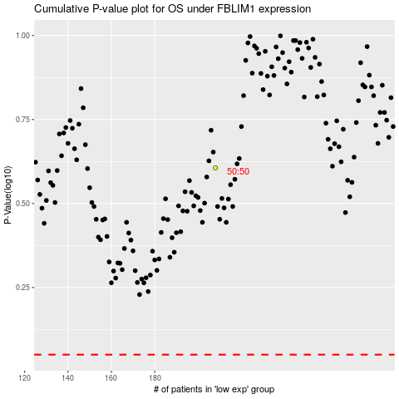

 |  |  |  |  |  | cases_OS | p_OS | rank | exp
 |  |  |  |  |  |  | cases_RFS | p_RFS | rank | exp

