FBLN2 _multivariate
Reported by Tex Li-Hsing Chi. tex@gate.sinica.edu.tw 2019-08-19

Table 2. The clinicopathological features of HNSCC cohort and FBLN2 expression. (Chi square test)
Cutoff at -0.235 (51.7%)
 |  | FBLN2 expression |  | FBLN2 expression |  | (Optimised)
 | Features | Low | (%) | High | (%) | Case no | P-value | Remark | Matthews
Gender | Female | 155 | 37.3 | 151 | 36.4 | 415 | 0.4988 | 0 | 0
2 | Male | 60 | 14.5 | 49 | 11.8
Age at diagnosis | <=65y | 139 | 33.5 | 135 | 32.5 | 415 | 0.6111 | 0 | 0
4 | >65y | 76 | 18.3 | 65 | 15.7
Clinical T Status | T1+T2 | 77 | 18.6 | 72 | 17.3 | 415 | 1 | 0 | 0
6 | T3+T4 | 138 | 33.3 | 128 | 30.8
Clinical N Status | N0 | 111 | 26.7 | 105 | 25.3 | 415 | 0.9367 | 0 | 0
8 | N1-3 | 104 | 25.1 | 95 | 22.9
Clinical M Status | M0 | 212 | 51.1 | 200 | 48.2 | 415 | 0.2492 | 0 | 0
10 | M1 | 3 | 0.7 | 0 | 0
Clinical Stage | Stage I+II | 53 | 12.8 | 49 | 11.8 | 415 | 1 | 0 | 0
12 | Stage III+IV | 162 | 39 | 151 | 36.4
Surgical Margin status | Negative | 161 | 38.8 | 157 | 37.8 | 415 | 0.4175 | 0 | 0
14 | Positive | 54 | 13 | 43 | 10.4
Tobacco Exposure | Low | 90 | 21.7 | 71 | 17.1 | 415 | 0.1915 | 0 | 0
16 | High | 125 | 30.1 | 129 | 31.1

Table 3. Univariate/Multivariate Cox's proportional hazards regression analyses on OS time of FBLN2 gene expression in HNSCC

 |  | Univariate |  |  |  | Multivariate
 | Features | HR | CI95%(L) | CI95%(H) | P-value | HR | CI95%(L) | CI95%(H) | P-value
1 | Female | 1 |  |  |  | 1
Gender | Male | 1.157 | 0.843 | 1.587 | 0.367 | 1.18 | 0.844 | 1.651 | 0.333
11 | <=65y | 1 |  |  |  | 1
Age at diagnosis | >65y | 1.329 | 0.99 | 1.784 | 0.058 | 1.394 | 1.026 | 1.894 | 0.034
12 | T1+T2 | 1 |  |  |  | 1
Clinical T Status | T3+T4 | 1.409 | 1.028 | 1.931 | 0.033 | 2.174 | 1.15 | 4.108 | 0.017
13 | N0 | 1 |  |  |  | 1
Clinical N Status | N1-3 | 1.185 | 0.89 | 1.577 | 0.246 | 1.216 | 0.852 | 1.737 | 0.281
14 | M0 | 1 |  |  |  | 1
Clinical M Status | M1 | 4.097 | 1.009 | 16.644 | 0.049 | 8.266 | 1.791 | 38.14 | 0.007
15 | Stage I+II | 1 |  |  |  | 1
Clinical Stage | Stage III+IV | 1.245 | 0.882 | 1.759 | 0.213 | 0.521 | 0.243 | 1.119 | 0.095
16 | Negative | 1 |  |  |  | 1
Surgical Margin status | Positive | 1.591 | 1.155 | 2.191 | 0.004 | 1.653 | 1.196 | 2.285 | 0.002
17 | Low | 1 |  |  |  | 1
Tobacco Exposure | High | 1.364 | 1.008 | 1.844 | 0.044 | 1.47 | 1.066 | 2.027 | 0.019
18 | Low | 1 |  |  |  | 1
RNAseq(z-score) | High | 0.749 | 0.561 | 1 | 0.05 | 0.775 | 0.578 | 1.039 | 0.089

Table 4. Univariate/Multivariate Cox's proportional hazards regression analyses on RFS time of FBLN2 gene expression in HNSCC

 |  | Univariate |  |  |  | Multivariate
 | Features | HR | CI95%(L) | CI95%(H) | P-value | HR | CI95%(L) | CI95%(H) | P-value
1 | Female | 1 |  |  |  | 1
Gender | Male | 1.157 | 0.843 | 1.587 | 0.367 | 1.18 | 0.844 | 1.651 | 0.333
11 | <=65y | 1 |  |  |  | 1
Age at diagnosis | >65y | 1.329 | 0.99 | 1.784 | 0.058 | 1.394 | 1.026 | 1.894 | 0.034
12 | T1+T2 | 1 |  |  |  | 1
Clinical T Status | T3+T4 | 1.409 | 1.028 | 1.931 | 0.033 | 2.174 | 1.15 | 4.108 | 0.017
13 | N0 | 1 |  |  |  | 1
Clinical N Status | N1-3 | 1.185 | 0.89 | 1.577 | 0.246 | 1.216 | 0.852 | 1.737 | 0.281
14 | M0 | 1 |  |  |  | 1
Clinical M Status | M1 | 4.097 | 1.009 | 16.644 | 0.049 | 8.266 | 1.791 | 38.14 | 0.007
15 | Stage I+II | 1 |  |  |  | 1
Clinical Stage | Stage III+IV | 1.245 | 0.882 | 1.759 | 0.213 | 0.521 | 0.243 | 1.119 | 0.095
16 | Negative | 1 |  |  |  | 1
Surgical Margin status | Positive | 1.591 | 1.155 | 2.191 | 0.004 | 1.653 | 1.196 | 2.285 | 0.002
17 | Low | 1 |  |  |  | 1
Tobacco Exposure | High | 1.364 | 1.008 | 1.844 | 0.044 | 1.47 | 1.066 | 2.027 | 0.019
18 | Low | 1 |  |  |  | 1
RNAseq(z-score) | High | 0.749 | 0.561 | 1 | 0.05 | 0.775 | 0.578 | 1.039 | 0.089

Kaplan-Meier survival estimate: Cutoff at -0.235 (51.7%)



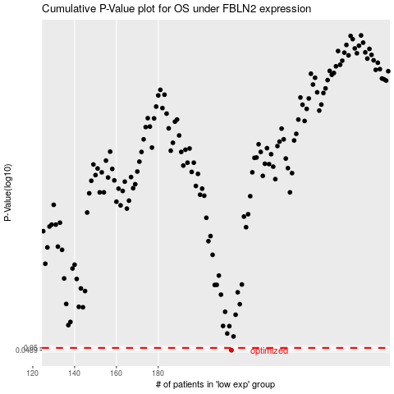

 |  |  |  |  |  | cases_OS | p_OS | rank | exp
 |  |  |  |  |  | 215 | 0.0489 | 103 | -0.23543503055
 |  |  |  |  |  |  | cases_RFS | p_RFS | rank | exp
 |  |  |  |  |  |  | 214 | 0.0489 | 237 | -0.23880548035

