FBLN5 _multivariate
Reported by Tex Li-Hsing Chi. tex@gate.sinica.edu.tw 2019-08-19

Table 2. The clinicopathological features of HNSCC cohort and FBLN5 expression. (Chi square test)
Cutoff at -0.314 (49.8%)
 |  | FBLN5 expression |  | FBLN5 expression |  | (Optimised)
 | Features | Low | (%) | High | (%) | Case no | P-value | Remark | Matthews
Gender | Female | 157 | 37.8 | 149 | 35.9 | 415 | 0.3881 | 0 | 0
2 | Male | 50 | 12 | 59 | 14.2
Age at diagnosis | <=65y | 141 | 34 | 133 | 32 | 415 | 0.4272 | 0 | 0
4 | >65y | 66 | 15.9 | 75 | 18.1
Clinical T Status | T1+T2 | 75 | 18.1 | 74 | 17.8 | 415 | 0.9707 | 0 | 0
6 | T3+T4 | 132 | 31.8 | 134 | 32.3
Clinical N Status | N0 | 105 | 25.3 | 111 | 26.7 | 415 | 0.6598 | 0 | 0
8 | N1-3 | 102 | 24.6 | 97 | 23.4
Clinical M Status | M0 | 204 | 49.2 | 208 | 50.1 | 415 | 0.1232 | 0 | 0
10 | M1 | 3 | 0.7 | 0 | 0
Clinical Stage | Stage I+II | 50 | 12 | 52 | 12.5 | 415 | 0.9315 | 0 | 0
12 | Stage III+IV | 157 | 37.8 | 156 | 37.6
Surgical Margin status | Negative | 155 | 37.3 | 163 | 39.3 | 415 | 0.4187 | 0 | 0
14 | Positive | 52 | 12.5 | 45 | 10.8
Tobacco Exposure | Low | 86 | 20.7 | 75 | 18.1 | 415 | 0.2687 | 0 | 0
16 | High | 121 | 29.2 | 133 | 32

Table 3. Univariate/Multivariate Cox's proportional hazards regression analyses on OS time of FBLN5 gene expression in HNSCC

 |  | Univariate |  |  |  | Multivariate
 | Features | HR | CI95%(L) | CI95%(H) | P-value | HR | CI95%(L) | CI95%(H) | P-value
1 | Female | 1 |  |  |  | 1
Gender | Male | 1.157 | 0.843 | 1.587 | 0.367 | 1.248 | 0.888 | 1.752 | 0.202
11 | <=65y | 1 |  |  |  | 1
Age at diagnosis | >65y | 1.329 | 0.99 | 1.784 | 0.058 | 1.385 | 1.019 | 1.883 | 0.038
12 | T1+T2 | 1 |  |  |  | 1
Clinical T Status | T3+T4 | 1.409 | 1.028 | 1.931 | 0.033 | 2.176 | 1.151 | 4.112 | 0.017
13 | N0 | 1 |  |  |  | 1
Clinical N Status | N1-3 | 1.185 | 0.89 | 1.577 | 0.246 | 1.224 | 0.858 | 1.747 | 0.265
14 | M0 | 1 |  |  |  | 1
Clinical M Status | M1 | 4.097 | 1.009 | 16.644 | 0.049 | 8.395 | 1.822 | 38.677 | 0.006
15 | Stage I+II | 1 |  |  |  | 1
Clinical Stage | Stage III+IV | 1.245 | 0.882 | 1.759 | 0.213 | 0.515 | 0.24 | 1.105 | 0.088
16 | Negative | 1 |  |  |  | 1
Surgical Margin status | Positive | 1.591 | 1.155 | 2.191 | 0.004 | 1.685 | 1.219 | 2.329 | 0.002
17 | Low | 1 |  |  |  | 1
Tobacco Exposure | High | 1.364 | 1.008 | 1.844 | 0.044 | 1.481 | 1.072 | 2.045 | 0.017
18 | Low | 1 |  |  |  | 1
RNAseq(z-score) | High | 0.804 | 0.603 | 1.071 | 0.136 | 0.782 | 0.584 | 1.048 | 0.099

Table 4. Univariate/Multivariate Cox's proportional hazards regression analyses on RFS time of FBLN5 gene expression in HNSCC

 |  | Univariate |  |  |  | Multivariate
 | Features | HR | CI95%(L) | CI95%(H) | P-value | HR | CI95%(L) | CI95%(H) | P-value
1 | Female | 1 |  |  |  | 1
Gender | Male | 1.157 | 0.843 | 1.587 | 0.367 | 1.248 | 0.888 | 1.752 | 0.202
11 | <=65y | 1 |  |  |  | 1
Age at diagnosis | >65y | 1.329 | 0.99 | 1.784 | 0.058 | 1.385 | 1.019 | 1.883 | 0.038
12 | T1+T2 | 1 |  |  |  | 1
Clinical T Status | T3+T4 | 1.409 | 1.028 | 1.931 | 0.033 | 2.176 | 1.151 | 4.112 | 0.017
13 | N0 | 1 |  |  |  | 1
Clinical N Status | N1-3 | 1.185 | 0.89 | 1.577 | 0.246 | 1.224 | 0.858 | 1.747 | 0.265
14 | M0 | 1 |  |  |  | 1
Clinical M Status | M1 | 4.097 | 1.009 | 16.644 | 0.049 | 8.395 | 1.822 | 38.677 | 0.006
15 | Stage I+II | 1 |  |  |  | 1
Clinical Stage | Stage III+IV | 1.245 | 0.882 | 1.759 | 0.213 | 0.515 | 0.24 | 1.105 | 0.088
16 | Negative | 1 |  |  |  | 1
Surgical Margin status | Positive | 1.591 | 1.155 | 2.191 | 0.004 | 1.685 | 1.219 | 2.329 | 0.002
17 | Low | 1 |  |  |  | 1
Tobacco Exposure | High | 1.364 | 1.008 | 1.844 | 0.044 | 1.481 | 1.072 | 2.045 | 0.017
18 | Low | 1 |  |  |  | 1
RNAseq(z-score) | High | 0.804 | 0.603 | 1.071 | 0.136 | 0.782 | 0.584 | 1.048 | 0.099

Kaplan-Meier survival estimate: Cutoff at -0.314 (49.8%)



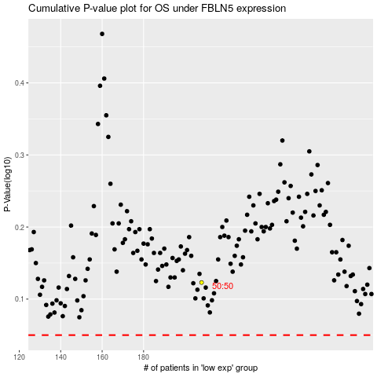

 |  |  |  |  |  | cases_OS | p_OS | rank | exp
 |  |  |  |  |  |  | cases_RFS | p_RFS | rank | exp

