FBLN7 _multivariate
Reported by Tex Li-Hsing Chi. tex@gate.sinica.edu.tw 2019-08-19

Table 2. The clinicopathological features of HNSCC cohort and FBLN7 expression. (Chi square test)
Cutoff at -0.197 (49.8%)
 |  | FBLN7 expression |  | FBLN7 expression |  | (Optimised)
 | Features | Low | (%) | High | (%) | Case no | P-value | Remark | Matthews
Gender | Female | 146 | 35.2 | 160 | 38.6 | 415 | 0.1714 | 0 | 0
2 | Male | 61 | 14.7 | 48 | 11.6
Age at diagnosis | <=65y | 135 | 32.5 | 139 | 33.5 | 415 | 0.8084 | 0 | 0
4 | >65y | 72 | 17.3 | 69 | 16.6
Clinical T Status | T1+T2 | 68 | 16.4 | 81 | 19.5 | 415 | 0.2336 | 0 | 0
6 | T3+T4 | 139 | 33.5 | 127 | 30.6
Clinical N Status | N0 | 111 | 26.7 | 105 | 25.3 | 415 | 0.5875 | 0 | 0
8 | N1-3 | 96 | 23.1 | 103 | 24.8
Clinical M Status | M0 | 204 | 49.2 | 208 | 50.1 | 415 | 0.1232 | 0 | 0
10 | M1 | 3 | 0.7 | 0 | 0
Clinical Stage | Stage I+II | 47 | 11.3 | 55 | 13.3 | 415 | 0.4413 | 0 | 0
12 | Stage III+IV | 160 | 38.6 | 153 | 36.9
Surgical Margin status | Negative | 166 | 40 | 152 | 36.6 | 415 | 0.1042 | 0 | 0
14 | Positive | 41 | 9.9 | 56 | 13.5
Tobacco Exposure | Low | 78 | 18.8 | 83 | 20 | 415 | 0.6873 | 0 | 0
16 | High | 129 | 31.1 | 125 | 30.1

Table 3. Univariate/Multivariate Cox's proportional hazards regression analyses on OS time of FBLN7 gene expression in HNSCC

 |  | Univariate |  |  |  | Multivariate
 | Features | HR | CI95%(L) | CI95%(H) | P-value | HR | CI95%(L) | CI95%(H) | P-value
1 | Female | 1 |  |  |  | 1
Gender | Male | 1.157 | 0.843 | 1.587 | 0.367 | 1.198 | 0.857 | 1.675 | 0.29
11 | <=65y | 1 |  |  |  | 1
Age at diagnosis | >65y | 1.329 | 0.99 | 1.784 | 0.058 | 1.386 | 1.019 | 1.886 | 0.038
12 | T1+T2 | 1 |  |  |  | 1
Clinical T Status | T3+T4 | 1.409 | 1.028 | 1.931 | 0.033 | 2.196 | 1.161 | 4.155 | 0.016
13 | N0 | 1 |  |  |  | 1
Clinical N Status | N1-3 | 1.185 | 0.89 | 1.577 | 0.246 | 1.241 | 0.87 | 1.771 | 0.233
14 | M0 | 1 |  |  |  | 1
Clinical M Status | M1 | 4.097 | 1.009 | 16.644 | 0.049 | 9.177 | 1.986 | 42.413 | 0.005
15 | Stage I+II | 1 |  |  |  | 1
Clinical Stage | Stage III+IV | 1.245 | 0.882 | 1.759 | 0.213 | 0.503 | 0.234 | 1.079 | 0.078
16 | Negative | 1 |  |  |  | 1
Surgical Margin status | Positive | 1.591 | 1.155 | 2.191 | 0.004 | 1.681 | 1.214 | 2.328 | 0.002
17 | Low | 1 |  |  |  | 1
Tobacco Exposure | High | 1.364 | 1.008 | 1.844 | 0.044 | 1.452 | 1.054 | 2.001 | 0.023
18 | Low | 1 |  |  |  | 1
RNAseq(z-score) | High | 0.909 | 0.682 | 1.211 | 0.515 | 0.955 | 0.712 | 1.282 | 0.761

Table 4. Univariate/Multivariate Cox's proportional hazards regression analyses on RFS time of FBLN7 gene expression in HNSCC

 |  | Univariate |  |  |  | Multivariate
 | Features | HR | CI95%(L) | CI95%(H) | P-value | HR | CI95%(L) | CI95%(H) | P-value
1 | Female | 1 |  |  |  | 1
Gender | Male | 1.157 | 0.843 | 1.587 | 0.367 | 1.198 | 0.857 | 1.675 | 0.29
11 | <=65y | 1 |  |  |  | 1
Age at diagnosis | >65y | 1.329 | 0.99 | 1.784 | 0.058 | 1.386 | 1.019 | 1.886 | 0.038
12 | T1+T2 | 1 |  |  |  | 1
Clinical T Status | T3+T4 | 1.409 | 1.028 | 1.931 | 0.033 | 2.196 | 1.161 | 4.155 | 0.016
13 | N0 | 1 |  |  |  | 1
Clinical N Status | N1-3 | 1.185 | 0.89 | 1.577 | 0.246 | 1.241 | 0.87 | 1.771 | 0.233
14 | M0 | 1 |  |  |  | 1
Clinical M Status | M1 | 4.097 | 1.009 | 16.644 | 0.049 | 9.177 | 1.986 | 42.413 | 0.005
15 | Stage I+II | 1 |  |  |  | 1
Clinical Stage | Stage III+IV | 1.245 | 0.882 | 1.759 | 0.213 | 0.503 | 0.234 | 1.079 | 0.078
16 | Negative | 1 |  |  |  | 1
Surgical Margin status | Positive | 1.591 | 1.155 | 2.191 | 0.004 | 1.681 | 1.214 | 2.328 | 0.002
17 | Low | 1 |  |  |  | 1
Tobacco Exposure | High | 1.364 | 1.008 | 1.844 | 0.044 | 1.452 | 1.054 | 2.001 | 0.023
18 | Low | 1 |  |  |  | 1
RNAseq(z-score) | High | 0.909 | 0.682 | 1.211 | 0.515 | 0.955 | 0.712 | 1.282 | 0.761

Kaplan-Meier survival estimate: Cutoff at -0.197 (49.8%)



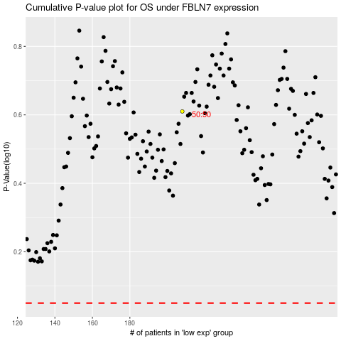

 |  |  |  |  |  | cases_OS | p_OS | rank | exp
 |  |  |  |  |  |  | cases_RFS | p_RFS | rank | exp

