FBN1 _multivariate
Reported by Tex Li-Hsing Chi. tex@gate.sinica.edu.tw 2019-08-19

Table 2. The clinicopathological features of HNSCC cohort and FBN1 expression. (Chi square test)
Cutoff at -0.274 (49.8%)
 |  | FBN1 expression |  | FBN1 expression |  | (Optimised)
 | Features | Low | (%) | High | (%) | Case no | P-value | Remark | Matthews
Gender | Female | 152 | 36.6 | 154 | 37.1 | 415 | 0.9766 | 0 | 0
2 | Male | 55 | 13.3 | 54 | 13
Age at diagnosis | <=65y | 138 | 33.3 | 136 | 32.8 | 415 | 0.8634 | 0 | 0
4 | >65y | 69 | 16.6 | 72 | 17.3
Clinical T Status | T1+T2 | 78 | 18.8 | 71 | 17.1 | 415 | 0.5152 | 0 | 0
6 | T3+T4 | 129 | 31.1 | 137 | 33
Clinical N Status | N0 | 112 | 27 | 104 | 25.1 | 415 | 0.4599 | 0 | 0
8 | N1-3 | 95 | 22.9 | 104 | 25.1
Clinical M Status | M0 | 204 | 49.2 | 208 | 50.1 | 415 | 0.1232 | 0 | 0
10 | M1 | 3 | 0.7 | 0 | 0
Clinical Stage | Stage I+II | 52 | 12.5 | 50 | 12 | 415 | 0.8871 | 0 | 0
12 | Stage III+IV | 155 | 37.3 | 158 | 38.1
Surgical Margin status | Negative | 155 | 37.3 | 163 | 39.3 | 415 | 0.4187 | 0 | 0
14 | Positive | 52 | 12.5 | 45 | 10.8
Tobacco Exposure | Low | 87 | 21 | 74 | 17.8 | 415 | 0.1911 | 0 | 0
16 | High | 120 | 28.9 | 134 | 32.3

Table 3. Univariate/Multivariate Cox's proportional hazards regression analyses on OS time of FBN1 gene expression in HNSCC

 |  | Univariate |  |  |  | Multivariate
 | Features | HR | CI95%(L) | CI95%(H) | P-value | HR | CI95%(L) | CI95%(H) | P-value
1 | Female | 1 |  |  |  | 1
Gender | Male | 1.157 | 0.843 | 1.587 | 0.367 | 1.197 | 0.856 | 1.675 | 0.292
11 | <=65y | 1 |  |  |  | 1
Age at diagnosis | >65y | 1.329 | 0.99 | 1.784 | 0.058 | 1.392 | 1.024 | 1.892 | 0.035
12 | T1+T2 | 1 |  |  |  | 1
Clinical T Status | T3+T4 | 1.409 | 1.028 | 1.931 | 0.033 | 2.219 | 1.173 | 4.199 | 0.014
13 | N0 | 1 |  |  |  | 1
Clinical N Status | N1-3 | 1.185 | 0.89 | 1.577 | 0.246 | 1.248 | 0.874 | 1.781 | 0.223
14 | M0 | 1 |  |  |  | 1
Clinical M Status | M1 | 4.097 | 1.009 | 16.644 | 0.049 | 8.977 | 1.947 | 41.398 | 0.005
15 | Stage I+II | 1 |  |  |  | 1
Clinical Stage | Stage III+IV | 1.245 | 0.882 | 1.759 | 0.213 | 0.503 | 0.234 | 1.079 | 0.078
16 | Negative | 1 |  |  |  | 1
Surgical Margin status | Positive | 1.591 | 1.155 | 2.191 | 0.004 | 1.663 | 1.203 | 2.298 | 0.002
17 | Low | 1 |  |  |  | 1
Tobacco Exposure | High | 1.364 | 1.008 | 1.844 | 0.044 | 1.456 | 1.056 | 2.007 | 0.022
18 | Low | 1 |  |  |  | 1
RNAseq(z-score) | High | 0.902 | 0.677 | 1.201 | 0.479 | 0.907 | 0.678 | 1.214 | 0.513

Table 4. Univariate/Multivariate Cox's proportional hazards regression analyses on RFS time of FBN1 gene expression in HNSCC

 |  | Univariate |  |  |  | Multivariate
 | Features | HR | CI95%(L) | CI95%(H) | P-value | HR | CI95%(L) | CI95%(H) | P-value
1 | Female | 1 |  |  |  | 1
Gender | Male | 1.157 | 0.843 | 1.587 | 0.367 | 1.197 | 0.856 | 1.675 | 0.292
11 | <=65y | 1 |  |  |  | 1
Age at diagnosis | >65y | 1.329 | 0.99 | 1.784 | 0.058 | 1.392 | 1.024 | 1.892 | 0.035
12 | T1+T2 | 1 |  |  |  | 1
Clinical T Status | T3+T4 | 1.409 | 1.028 | 1.931 | 0.033 | 2.219 | 1.173 | 4.199 | 0.014
13 | N0 | 1 |  |  |  | 1
Clinical N Status | N1-3 | 1.185 | 0.89 | 1.577 | 0.246 | 1.248 | 0.874 | 1.781 | 0.223
14 | M0 | 1 |  |  |  | 1
Clinical M Status | M1 | 4.097 | 1.009 | 16.644 | 0.049 | 8.977 | 1.947 | 41.398 | 0.005
15 | Stage I+II | 1 |  |  |  | 1
Clinical Stage | Stage III+IV | 1.245 | 0.882 | 1.759 | 0.213 | 0.503 | 0.234 | 1.079 | 0.078
16 | Negative | 1 |  |  |  | 1
Surgical Margin status | Positive | 1.591 | 1.155 | 2.191 | 0.004 | 1.663 | 1.203 | 2.298 | 0.002
17 | Low | 1 |  |  |  | 1
Tobacco Exposure | High | 1.364 | 1.008 | 1.844 | 0.044 | 1.456 | 1.056 | 2.007 | 0.022
18 | Low | 1 |  |  |  | 1
RNAseq(z-score) | High | 0.902 | 0.677 | 1.201 | 0.479 | 0.907 | 0.678 | 1.214 | 0.513

Kaplan-Meier survival estimate: Cutoff at -0.274 (49.8%)



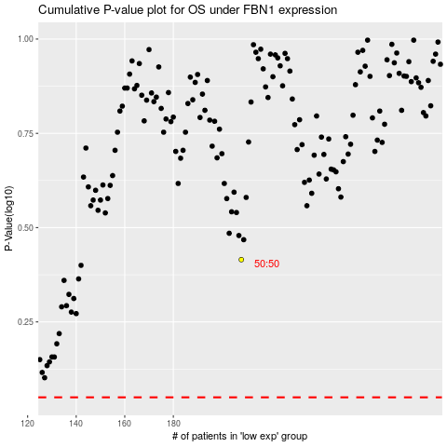

 |  |  |  |  |  | cases_OS | p_OS | rank | exp
 |  |  |  |  |  |  | cases_RFS | p_RFS | rank | exp

