FBXL14 _multivariate
Reported by Tex Li-Hsing Chi. tex@gate.sinica.edu.tw 2019-08-19

Table 2. The clinicopathological features of HNSCC cohort and FBXL14 expression. (Chi square test)
Cutoff at -0.255 (49.8%)
 |  | FBXL14 expression |  | FBXL14 expression |  | (Optimised)
 | Features | Low | (%) | High | (%) | Case no | P-value | Remark | Matthews
Gender | Female | 141 | 34 | 165 | 39.8 | 415 | 0.013 | 1 | 0
2 | Male | 66 | 15.9 | 43 | 10.4
Age at diagnosis | <=65y | 144 | 34.7 | 130 | 31.3 | 415 | 0.1568 | 0 | 0
4 | >65y | 63 | 15.2 | 78 | 18.8
Clinical T Status | T1+T2 | 72 | 17.3 | 77 | 18.6 | 415 | 0.7095 | 0 | 0
6 | T3+T4 | 135 | 32.5 | 131 | 31.6
Clinical N Status | N0 | 111 | 26.7 | 105 | 25.3 | 415 | 0.5875 | 0 | 0
8 | N1-3 | 96 | 23.1 | 103 | 24.8
Clinical M Status | M0 | 206 | 49.6 | 206 | 49.6 | 415 | 1 | 0 | 0
10 | M1 | 1 | 0.2 | 2 | 0.5
Clinical Stage | Stage I+II | 54 | 13 | 48 | 11.6 | 415 | 0.5498 | 0 | 0
12 | Stage III+IV | 153 | 36.9 | 160 | 38.6
Surgical Margin status | Negative | 160 | 38.6 | 158 | 38.1 | 415 | 0.8167 | 0 | 0
14 | Positive | 47 | 11.3 | 50 | 12
Tobacco Exposure | Low | 84 | 20.2 | 77 | 18.6 | 415 | 0.4816 | 0 | 0
16 | High | 123 | 29.6 | 131 | 31.6

Table 3. Univariate/Multivariate Cox's proportional hazards regression analyses on OS time of FBXL14 gene expression in HNSCC

 |  | Univariate |  |  |  | Multivariate
 | Features | HR | CI95%(L) | CI95%(H) | P-value | HR | CI95%(L) | CI95%(H) | P-value
1 | Female | 1 |  |  |  | 1
Gender | Male | 1.157 | 0.843 | 1.587 | 0.367 | 1.186 | 0.846 | 1.663 | 0.322
11 | <=65y | 1 |  |  |  | 1
Age at diagnosis | >65y | 1.329 | 0.99 | 1.784 | 0.058 | 1.404 | 1.031 | 1.913 | 0.031
12 | T1+T2 | 1 |  |  |  | 1
Clinical T Status | T3+T4 | 1.409 | 1.028 | 1.931 | 0.033 | 2.18 | 1.152 | 4.126 | 0.017
13 | N0 | 1 |  |  |  | 1
Clinical N Status | N1-3 | 1.185 | 0.89 | 1.577 | 0.246 | 1.238 | 0.867 | 1.766 | 0.24
14 | M0 | 1 |  |  |  | 1
Clinical M Status | M1 | 4.097 | 1.009 | 16.644 | 0.049 | 9.414 | 2.054 | 43.15 | 0.004
15 | Stage I+II | 1 |  |  |  | 1
Clinical Stage | Stage III+IV | 1.245 | 0.882 | 1.759 | 0.213 | 0.509 | 0.237 | 1.092 | 0.083
16 | Negative | 1 |  |  |  | 1
Surgical Margin status | Positive | 1.591 | 1.155 | 2.191 | 0.004 | 1.679 | 1.215 | 2.322 | 0.002
17 | Low | 1 |  |  |  | 1
Tobacco Exposure | High | 1.364 | 1.008 | 1.844 | 0.044 | 1.46 | 1.059 | 2.013 | 0.021
18 | Low | 1 |  |  |  | 1
RNAseq(z-score) | High | 0.938 | 0.704 | 1.249 | 0.66 | 0.921 | 0.688 | 1.234 | 0.583

Table 4. Univariate/Multivariate Cox's proportional hazards regression analyses on RFS time of FBXL14 gene expression in HNSCC

 |  | Univariate |  |  |  | Multivariate
 | Features | HR | CI95%(L) | CI95%(H) | P-value | HR | CI95%(L) | CI95%(H) | P-value
1 | Female | 1 |  |  |  | 1
Gender | Male | 1.157 | 0.843 | 1.587 | 0.367 | 1.186 | 0.846 | 1.663 | 0.322
11 | <=65y | 1 |  |  |  | 1
Age at diagnosis | >65y | 1.329 | 0.99 | 1.784 | 0.058 | 1.404 | 1.031 | 1.913 | 0.031
12 | T1+T2 | 1 |  |  |  | 1
Clinical T Status | T3+T4 | 1.409 | 1.028 | 1.931 | 0.033 | 2.18 | 1.152 | 4.126 | 0.017
13 | N0 | 1 |  |  |  | 1
Clinical N Status | N1-3 | 1.185 | 0.89 | 1.577 | 0.246 | 1.238 | 0.867 | 1.766 | 0.24
14 | M0 | 1 |  |  |  | 1
Clinical M Status | M1 | 4.097 | 1.009 | 16.644 | 0.049 | 9.414 | 2.054 | 43.15 | 0.004
15 | Stage I+II | 1 |  |  |  | 1
Clinical Stage | Stage III+IV | 1.245 | 0.882 | 1.759 | 0.213 | 0.509 | 0.237 | 1.092 | 0.083
16 | Negative | 1 |  |  |  | 1
Surgical Margin status | Positive | 1.591 | 1.155 | 2.191 | 0.004 | 1.679 | 1.215 | 2.322 | 0.002
17 | Low | 1 |  |  |  | 1
Tobacco Exposure | High | 1.364 | 1.008 | 1.844 | 0.044 | 1.46 | 1.059 | 2.013 | 0.021
18 | Low | 1 |  |  |  | 1
RNAseq(z-score) | High | 0.938 | 0.704 | 1.249 | 0.66 | 0.921 | 0.688 | 1.234 | 0.583

Kaplan-Meier survival estimate: Cutoff at -0.255 (49.8%)



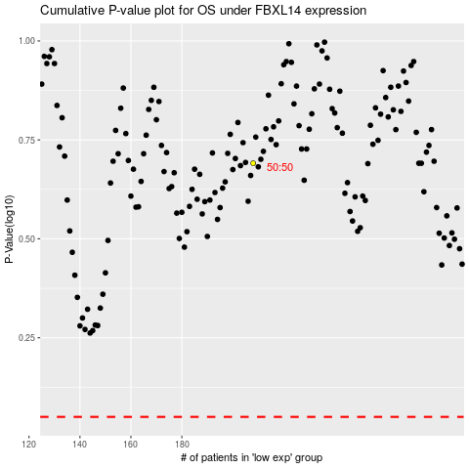

 |  |  |  |  |  | cases_OS | p_OS | rank | exp
 |  |  |  |  |  |  | cases_RFS | p_RFS | rank | exp

