FBXL18 _multivariate
Reported by Tex Li-Hsing Chi. tex@gate.sinica.edu.tw 2019-08-19

Table 2. The clinicopathological features of HNSCC cohort and FBXL18 expression. (Chi square test)
Cutoff at -0.147 (49.8%)
 |  | FBXL18 expression |  | FBXL18 expression |  | (Optimised)
 | Features | Low | (%) | High | (%) | Case no | P-value | Remark | Matthews
Gender | Female | 157 | 37.8 | 149 | 35.9 | 415 | 0.3881 | 0 | 0
2 | Male | 50 | 12 | 59 | 14.2
Age at diagnosis | <=65y | 140 | 33.7 | 134 | 32.3 | 415 | 0.5574 | 0 | 0
4 | >65y | 67 | 16.1 | 74 | 17.8
Clinical T Status | T1+T2 | 66 | 15.9 | 83 | 20 | 415 | 0.1095 | 0 | 0
6 | T3+T4 | 141 | 34 | 125 | 30.1
Clinical N Status | N0 | 103 | 24.8 | 113 | 27.2 | 415 | 0.4047 | 0 | 0
8 | N1-3 | 104 | 25.1 | 95 | 22.9
Clinical M Status | M0 | 207 | 49.9 | 205 | 49.4 | 415 | 0.2482 | 0 | 0
10 | M1 | 0 | 0 | 3 | 0.7
Clinical Stage | Stage I+II | 42 | 10.1 | 60 | 14.5 | 415 | 0.0561 | 0 | 0
12 | Stage III+IV | 165 | 39.8 | 148 | 35.7
Surgical Margin status | Negative | 154 | 37.1 | 164 | 39.5 | 415 | 0.2984 | 0 | 0
14 | Positive | 53 | 12.8 | 44 | 10.6
Tobacco Exposure | Low | 71 | 17.1 | 90 | 21.7 | 415 | 0.0698 | 0 | 0
16 | High | 136 | 32.8 | 118 | 28.4

Table 3. Univariate/Multivariate Cox's proportional hazards regression analyses on OS time of FBXL18 gene expression in HNSCC

 |  | Univariate |  |  |  | Multivariate
 | Features | HR | CI95%(L) | CI95%(H) | P-value | HR | CI95%(L) | CI95%(H) | P-value
1 | Female | 1 |  |  |  | 1
Gender | Male | 1.157 | 0.843 | 1.587 | 0.367 | 1.192 | 0.851 | 1.667 | 0.307
11 | <=65y | 1 |  |  |  | 1
Age at diagnosis | >65y | 1.329 | 0.99 | 1.784 | 0.058 | 1.395 | 1.026 | 1.897 | 0.034
12 | T1+T2 | 1 |  |  |  | 1
Clinical T Status | T3+T4 | 1.409 | 1.028 | 1.931 | 0.033 | 2.181 | 1.153 | 4.127 | 0.017
13 | N0 | 1 |  |  |  | 1
Clinical N Status | N1-3 | 1.185 | 0.89 | 1.577 | 0.246 | 1.238 | 0.868 | 1.766 | 0.239
14 | M0 | 1 |  |  |  | 1
Clinical M Status | M1 | 4.097 | 1.009 | 16.644 | 0.049 | 8.81 | 1.902 | 40.794 | 0.005
15 | Stage I+II | 1 |  |  |  | 1
Clinical Stage | Stage III+IV | 1.245 | 0.882 | 1.759 | 0.213 | 0.519 | 0.241 | 1.118 | 0.094
16 | Negative | 1 |  |  |  | 1
Surgical Margin status | Positive | 1.591 | 1.155 | 2.191 | 0.004 | 1.674 | 1.211 | 2.312 | 0.002
17 | Low | 1 |  |  |  | 1
Tobacco Exposure | High | 1.364 | 1.008 | 1.844 | 0.044 | 1.461 | 1.06 | 2.015 | 0.021
18 | Low | 1 |  |  |  | 1
RNAseq(z-score) | High | 1.109 | 0.831 | 1.479 | 0.483 | 1.113 | 0.829 | 1.493 | 0.478

Table 4. Univariate/Multivariate Cox's proportional hazards regression analyses on RFS time of FBXL18 gene expression in HNSCC

 |  | Univariate |  |  |  | Multivariate
 | Features | HR | CI95%(L) | CI95%(H) | P-value | HR | CI95%(L) | CI95%(H) | P-value
1 | Female | 1 |  |  |  | 1
Gender | Male | 1.157 | 0.843 | 1.587 | 0.367 | 1.192 | 0.851 | 1.667 | 0.307
11 | <=65y | 1 |  |  |  | 1
Age at diagnosis | >65y | 1.329 | 0.99 | 1.784 | 0.058 | 1.395 | 1.026 | 1.897 | 0.034
12 | T1+T2 | 1 |  |  |  | 1
Clinical T Status | T3+T4 | 1.409 | 1.028 | 1.931 | 0.033 | 2.181 | 1.153 | 4.127 | 0.017
13 | N0 | 1 |  |  |  | 1
Clinical N Status | N1-3 | 1.185 | 0.89 | 1.577 | 0.246 | 1.238 | 0.868 | 1.766 | 0.239
14 | M0 | 1 |  |  |  | 1
Clinical M Status | M1 | 4.097 | 1.009 | 16.644 | 0.049 | 8.81 | 1.902 | 40.794 | 0.005
15 | Stage I+II | 1 |  |  |  | 1
Clinical Stage | Stage III+IV | 1.245 | 0.882 | 1.759 | 0.213 | 0.519 | 0.241 | 1.118 | 0.094
16 | Negative | 1 |  |  |  | 1
Surgical Margin status | Positive | 1.591 | 1.155 | 2.191 | 0.004 | 1.674 | 1.211 | 2.312 | 0.002
17 | Low | 1 |  |  |  | 1
Tobacco Exposure | High | 1.364 | 1.008 | 1.844 | 0.044 | 1.461 | 1.06 | 2.015 | 0.021
18 | Low | 1 |  |  |  | 1
RNAseq(z-score) | High | 1.109 | 0.831 | 1.479 | 0.483 | 1.113 | 0.829 | 1.493 | 0.478

Kaplan-Meier survival estimate: Cutoff at -0.147 (49.8%)



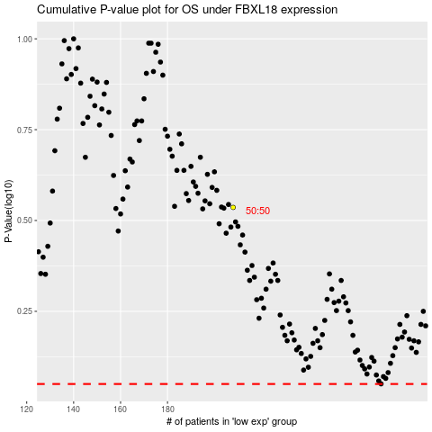

 |  |  |  |  |  | cases_OS | p_OS | rank | exp
 |  |  |  |  |  |  | cases_RFS | p_RFS | rank | exp

