FBXL19 _multivariate
Reported by Tex Li-Hsing Chi. tex@gate.sinica.edu.tw 2019-08-19

Table 2. The clinicopathological features of HNSCC cohort and FBXL19 expression. (Chi square test)
Cutoff at -0.081 (50.0%)
 |  | FBXL19 expression |  | FBXL19 expression |  | (Optimised)
 | Features | Low | (%) | High | (%) | Case no | P-value | Remark | Matthews
Gender | Female | 153 | 36.9 | 153 | 36.9 | 415 | 1 | 0 | 0
2 | Male | 54 | 13 | 55 | 13.3
Age at diagnosis | <=65y | 134 | 32.3 | 140 | 33.7 | 415 | 0.6529 | 0 | 0
4 | >65y | 73 | 17.6 | 68 | 16.4
Clinical T Status | T1+T2 | 89 | 21.4 | 60 | 14.5 | 415 | 0.0037 | 1 | 0
6 | T3+T4 | 118 | 28.4 | 148 | 35.7
Clinical N Status | N0 | 98 | 23.6 | 118 | 28.4 | 415 | 0.0694 | 0 | 0
8 | N1-3 | 109 | 26.3 | 90 | 21.7
Clinical M Status | M0 | 206 | 49.6 | 206 | 49.6 | 415 | 1 | 0 | 0
10 | M1 | 1 | 0.2 | 2 | 0.5
Clinical Stage | Stage I+II | 59 | 14.2 | 43 | 10.4 | 415 | 0.0822 | 0 | 0
12 | Stage III+IV | 148 | 35.7 | 165 | 39.8
Surgical Margin status | Negative | 156 | 37.6 | 162 | 39 | 415 | 0.5636 | 0 | 0
14 | Positive | 51 | 12.3 | 46 | 11.1
Tobacco Exposure | Low | 83 | 20 | 78 | 18.8 | 415 | 0.6152 | 0 | 0
16 | High | 124 | 29.9 | 130 | 31.3

Table 3. Univariate/Multivariate Cox's proportional hazards regression analyses on OS time of FBXL19 gene expression in HNSCC

 |  | Univariate |  |  |  | Multivariate
 | Features | HR | CI95%(L) | CI95%(H) | P-value | HR | CI95%(L) | CI95%(H) | P-value
1 | Female | 1 |  |  |  | 1
Gender | Male | 1.157 | 0.843 | 1.587 | 0.367 | 1.206 | 0.863 | 1.685 | 0.273
11 | <=65y | 1 |  |  |  | 1
Age at diagnosis | >65y | 1.329 | 0.99 | 1.784 | 0.058 | 1.392 | 1.024 | 1.893 | 0.035
12 | T1+T2 | 1 |  |  |  | 1
Clinical T Status | T3+T4 | 1.409 | 1.028 | 1.931 | 0.033 | 2.216 | 1.171 | 4.194 | 0.015
13 | N0 | 1 |  |  |  | 1
Clinical N Status | N1-3 | 1.185 | 0.89 | 1.577 | 0.246 | 1.231 | 0.859 | 1.762 | 0.258
14 | M0 | 1 |  |  |  | 1
Clinical M Status | M1 | 4.097 | 1.009 | 16.644 | 0.049 | 9.614 | 2.085 | 44.328 | 0.004
15 | Stage I+II | 1 |  |  |  | 1
Clinical Stage | Stage III+IV | 1.245 | 0.882 | 1.759 | 0.213 | 0.508 | 0.236 | 1.093 | 0.083
16 | Negative | 1 |  |  |  | 1
Surgical Margin status | Positive | 1.591 | 1.155 | 2.191 | 0.004 | 1.665 | 1.205 | 2.303 | 0.002
17 | Low | 1 |  |  |  | 1
Tobacco Exposure | High | 1.364 | 1.008 | 1.844 | 0.044 | 1.455 | 1.056 | 2.005 | 0.022
18 | Low | 1 |  |  |  | 1
RNAseq(z-score) | High | 0.997 | 0.749 | 1.329 | 0.986 | 0.953 | 0.709 | 1.281 | 0.751

Table 4. Univariate/Multivariate Cox's proportional hazards regression analyses on RFS time of FBXL19 gene expression in HNSCC

 |  | Univariate |  |  |  | Multivariate
 | Features | HR | CI95%(L) | CI95%(H) | P-value | HR | CI95%(L) | CI95%(H) | P-value
1 | Female | 1 |  |  |  | 1
Gender | Male | 1.157 | 0.843 | 1.587 | 0.367 | 1.206 | 0.863 | 1.685 | 0.273
11 | <=65y | 1 |  |  |  | 1
Age at diagnosis | >65y | 1.329 | 0.99 | 1.784 | 0.058 | 1.392 | 1.024 | 1.893 | 0.035
12 | T1+T2 | 1 |  |  |  | 1
Clinical T Status | T3+T4 | 1.409 | 1.028 | 1.931 | 0.033 | 2.216 | 1.171 | 4.194 | 0.015
13 | N0 | 1 |  |  |  | 1
Clinical N Status | N1-3 | 1.185 | 0.89 | 1.577 | 0.246 | 1.231 | 0.859 | 1.762 | 0.258
14 | M0 | 1 |  |  |  | 1
Clinical M Status | M1 | 4.097 | 1.009 | 16.644 | 0.049 | 9.614 | 2.085 | 44.328 | 0.004
15 | Stage I+II | 1 |  |  |  | 1
Clinical Stage | Stage III+IV | 1.245 | 0.882 | 1.759 | 0.213 | 0.508 | 0.236 | 1.093 | 0.083
16 | Negative | 1 |  |  |  | 1
Surgical Margin status | Positive | 1.591 | 1.155 | 2.191 | 0.004 | 1.665 | 1.205 | 2.303 | 0.002
17 | Low | 1 |  |  |  | 1
Tobacco Exposure | High | 1.364 | 1.008 | 1.844 | 0.044 | 1.455 | 1.056 | 2.005 | 0.022
18 | Low | 1 |  |  |  | 1
RNAseq(z-score) | High | 0.997 | 0.749 | 1.329 | 0.986 | 0.953 | 0.709 | 1.281 | 0.751

Kaplan-Meier survival estimate: Cutoff at -0.081 (50.0%)



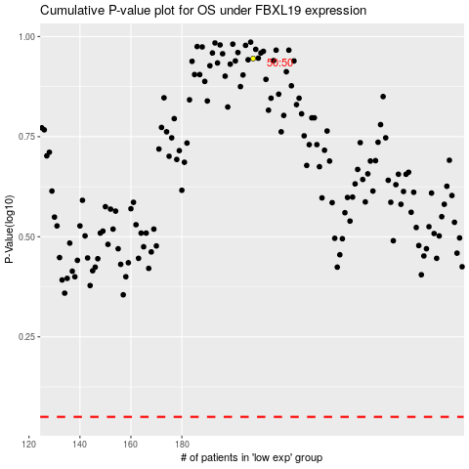

 |  |  |  |  |  | cases_OS | p_OS | rank | exp
 |  |  |  |  |  |  | cases_RFS | p_RFS | rank | exp

