FBXL20 _multivariate
Reported by Tex Li-Hsing Chi. tex@gate.sinica.edu.tw 2019-08-19

Table 2. The clinicopathological features of HNSCC cohort and FBXL20 expression. (Chi square test)
Cutoff at -0.1 (49.8%)
 |  | FBXL20 expression |  | FBXL20 expression |  | (Optimised)
 | Features | Low | (%) | High | (%) | Case no | P-value | Remark | Matthews
Gender | Female | 148 | 35.7 | 158 | 38.1 | 415 | 0.3567 | 0 | 0
2 | Male | 59 | 14.2 | 50 | 12
Age at diagnosis | <=65y | 135 | 32.5 | 139 | 33.5 | 415 | 0.8084 | 0 | 0
4 | >65y | 72 | 17.3 | 69 | 16.6
Clinical T Status | T1+T2 | 79 | 19 | 70 | 16.9 | 415 | 0.3924 | 0 | 0
6 | T3+T4 | 128 | 30.8 | 138 | 33.3
Clinical N Status | N0 | 103 | 24.8 | 113 | 27.2 | 415 | 0.4047 | 0 | 0
8 | N1-3 | 104 | 25.1 | 95 | 22.9
Clinical M Status | M0 | 205 | 49.4 | 207 | 49.9 | 415 | 0.6232 | 0 | 0
10 | M1 | 2 | 0.5 | 1 | 0.2
Clinical Stage | Stage I+II | 54 | 13 | 48 | 11.6 | 415 | 0.5498 | 0 | 0
12 | Stage III+IV | 153 | 36.9 | 160 | 38.6
Surgical Margin status | Negative | 160 | 38.6 | 158 | 38.1 | 415 | 0.8167 | 0 | 0
14 | Positive | 47 | 11.3 | 50 | 12
Tobacco Exposure | Low | 86 | 20.7 | 75 | 18.1 | 415 | 0.2687 | 0 | 0
16 | High | 121 | 29.2 | 133 | 32

Table 3. Univariate/Multivariate Cox's proportional hazards regression analyses on OS time of FBXL20 gene expression in HNSCC

 |  | Univariate |  |  |  | Multivariate
 | Features | HR | CI95%(L) | CI95%(H) | P-value | HR | CI95%(L) | CI95%(H) | P-value
1 | Female | 1 |  |  |  | 1
Gender | Male | 1.157 | 0.843 | 1.587 | 0.367 | 1.211 | 0.866 | 1.691 | 0.263
11 | <=65y | 1 |  |  |  | 1
Age at diagnosis | >65y | 1.329 | 0.99 | 1.784 | 0.058 | 1.398 | 1.028 | 1.9 | 0.033
12 | T1+T2 | 1 |  |  |  | 1
Clinical T Status | T3+T4 | 1.409 | 1.028 | 1.931 | 0.033 | 2.22 | 1.173 | 4.2 | 0.014
13 | N0 | 1 |  |  |  | 1
Clinical N Status | N1-3 | 1.185 | 0.89 | 1.577 | 0.246 | 1.268 | 0.886 | 1.816 | 0.195
14 | M0 | 1 |  |  |  | 1
Clinical M Status | M1 | 4.097 | 1.009 | 16.644 | 0.049 | 9.617 | 2.096 | 44.129 | 0.004
15 | Stage I+II | 1 |  |  |  | 1
Clinical Stage | Stage III+IV | 1.245 | 0.882 | 1.759 | 0.213 | 0.491 | 0.228 | 1.057 | 0.069
16 | Negative | 1 |  |  |  | 1
Surgical Margin status | Positive | 1.591 | 1.155 | 2.191 | 0.004 | 1.685 | 1.218 | 2.33 | 0.002
17 | Low | 1 |  |  |  | 1
Tobacco Exposure | High | 1.364 | 1.008 | 1.844 | 0.044 | 1.459 | 1.059 | 2.011 | 0.021
18 | Low | 1 |  |  |  | 1
RNAseq(z-score) | High | 1.047 | 0.786 | 1.395 | 0.753 | 1.135 | 0.847 | 1.521 | 0.397

Table 4. Univariate/Multivariate Cox's proportional hazards regression analyses on RFS time of FBXL20 gene expression in HNSCC

 |  | Univariate |  |  |  | Multivariate
 | Features | HR | CI95%(L) | CI95%(H) | P-value | HR | CI95%(L) | CI95%(H) | P-value
1 | Female | 1 |  |  |  | 1
Gender | Male | 1.157 | 0.843 | 1.587 | 0.367 | 1.211 | 0.866 | 1.691 | 0.263
11 | <=65y | 1 |  |  |  | 1
Age at diagnosis | >65y | 1.329 | 0.99 | 1.784 | 0.058 | 1.398 | 1.028 | 1.9 | 0.033
12 | T1+T2 | 1 |  |  |  | 1
Clinical T Status | T3+T4 | 1.409 | 1.028 | 1.931 | 0.033 | 2.22 | 1.173 | 4.2 | 0.014
13 | N0 | 1 |  |  |  | 1
Clinical N Status | N1-3 | 1.185 | 0.89 | 1.577 | 0.246 | 1.268 | 0.886 | 1.816 | 0.195
14 | M0 | 1 |  |  |  | 1
Clinical M Status | M1 | 4.097 | 1.009 | 16.644 | 0.049 | 9.617 | 2.096 | 44.129 | 0.004
15 | Stage I+II | 1 |  |  |  | 1
Clinical Stage | Stage III+IV | 1.245 | 0.882 | 1.759 | 0.213 | 0.491 | 0.228 | 1.057 | 0.069
16 | Negative | 1 |  |  |  | 1
Surgical Margin status | Positive | 1.591 | 1.155 | 2.191 | 0.004 | 1.685 | 1.218 | 2.33 | 0.002
17 | Low | 1 |  |  |  | 1
Tobacco Exposure | High | 1.364 | 1.008 | 1.844 | 0.044 | 1.459 | 1.059 | 2.011 | 0.021
18 | Low | 1 |  |  |  | 1
RNAseq(z-score) | High | 1.047 | 0.786 | 1.395 | 0.753 | 1.135 | 0.847 | 1.521 | 0.397

Kaplan-Meier survival estimate: Cutoff at -0.1 (49.8%)



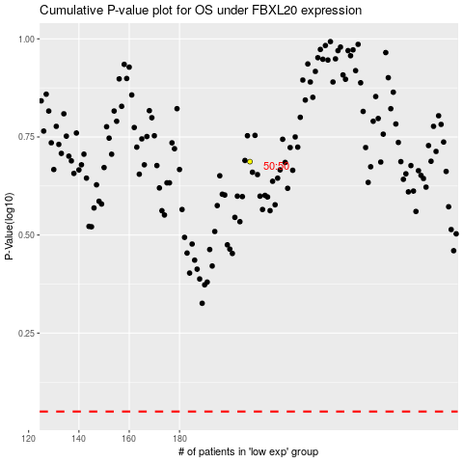

 |  |  |  |  |  | cases_OS | p_OS | rank | exp
 |  |  |  |  |  |  | cases_RFS | p_RFS | rank | exp

