FBXL3 _multivariate
Reported by Tex Li-Hsing Chi. tex@gate.sinica.edu.tw 2019-08-19

Table 2. The clinicopathological features of HNSCC cohort and FBXL3 expression. (Chi square test)
Cutoff at -0.17 (49.8%)
 |  | FBXL3 expression |  | FBXL3 expression |  | (Optimised)
 | Features | Low | (%) | High | (%) | Case no | P-value | Remark | Matthews
Gender | Female | 150 | 36.1 | 156 | 37.6 | 415 | 0.6344 | 0 | 0
2 | Male | 57 | 13.7 | 52 | 12.5
Age at diagnosis | <=65y | 136 | 32.8 | 138 | 33.3 | 415 | 0.9719 | 0 | 0
4 | >65y | 71 | 17.1 | 70 | 16.9
Clinical T Status | T1+T2 | 72 | 17.3 | 77 | 18.6 | 415 | 0.7095 | 0 | 0
6 | T3+T4 | 135 | 32.5 | 131 | 31.6
Clinical N Status | N0 | 107 | 25.8 | 109 | 26.3 | 415 | 0.9624 | 0 | 0
8 | N1-3 | 100 | 24.1 | 99 | 23.9
Clinical M Status | M0 | 204 | 49.2 | 208 | 50.1 | 415 | 0.1232 | 0 | 0
10 | M1 | 3 | 0.7 | 0 | 0
Clinical Stage | Stage I+II | 43 | 10.4 | 59 | 14.2 | 415 | 0.0925 | 0 | 0
12 | Stage III+IV | 164 | 39.5 | 149 | 35.9
Surgical Margin status | Negative | 159 | 38.3 | 159 | 38.3 | 415 | 1 | 0 | 0
14 | Positive | 48 | 11.6 | 49 | 11.8
Tobacco Exposure | Low | 75 | 18.1 | 86 | 20.7 | 415 | 0.3141 | 0 | 0
16 | High | 132 | 31.8 | 122 | 29.4

Table 3. Univariate/Multivariate Cox's proportional hazards regression analyses on OS time of FBXL3 gene expression in HNSCC

 |  | Univariate |  |  |  | Multivariate
 | Features | HR | CI95%(L) | CI95%(H) | P-value | HR | CI95%(L) | CI95%(H) | P-value
1 | Female | 1 |  |  |  | 1
Gender | Male | 1.157 | 0.843 | 1.587 | 0.367 | 1.227 | 0.878 | 1.717 | 0.231
11 | <=65y | 1 |  |  |  | 1
Age at diagnosis | >65y | 1.329 | 0.99 | 1.784 | 0.058 | 1.406 | 1.033 | 1.912 | 0.03
12 | T1+T2 | 1 |  |  |  | 1
Clinical T Status | T3+T4 | 1.409 | 1.028 | 1.931 | 0.033 | 2.152 | 1.137 | 4.072 | 0.019
13 | N0 | 1 |  |  |  | 1
Clinical N Status | N1-3 | 1.185 | 0.89 | 1.577 | 0.246 | 1.218 | 0.853 | 1.739 | 0.278
14 | M0 | 1 |  |  |  | 1
Clinical M Status | M1 | 4.097 | 1.009 | 16.644 | 0.049 | 10.387 | 2.249 | 47.977 | 0.003
15 | Stage I+II | 1 |  |  |  | 1
Clinical Stage | Stage III+IV | 1.245 | 0.882 | 1.759 | 0.213 | 0.527 | 0.245 | 1.135 | 0.102
16 | Negative | 1 |  |  |  | 1
Surgical Margin status | Positive | 1.591 | 1.155 | 2.191 | 0.004 | 1.664 | 1.204 | 2.3 | 0.002
17 | Low | 1 |  |  |  | 1
Tobacco Exposure | High | 1.364 | 1.008 | 1.844 | 0.044 | 1.497 | 1.082 | 2.071 | 0.015
18 | Low | 1 |  |  |  | 1
RNAseq(z-score) | High | 1.141 | 0.856 | 1.521 | 0.368 | 1.221 | 0.909 | 1.64 | 0.185

Table 4. Univariate/Multivariate Cox's proportional hazards regression analyses on RFS time of FBXL3 gene expression in HNSCC

 |  | Univariate |  |  |  | Multivariate
 | Features | HR | CI95%(L) | CI95%(H) | P-value | HR | CI95%(L) | CI95%(H) | P-value
1 | Female | 1 |  |  |  | 1
Gender | Male | 1.157 | 0.843 | 1.587 | 0.367 | 1.227 | 0.878 | 1.717 | 0.231
11 | <=65y | 1 |  |  |  | 1
Age at diagnosis | >65y | 1.329 | 0.99 | 1.784 | 0.058 | 1.406 | 1.033 | 1.912 | 0.03
12 | T1+T2 | 1 |  |  |  | 1
Clinical T Status | T3+T4 | 1.409 | 1.028 | 1.931 | 0.033 | 2.152 | 1.137 | 4.072 | 0.019
13 | N0 | 1 |  |  |  | 1
Clinical N Status | N1-3 | 1.185 | 0.89 | 1.577 | 0.246 | 1.218 | 0.853 | 1.739 | 0.278
14 | M0 | 1 |  |  |  | 1
Clinical M Status | M1 | 4.097 | 1.009 | 16.644 | 0.049 | 10.387 | 2.249 | 47.977 | 0.003
15 | Stage I+II | 1 |  |  |  | 1
Clinical Stage | Stage III+IV | 1.245 | 0.882 | 1.759 | 0.213 | 0.527 | 0.245 | 1.135 | 0.102
16 | Negative | 1 |  |  |  | 1
Surgical Margin status | Positive | 1.591 | 1.155 | 2.191 | 0.004 | 1.664 | 1.204 | 2.3 | 0.002
17 | Low | 1 |  |  |  | 1
Tobacco Exposure | High | 1.364 | 1.008 | 1.844 | 0.044 | 1.497 | 1.082 | 2.071 | 0.015
18 | Low | 1 |  |  |  | 1
RNAseq(z-score) | High | 1.141 | 0.856 | 1.521 | 0.368 | 1.221 | 0.909 | 1.64 | 0.185

Kaplan-Meier survival estimate: Cutoff at -0.17 (49.8%)



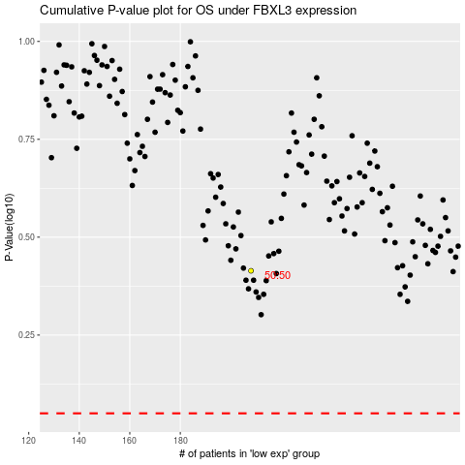

 |  |  |  |  |  | cases_OS | p_OS | rank | exp
 |  |  |  |  |  |  | cases_RFS | p_RFS | rank | exp

